Ponderacion Departamental
Emisor | Business Line | Peso | Metodo | Hoja_Anclaje | Filtro_BL | DERIVACIÓN DEL PESO POR BUSINESS LINE (revenue) — celdas azules = inputs editables
Inretail Peru Corp | Makro | 0.363750 | anclaje | Inretail Consumer | Makro
Inretail Peru Corp | Plaza Vea/Vivanda | 0.181875 | anclaje | Inretail Consumer | Plaza Vea;Vivanda | N° Veces (proxy de revenue por tienda, dentro de 'food') |  | Inicio (=N°/Suma)
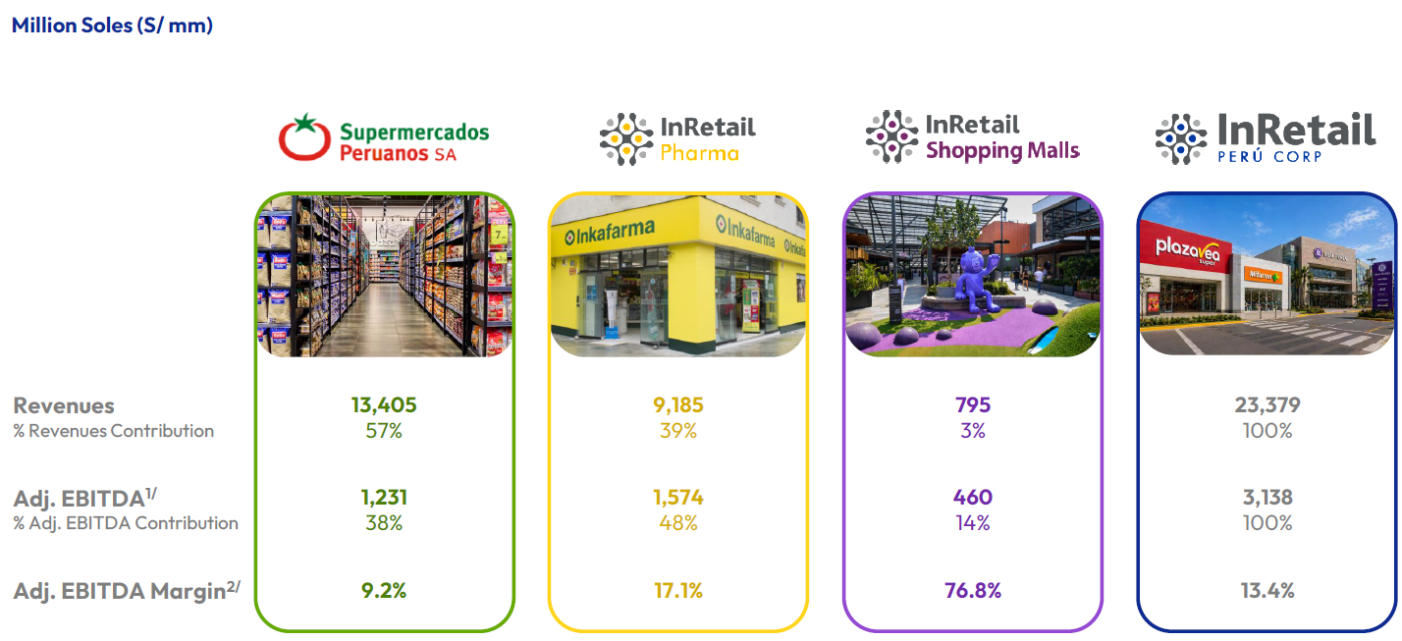
Inretail Peru Corp | Mass | 0.036375 | poblacion |  |  | Makro | 10 | 0.6250
Inretail Peru Corp | Pharmacies | 0.388000 | poblacion |  |  | Plaza Vea/Vivanda | 5 | 0.3125
Inretail Peru Corp | Shopping Malls | 0.030000 | anclaje | 28. InRetail Shopping Malls | * | Mass | 1 | 0.0625
InRetail Consumer | Makro | 0.375 | anclaje | Inretail Consumer | Makro | Suma | 16
InRetail Consumer | Plaza Vea/Vivanda | 0.1875 | anclaje | Inretail Consumer | Plaza Vea;Vivanda
InRetail Consumer | Mass | 0.0375 | poblacion |  |  | Split dentro de Ex-Shopping Malls
InRetail Consumer | Pharmacies | 0.4 | poblacion |  |  | InRetail Consumer (food: Makro+PV+Mass) | 0.60
InRetail Shopping Malls | Shopping Malls | 1 |  |  |  | Pharmacies | 0.40
- Los nombres de Emisor deben ser **idénticos** a como aparecen en "Valorización de Instrumentos"
col AE "Nombre (G&P)": `InRetail Consumer`, `Inretail Peru Corp`, `InRetail Shopping Malls`.
- Los Business Line deben escribirse **igual** que en "Activos Departamentales" (ej. `Plaza Vea/Vivanda`).
- El Peso de cada emisor debe **sumar 1** (Consumer: 0.375+0.1875+0.0375+0.40=1 ; Peru Corp suma 1 ; Malls=1).
- Si mañana cambias un peso o agregas un emisor, solo editas aquí. Cero código.
 |  |  |  |  |  | Suma | 1

 |  |  |  |  |  | Split de InRetail total
 |  |  |  |  |  | Ex Shopping Malls | 0.97
 |  |  |  |  |  | Shopping Malls | 0.03
 |  |  |  |  |  | Suma | 1
LEYENDA
• Emisor: nombre canónico de la empresa (debe existir como emisor en Valorización / EMPRESAS_HOJA). |  |  |  |  |  | Peso final = Inicio × Consumer/Pharma × ExMalls/Malls (referenciado por la col C)
• Business Line: cada línea de negocio de la empresa. Los 'Peso' deben sumar 1 por Emisor.
• Peso: participación de la línea en los revenues del emisor (fracción). Aquí sale de la derivación de la derecha (cols H–J).
• Metodo = 'anclaje' -> las ubicaciones distritales se toman TAL CUAL de la hoja indicada en Hoja_Anclaje.
• Metodo = 'poblacion' -> el conteo departamental (hoja 'Activos Departamentales') se reparte por población distrital (INEI).
• Hoja_Anclaje: nombre de la hoja distrital de donde salen las ubicaciones (solo si Metodo='anclaje').
• Filtro_BL: qué filas tomar de esa hoja. Varios valores separados por ';'. '*' = todas las filas. (Se filtra por la col Empresa/Marca/Formato/Activo de esa hoja.)
• Para agregar una empresa nueva: añade sus filas aquí (una por línea) y sus conteos en 'Activos Departamentales'. Cero cambios de código.

Activos Departamentales
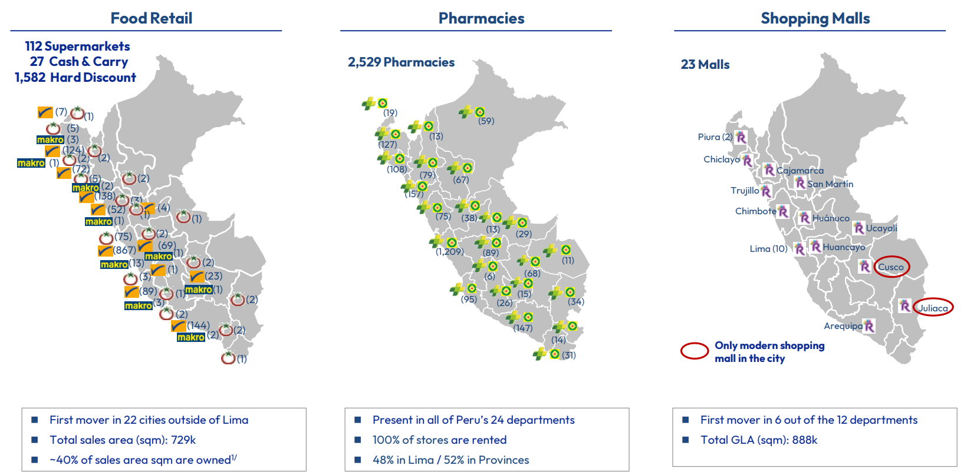
Emisor | Departamento | Business Line | N_Activos | Region | Categoría | Conteo Imagen | Conteo Propio
InRetail | Huancavelica | Pharmacies | 6 | Sur | Sequías
InRetail | Madre de Dios | Pharmacies | 11 | Oriente | Sin Impacto
InRetail | Amazonas | Pharmacies | 13 | Oriente | Sin Impacto
InRetail | Pasco | Pharmacies | 13 | Centro | Sin Impacto
InRetail | Moquegua | Pharmacies | 14 | Sur | Sequías
InRetail | Apurímac | Pharmacies | 15 | Sur | Sequías
InRetail | Tumbes | Pharmacies | 19 | Norte | Lluvias
InRetail | Ayacucho | Pharmacies | 26 | Sur | Sequías
InRetail | Ucayali | Pharmacies | 29 | Oriente | Sin Impacto
InRetail | Tacna | Pharmacies | 31 | Sur | Sequías
InRetail | Puno | Pharmacies | 34 | Sur | Sequías
InRetail | Huánuco | Pharmacies | 38 | Centro | Sin Impacto
InRetail | Loreto | Pharmacies | 59 | Oriente | Sin Impacto
InRetail | San Martín | Pharmacies | 67 | Oriente | Sin Impacto
InRetail | Cusco | Pharmacies | 68 | Sur | Sequías
InRetail | Áncash | Pharmacies | 75 | Norte | Lluvias
InRetail | Cajamarca | Pharmacies | 79 | Norte | Lluvias
InRetail | Junín | Pharmacies | 89 | Centro | Sin Impacto
InRetail | Ica | Pharmacies | 95 | Centro | Sin Impacto
InRetail | Lambayeque | Pharmacies | 108 | Norte | Lluvias
InRetail | Piura | Pharmacies | 127 | Norte | Lluvias
InRetail | Arequipa | Pharmacies | 147 | Sur | Sequías
InRetail | La Libertad | Pharmacies | 157 | Norte | Lluvias
InRetail | Lima | Pharmacies | 1209 | Centro | Sin Impacto

Fuente: InRetail — earnings call / presentación corporativa (conteo de activos físicos por departamento).
Nota: el pipeline SOLO usa las filas cuyo Business Line tiene Metodo='poblacion' (Mass y Pharmacies).
Las filas de Makro / Plaza Vea-Vivanda / Shopping Malls quedan informativas: sus distritos reales salen de las hojas de anclaje.
Callao va incluido dentro del departamento 'Lima' para el reparto poblacional de Mass y Pharmacies.

28. InRetail Shopping Malls
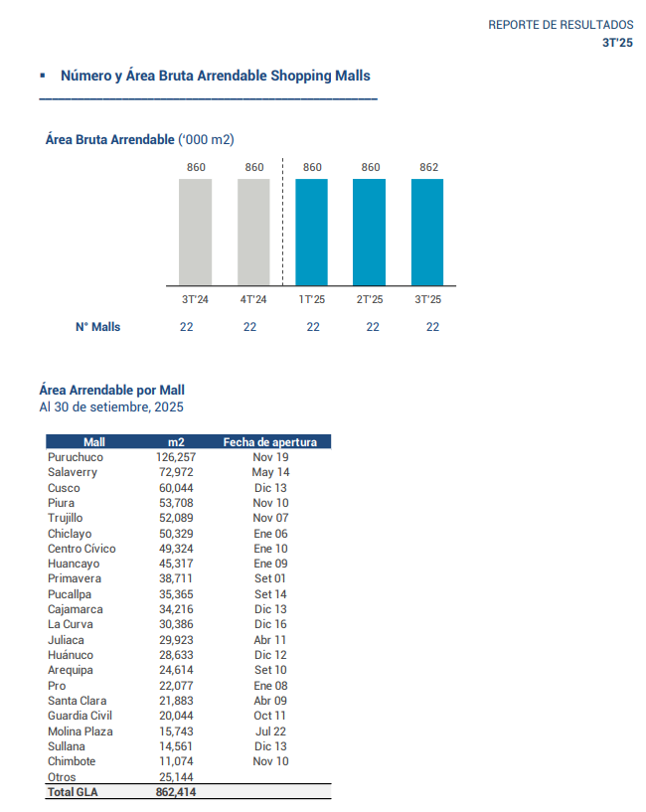
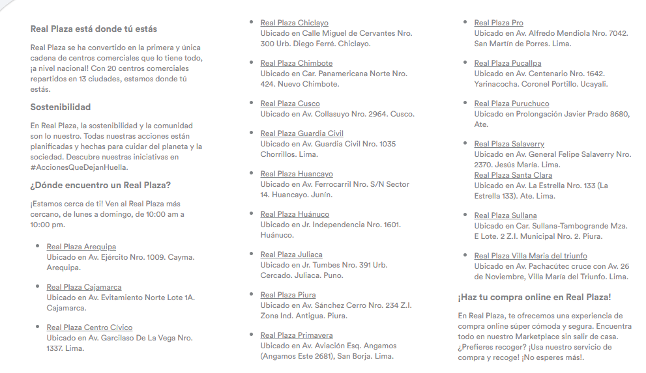
Ubigeo | Departamento | Provincia | Distrito | Peso | Inundación | Movimientos de Masa | Sequía severa | Información extraída de la página web | Bienvenido a Real Plaza | Malls, servicios y compra online
040101 | Arequipa | Arequipa | Arequipa | 5.0% | Muy alto | Bajo | -
060101 | Cajamarca | Cajamarca | Cajamarca | 5.0% | Alto | Alto | Medio
150101 | Lima | Lima | Lima | 5.0% | Alto | Bajo | -
140101 | Lambayeque | Chiclayo | Chiclayo | 5.0% | Alto | Muy bajo | -
021809 | Ancash | Santa | Nuevo Chimbote | 5.0% | Medio | Bajo | -
080101 | Cusco | Cusco | Cusco | 5.0% | Bajo | Alto | Medio
150108 | Lima | Lima | Chorrillos | 5.0% | Alto | Bajo | -
120101 | Junin | Huancayo | Huancayo | 5.0% | Bajo | Alto | Medio
100101 | Huanuco | Huanuco | Huanuco | 5.0% | Medio | Alto | Alto
211101 | Puno | San Roman | Juliaca | 5.0% | Muy bajo | Medio | Alto
200101 | Piura | Piura | Piura | 5.0% | Muy alto | Muy bajo | -
150130 | Lima | Lima | San Borja | 5.0% | Bajo | Muy bajo | -
150135 | Lima | Lima | San Martin de Porres | 5.0% | Muy alto | Bajo | -
250105 | Ucayali | Coronel Portillo | Yarinacocha | 5.0% | Muy alto | Muy bajo | Bajo
150103 | Lima | Lima | Ate | 10.0% | Medio | Alto | -
150113 | Lima | Lima | Jesus Maria | 5.0% | Alto | Muy bajo | -
200601 | Piura | Sullana | Sullana | 5.0% | Muy alto | Bajo | Bajo
150143 | Lima | Lima | Villa Maria del Triunfo | 5.0% | Muy bajo | Alto | -
150114 | Lima | Lima | La Molina | 5.0% | Medio | Alto | -
130101 | La Libertad | Trujillo | Trujillo | 0.0% | Muy alto | Muy bajo | -

Intercorp PONDERACION
Intercorp Peru LTD - EEFF 2023 (web de Intercorp)

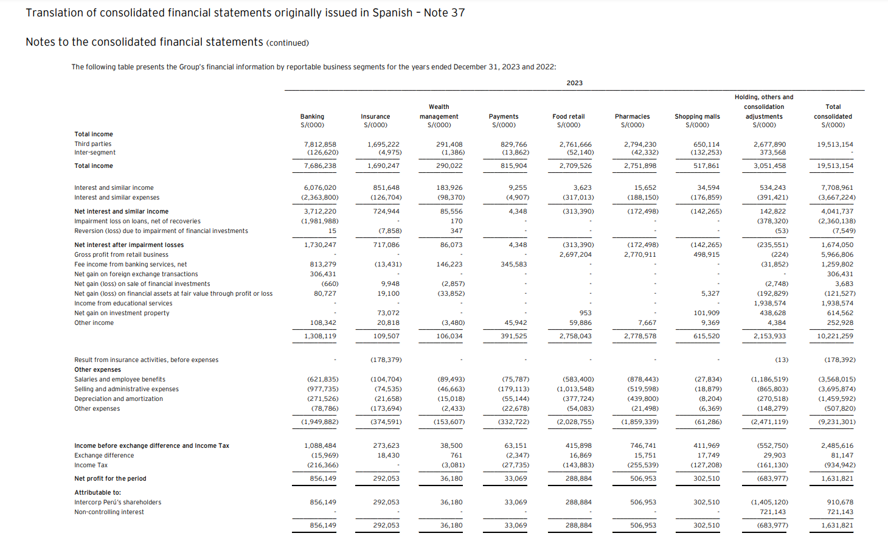

 | IFS pesa más de 70% de los ingresos, entonces se toma la exposición del Banco para todo lo financiero

 |  | Ingresos
 | Banco | 7,812,858.00 | 73.50%
 | Seguro | 1,695,222.00 | 15.95%
 | Wealth | 291,408.00 | 2.74%
 | Pagos | 829,766.00 | 7.81%
 |  | 10,629,254.00 | 100%

 |  | Ingresos
 | Financiero (Banco) | 10,629,254.00
 | Inretail Consumer | 5,555,896.00
 | Inretail Shopping | 650,114.00
 | Otros | 2,677,890.00 | 3 | 892,630.00

 | Repartimos la categoría otros a las 3 lineas de negocio por igual

 | Financiero | 11,521,884.00 | 59.05%
 | Inretail Consumer | 6,448,526.00 | 33%
 | Inretail Shopping | 1,542,744.00 | 8%
 |  | 19,513,154.00 | 100%

 |  |  | Amazonas | Ancash | Apurimac | Arequipa | Ayacucho | Cajamarca | Callao | Cusco | Huancavelica | Huanuco | Ica | Junin | La Libertad | Lambayeque | Lima | Loreto | Madre de Dios | Moquegua | Pasco | Piura | Puno | San Martin | Tacna | Tumbes | Ucayali
 |  | Financiero (Banco) Archivo "financieras" de Andrea | 0.00% | 0.86% | 0.16% | 2.32% | 0.46% | 1.15% | 0.26% | 0.76% | 0.00% | 0.31% | 1.73% | 1.19% | 2.83% | 1.11% | 82.13% | 0.52% | 0.14% | 0.16% | 0.10% | 1.43% | 0.61% | 0.69% | 0.53% | 0.17% | 0.36%
 |  | Inretail Consumer | 0.20% | 2.45% | 0.23% | 6.22% | 0.41% | 1.79% | 0.00% | 1.71% | 0.10% | 0.72% | 4.04% | 2.77% | 6.88% | 2.67% | 58.61% | 0.99% | 0.15% | 0.23% | 0.21% | 5.93% | 0.84% | 1.07% | 0.67% | 0.48% | 0.62%
 |  | Inretail Shopping | 0.00% | 1.33% | 0.00% | 2.97% | 0.00% | 4.10% | 0.00% | 7.19% | 0.00% | 3.43% | 0.00% | 5.43% | 6.24% | 6.03% | 47.32% | 0.00% | 0.00% | 0.00% | 0.00% | 8.15% | 3.58% | 0.00% | 0.00% | 0.00% | 4.24%

 |  |  | Amazonas | Ancash | Apurimac | Arequipa | Ayacucho | Cajamarca | Callao | Cusco | Huancavelica | Huanuco | Ica | Junin | La Libertad | Lambayeque | Lima | Loreto | Madre de Dios | Moquegua | Pasco | Piura | Puno | San Martin | Tacna | Tumbes | Ucayali
 |  | Financiero (Banco) Archivo "financieras" de Andrea | 0.00% | 0.51% | 0.10% | 1.37% | 0.27% | 0.68% | 0.15% | 0.45% | 0.00% | 0.18% | 1.02% | 0.70% | 1.67% | 0.66% | 48.50% | 0.30% | 0.08% | 0.09% | 0.06% | 0.85% | 0.36% | 0.41% | 0.31% | 0.10% | 0.21% | 59.05%
 |  | Inretail Consumer (ver pestaña) | 0.07% | 0.81% | 0.08% | 2.06% | 0.14% | 0.59% | 0.00% | 0.56% | 0.03% | 0.24% | 1.33% | 0.91% | 2.27% | 0.88% | 19.37% | 0.33% | 0.05% | 0.08% | 0.07% | 1.96% | 0.28% | 0.35% | 0.22% | 0.16% | 0.21% | 33.05%
 |  | Inretail Shopping (ver pestaña) | 0.00% | 0.10% | 0.00% | 0.23% | 0.00% | 0.32% | 0.00% | 0.57% | 0.00% | 0.27% | 0.00% | 0.43% | 0.49% | 0.48% | 3.74% | 0.00% | 0.00% | 0.00% | 0.00% | 0.64% | 0.28% | 0.00% | 0.00% | 0.00% | 0.33% | 7.91%
 |  | Total Intercorp Perú LTD | 0.07% | 1.43% | 0.17% | 3.66% | 0.41% | 1.60% | 0.15% | 1.58% | 0.03% | 0.70% | 2.36% | 2.05% | 4.44% | 2.02% | 71.61% | 0.63% | 0.13% | 0.17% | 0.13% | 3.45% | 0.92% | 0.76% | 0.54% | 0.26% | 0.75%

7. Cerro Verde
TITULAR | UNIDAD | DEPARTAMENTO | PROVINCIA | DISTRITO | Ubigeo | Tipo | PAIS
SOCIEDAD MINERA CERRO VERDE S.A.A. | PLANTA DE BENEFICIO CERRO VERDE | Arequipa | Arequipa | Uchumayo | 040124 | Tajo abierto | Perú
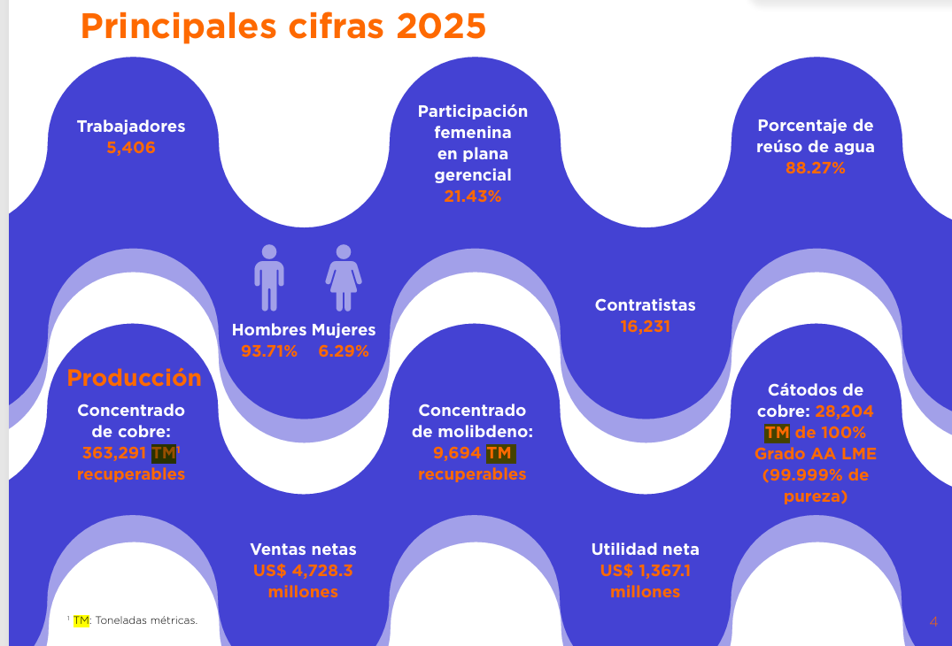

 |  |  |  | Concentrado de molibdeno
 |  |  |  | Concentrado de cobre
 |  |  |  | Cátodos de cobre

11. Hochschild
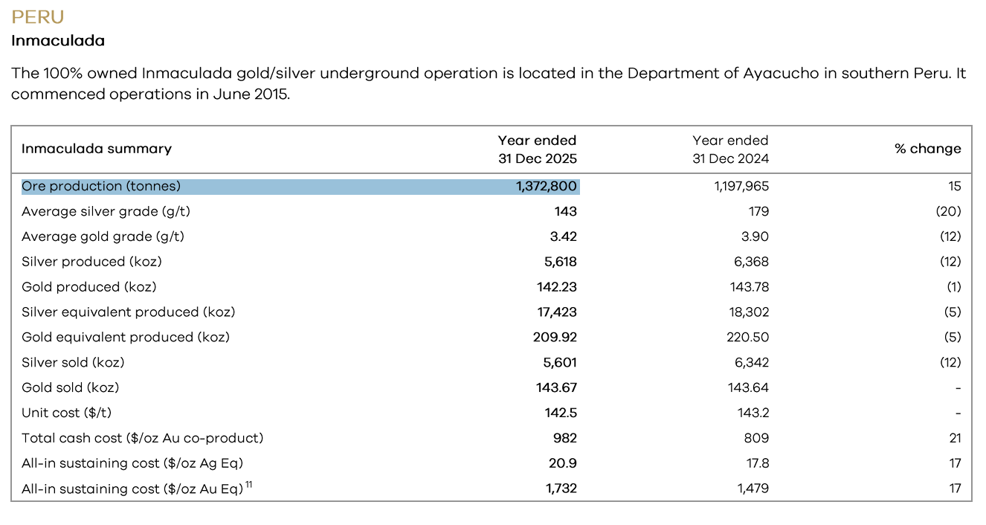
TITULAR | UNIDAD | DEPARTAMENTO | PROVINCIA | DISTRITO | Ubigeo | TIPO
COMPAÑIA MINERA ARES S.A.C. | INMACULADA | Ayacucho | Lucanas | San Pedro | 50617 | Underground gold-silver mine & concentrator
COMPAÑIA MINERA ARES S.A.C. | PALLANCATA | Ayacucho | Parinacochas | Coronel Castañeda |  | Silver-gold mine & Selene processing plant

12. Hudbay
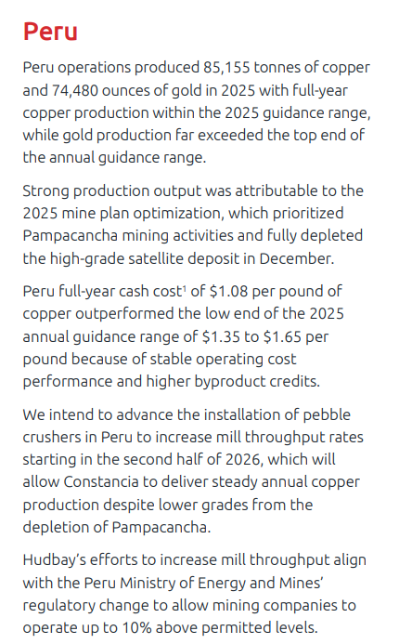
TITULAR | UNIDAD | DEPARTAMENTO | PROVINCIA | DISTRITO | Ubigeo | Tipo | País
HUDBAY PERU S.A.C. | CONSTANCIA | Cusco | Chumbivilcas | Livitaca | 080705 | Tajo abierto | Perú

1 .Aenza
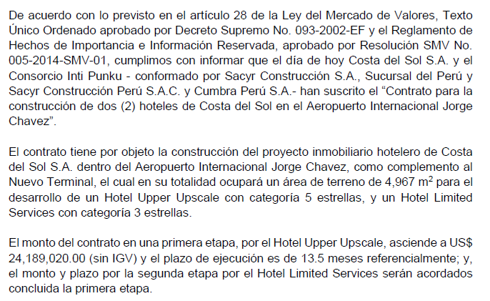
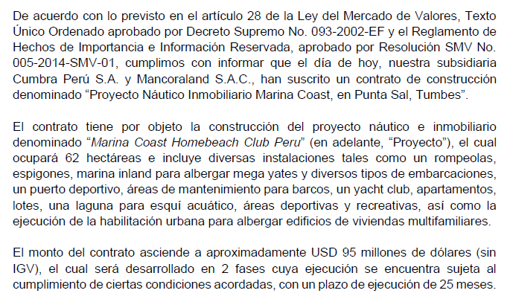
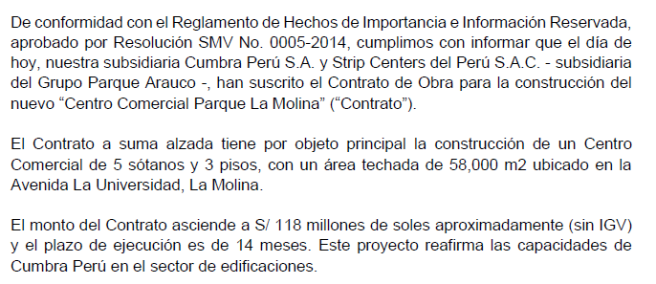
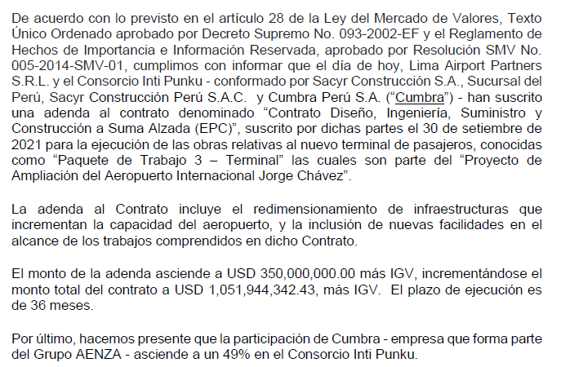
Tomar en consideración que no habrá score a nivel de riesgo de sequías severo, para los distritos resaltados, esto ya que han sido excluídos de la metodología de CENEPRED al no considerar la costa peruana.
Linea | Sub-bloque | Regla | Departamento | Provincia | Distrito | % | Ventas en Millones |  |  |  | Departamento | Provincia | Distrito | Ventas en Millones | Porcion | Inundación | Movimientos de Masa | Sequía severa | Ubigeo | Linea | Ventas en miles
Infraestructura | Linea 1 | 2 | Lima | Lima | Villa El Salvador | 8% | 24 | 313.19 | LimaLimaVilla El Salvador | LimaLimaVilla El Salvador | Lima | Lima | Villa El Salvador | 24 | 1.37% | Medio | Muy bajo | - | 150142 | Energia | 572,598 | EEFF Auditados 2023
Infraestructura | Linea 1 | 3 | Lima | Lima | Villa Maria del Triunfo | 12% | 36 |  | LimaLimaVilla Maria del Triunfo | LimaLimaVilla Maria del Triunfo | Lima | Lima | Villa Maria del Triunfo | 36 | 2.06% | Muy bajo | Alto | - | 150143 | Infraestructura | 777,968
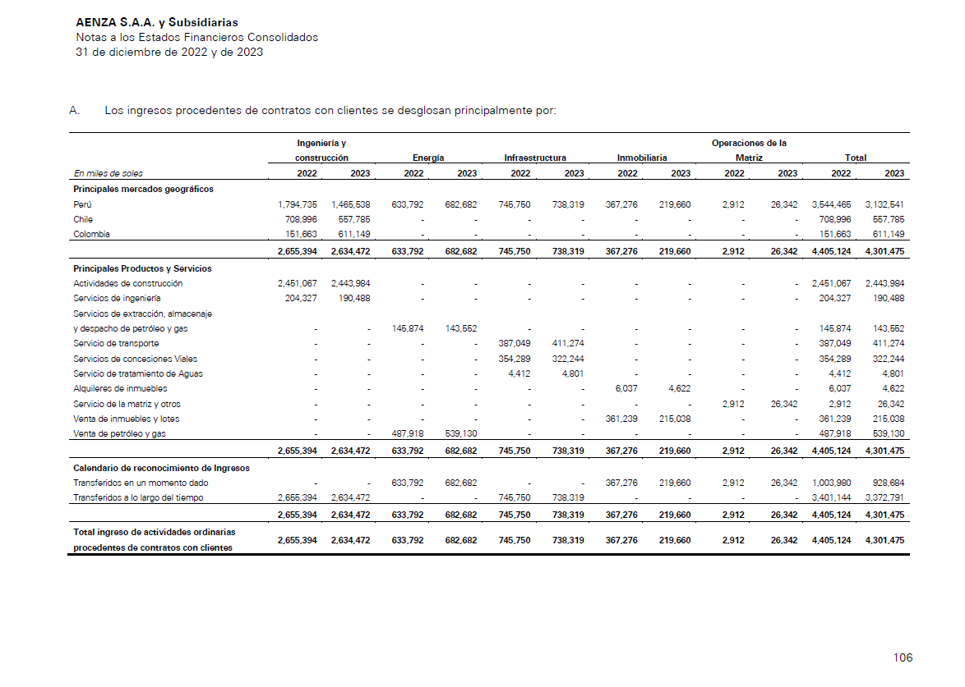
Infraestructura | Linea 1 | 2 | Lima | Lima | San Juan de Miraflores | 8% | 24 |  | LimaLimaSan Juan de Miraflores | LimaLimaSan Juan de Miraflores | Lima | Lima | San Juan de Miraflores | 24 | 1.37% | Medio | Bajo | - | 150133 | Ingenieria y Construccion | 318,722
Infraestructura | Linea 1 | 3 | Lima | Lima | Santiago de Surco | 12% | 36 |  | LimaLimaSantiago de Surco | LimaLimaSantiago de Surco | Lima | Lima | Santiago de Surco | 36 | 2.06% | Medio | Muy bajo | - | 150140 | Inmobiliaria | 86,651
Infraestructura | Linea 1 | 3 | Lima | Lima | San Borja | 12% | 36 |  | LimaLimaSan Borja | LimaLimaSan Borja | Lima | Lima | San Borja | 36 | 2.06% | Bajo | Muy bajo | - | 150130 | Total en Millones | 1,756
Infraestructura | Linea 1 | 2 | Lima | Lima | La Victoria | 8% | 24 |  | LimaLimaLa Victoria | LimaLimaLa Victoria | Lima | Lima | La Victoria | 24 | 1.37% | Medio | Muy bajo | - | 150115
Infraestructura | Linea 1 | 2 | Lima | Lima | Lima | 8% | 24 |  | LimaLimaLima | LimaLimaLima | Lima | Lima | Lima | 24 | 1.37% | Alto | Bajo | - | 150101
Infraestructura | Linea 1 | 1 | Lima | Lima | El Agustino | 4% | 12 |  | LimaLimaEl Agustino | LimaLimaEl Agustino | Lima | Lima | El Agustino | 12 | 0.69% | Alto | Bajo | - | 150111
Infraestructura | Linea 1 | 8 | Lima | Lima | San Juan de Lurigancho | 31% | 96 |  | LimaLimaSan Juan de Lurigancho | LimaLimaSan Juan de Lurigancho | Lima | Lima | San Juan de Lurigancho | 96 | 5.49% | Bajo | Muy alto | - | 150132
Infraestructura | Norvial (RV5) | 4 anclas iguales | Lima | Lima | Ancon | 25% | 48 |  | LimaLimaAncon | LimaLimaAncon | Lima | Lima | Ancon | 48 | 2.76% | Bajo | Alto | - | 150102
Infraestructura | Norvial (RV5) | 4 anclas iguales | Lima | Huaral | Chancay | 25% | 48 |  | LimaHuaralChancay | LimaHuaralChancay | Lima | Huaral | Chancay | 48 | 2.76% | Alto | Medio | - | 150605
Infraestructura | Norvial (RV5) | 4 anclas iguales | Lima | Huaura | Huacho | 25% | 48 |  | LimaHuauraHuacho | LimaHuauraHuacho | Lima | Huaura | Huacho | 48 | 2.76% | Medio | Medio | - | 150801 |  |  |  | País | Ingresos | % Ingresos
Infraestructura | Norvial (RV5) | 4 anclas iguales | Lima | Barranca | Barranca | 25% | 48 |  | LimaBarrancaBarranca | LimaBarrancaBarranca | Lima | Barranca | Barranca | 48 | 2.76% | Alto | Medio | - | 150201 |  |  |  | Perú | 3,132,541.00 | 72.82%
Infraestructura | Survial/Canchaque | 8 nodos iguales | Ica | Nazca | Marcona | 13% | 8 |  | IcaNazcaMarcona | IcaNazcaMarcona | Ica | Nazca | Marcona | 8 | 0.44% | Alto | Medio | - | 110304 |  |  |  | Chile | 557,785.00 | 12.97%
Infraestructura | Survial/Canchaque | 8 nodos iguales | Ica | Nazca | Nazca | 13% | 8 |  | IcaNazcaNazca | IcaNazcaNazca | Ica | Nazca | Nazca | 8 | 0.44% | Muy alto | Medio | - | 110301 |  |  |  | Colombia | 611,149.00 | 14.21%
Infraestructura | Survial/Canchaque | 8 nodos iguales | Ayacucho | Lucanas | Puquio | 13% | 8 |  | AyacuchoLucanasPuquio | AyacuchoLucanasPuquio | Ayacucho | Lucanas | Puquio | 31 | 1.76% | Alto | Alto | Alto | 050601 |  |  |  |  | 4,301,475.00 | 100%
Infraestructura | Survial/Canchaque | 8 nodos iguales | Apurimac | Aymaraes | Chalhuanca | 13% | 8 |  | ApurimacAymaraesChalhuanca | ApurimacAymaraesChalhuanca | Apurimac | Aymaraes | Chalhuanca | 8 | 0.44% | Medio | Medio | Medio | 030401
Infraestructura | Survial/Canchaque | 8 nodos iguales | Apurimac | Abancay | Abancay | 13% | 8 |  | ApurimacAbancayAbancay | ApurimacAbancayAbancay | Apurimac | Abancay | Abancay | 31 | 1.76% | Bajo | Alto | Medio | 030101
Infraestructura | Survial/Canchaque | 8 nodos iguales | Cusco | Quispicanchi | Urcos | 13% | 8 |  | CuscoQuispicanchiUrcos | CuscoQuispicanchiUrcos | Cusco | Quispicanchi | Urcos | 8 | 0.44% | Medio | Alto | Alto | 081201 |  |  |  | Perú
Infraestructura | Survial/Canchaque | 8 nodos iguales | Piura | Morropon | Buenos Aires | 13% | 8 |  | PiuraMorroponBuenos Aires | PiuraMorroponBuenos Aires | Piura | Morropon | Buenos Aires | 8 | 0.44% | Alto | Muy alto | Muy alto | 200402 |  |  |  |  |  |  |  | Departamentos |  |  |  |  |  |  |  | Departamentos
Infraestructura | Survial/Canchaque | 8 nodos iguales | Piura | Huancabamba | Canchaque | 13% | 8 |  | PiuraHuancabambaCanchaque | PiuraHuancabambaCanchaque | Piura | Huancabamba | Canchaque | 8 | 0.44% | Bajo | Muy alto | Alto | 200302 |  |  |  | Negocio | Ingresos | % Ingresos |  | Cusco | Ica | Lima | Piura | Tumbes | Moquegua |  |  | Cusco | Ica | Lima | Piura | Tumbes | Moquegua
Infraestructura | UNNA Transporte | multi-sitio por precisar | Apurimac | Abancay | Abancay | 11% | 23 |  | ApurimacAbancayAbancay | ApurimacAbancayCurahuasi | Apurimac | Abancay | Curahuasi | 23 | 1.33% | Bajo | Medio | Alto | 030104 |  |  |  | I&C | 1,465,538.00 | 47.18% |  | 0.00% | 0.00% | 55.72% | 0.00% | 23.11% | 21.17% | 100.00% |  | 0% | 0% | 26.29% | 0% | 10.91% | 9.99% | 47.18%
Infraestructura | UNNA Transporte | multi-sitio por precisar | Apurimac | Abancay | Curahuasi | 11% | 23 |  | ApurimacAbancayCurahuasi | ApurimacAbancayTamburco | Apurimac | Abancay | Tamburco | 23 | 1.33% | Medio | Alto | Medio | 030109 |  |  |  | Energía | 682,682.00 | 21.98% |  | 0.00% | 0.00% | 0.00% | 75.00% | 25.00% | 0.00% | 100.00% |  | 0% | 0% | 0% | 16% | 5% | 0% | 21.98%
Infraestructura | UNNA Transporte | multi-sitio por precisar | Apurimac | Abancay | Tamburco | 11% | 23 |  | ApurimacAbancayTamburco | ApurimacAbancayPichirhua | Apurimac | Abancay | Pichirhua | 23 | 1.33% | Medio | Medio | Medio | 030107 |  |  |  | Infraestructura | 738,319.00 | 23.77% |  | 3.71% | 3.71% | 90.25% | 2.33% | 0.00% | 0.00% | 100.00% |  | 1% | 1% | 21% | 1% | 0% | 0% | 23.77%
Infraestructura | UNNA Transporte | multi-sitio por precisar | Apurimac | Abancay | Pichirhua | 11% | 23 |  | ApurimacAbancayPichirhua | AyacuchoParinacochasCoracora | Ayacucho | Parinacochas | Coracora | 23 | 1.33% | Alto | Alto | Alto | 050701 |  |  |  | Inmobiliario | 219,660.00 | 7.07% |  | 0.00% | 0.00% | 100.00% | 0.00% | 0.00% | 0.00% | 100.00% |  | 0% | 0% | 7% | 0% | 0% | 0% | 7.07%
Infraestructura | UNNA Transporte | multi-sitio por precisar | Ayacucho | Parinacochas | Coracora | 11% | 23 |  | AyacuchoParinacochasCoracora | CuscoAntaAncahuasi | Cusco | Anta | Ancahuasi | 23 | 1.33% | Bajo | Alto | Medio | 080302 |  |  |  |  | 3,106,199.00 | 100% |  |  |  |  |  |  |  |  | Total Aenza | 0.88% | 0.88% | 54.81% | 17.04% | 16.40% | 9.99%
Infraestructura | UNNA Transporte | multi-sitio por precisar | Ayacucho | Lucanas | Puquio | 11% | 23 |  | AyacuchoLucanasPuquio | CuscoCanasYanaoca | Cusco | Canas | Yanaoca | 23 | 1.33% | Medio | Alto | Medio | 080501
Infraestructura | UNNA Transporte | multi-sitio por precisar | Cusco | Anta | Ancahuasi | 11% | 23 |  | CuscoAntaAncahuasi | CuscoAntaAnta | Cusco | Anta | Anta | 23 | 1.33% | Bajo | Alto | Medio | 080301
Infraestructura | UNNA Transporte | multi-sitio por precisar | Cusco | Canas | Yanaoca | 11% | 23 |  | CuscoCanasYanaoca | PiuraTalaraPariñas | Piura | Talara | Pariñas | 263 | 15.00% | Alto | Medio | - | 200701 |  |  |  | Perú - Energía (Insight de Gerard)
Infraestructura | UNNA Transporte | multi-sitio por precisar | Cusco | Anta | Anta | 11% | 23 |  | CuscoAntaAnta | PiuraPaitaLa Huaca | Piura | Paita | La Huaca | 206 | 11.74% | Muy alto | Bajo | - | 200505
Energia | Upstream (Lotes III-IV) | 50/50 Talara-Paita | Piura | Talara | Pariñas | 50% | 206 |  | PiuraTalaraPariñas | CallaoCallaoCallao | Callao | Callao | Callao | 98 | 5.59% | Muy alto | Muy bajo | - | 070101 |  |  |  | Contrato | Departamento | % Valor
Energia | Upstream (Lotes III-IV) | 50/50 Talara-Paita | Piura | Paita | La Huaca | 50% | 206 |  | PiuraPaitaLa Huaca | LambayequeChiclayoEten | Lambayeque | Chiclayo | Eten | 15 | 0.85% | Alto | Muy bajo | - | 140103 |  |  |  | Lote III | Piura | 50%
Energia | Planta de Gas (Pariñas) | ubicacion de planta | Piura | Talara | Pariñas | 100% | 57 |  | PiuraTalaraPariñas | La LibertadTrujilloSalaverry | La Libertad | Trujillo | Salaverry | 15 | 0.85% | Alto | Bajo | - | 130109 |  |  |  | Lote IV | Piura | 25%
Energia | Terminales de Combustibles | Callao 20% | Callao | Callao | Callao | 20% | 15 |  | CallaoCallaoCallao | AncashSantaChimbote | Ancash | Santa | Chimbote | 15 | 0.85% | Alto | Muy alto | Medio | 021801 |  |  |  | Lote IV | Tumbes | 25%
Energia | Terminales de Combustibles | 80% repartido en el norte | Lambayeque | Chiclayo | Eten | 20% | 15 |  | LambayequeChiclayoEten | LimaBarrancaSupe | Lima | Barranca | Supe | 15 | 0.85% | Alto | Alto | - | 150204
Energia | Terminales de Combustibles | 80% repartido en el norte | La Libertad | Trujillo | Salaverry | 20% | 15 |  | La LibertadTrujilloSalaverry | IcaPiscoSan Andres | Ica | Pisco | San Andres | 29 | 1.63% | Alto | Medio | - | 110506 |  |  |  | Perú - Infraestructura
Energia | Terminales de Combustibles | 80% repartido en el norte | Ancash | Santa | Chimbote | 20% | 15 |  | AncashSantaChimbote | LimaLimaComas | Lima | Lima | Comas | 19 | 1.11% | Medio | Medio | - | 150110
Energia | Terminales de Combustibles | 80% repartido en el norte | Lima | Barranca | Supe | 20% | 15 |  | LimaBarrancaSupe | LimaLimaCarabayllo | Lima | Lima | Carabayllo | 19 | 1.11% | Medio | Muy alto | - | 150106 |  |  |  | Concesión | Departamento | Valor Inversión | % Valor
Energia | Terminal Pisco-Camisea (O&M) | por confirmar distrito | Ica | Pisco | San Andres | 100% | 29 |  | IcaPiscoSan Andres | LimaLimaBreña | Lima | Lima | Breña | 19 | 1.11% | Medio | Muy bajo | - | 150105 |  |  |  | Carretera Andina | Ica/Cusco | 99 | 7.43%
Inmobiliaria | Viva - Lima Metropolitana | 90% repartido en 4 distritos de Lima | Lima | Lima | Comas | 23% | 19 |  | LimaLimaComas | JuninHuancayoHuancayo | Junin | Huancayo | Huancayo | 4 | 0.25% | Bajo | Alto | Medio | 120101 |  |  |  | Carretera Sierra | Piura | 31 | 2.33%
Inmobiliaria | Viva - Lima Metropolitana | 90% repartido en 4 distritos de Lima | Lima | Lima | Carabayllo | 23% | 19 |  | LimaLimaCarabayllo | PiuraPiuraCastilla | Piura | Piura | Castilla | 4 | 0.25% | Muy alto | Bajo | - | 200104 |  |  |  | Chira | Lima | 450 | 33.76%
Inmobiliaria | Viva - Lima Metropolitana | 90% repartido en 4 distritos de Lima | Lima | Lima | Breña | 23% | 19 |  | LimaLimaBreña | MoqueguaGeneral Sanchez CerroIchuña | Moquegua | General Sanchez Cerro | Ichuña | 64 | 3.63% | Medio | Alto | - | 180204 |  |  |  | Tulsa | Lima | 566 | 42.46%
Inmobiliaria | Viva - Lima Metropolitana | 90% repartido en 4 distritos de Lima | Callao | Callao | Callao | 23% | 19 |  | CallaoCallaoCallao | LimaLimaLa Molina | Lima | Lima | La Molina | 64 | 3.63% | Medio | Alto | - | 150114 |  |  |  | Red Vial 5 | Lima | 187 | 14.03%
Inmobiliaria | Viva - Huancayo | 5% Huancayo | Junin | Huancayo | Huancayo | 5% | 4 |  | JuninHuancayoHuancayo | AncashHuariHuari | Ancash | Huari | Huari | 64 | 3.63% | Medio | Muy alto | Medio | 021001 |  |  |  | Vía Expresa Sur | Caducó | 0 | 0.00%
Inmobiliaria | Viva - Piura | 5% Piura | Piura | Piura | Castilla | 5% | 4 |  | PiuraPiuraCastilla | MoqueguaMariscal NietoMoquegua | Moquegua | Mariscal Nieto | Moquegua | 64 | 3.63% | Alto | Alto | - | 180101 |  |  |  |  |  | 1333 | 100%
Ingenieria y Construccion | Jorge Chavez | reparto simple por proyecto | Callao | Callao | Callao | 20% | 64 |  | CallaoCallaoCallao
Ingenieria y Construccion | San Gabriel | reparto simple por proyecto | Moquegua | General Sanchez Cerro | Ichuña | 20% | 64 |  | MoqueguaGeneral Sanchez CerroIchuña |  |  |  |  |  |  |  |  |  |  |  |  |  | Lima | 90.25%
Ingenieria y Construccion | La Molina | reparto simple por proyecto | Lima | Lima | La Molina | 20% | 64 |  | LimaLimaLa Molina |  |  |  |  |  |  |  |  |  |  |  |  |  | Ica | 3.71%
Ingenieria y Construccion | Antamina | reparto simple por proyecto | Ancash | Huari | Huari | 20% | 64 |  | AncashHuariHuari |  |  |  |  |  |  |  |  |  |  |  |  |  | Cusco | 3.71%
Ingenieria y Construccion | Quellaveco | reparto simple por proyecto | Moquegua | Mariscal Nieto | Moquegua | 20% | 64 |  | MoqueguaMariscal NietoMoquegua |  |  |  |  |  |  |  |  |  |  |  |  |  | Piura | 2.33%
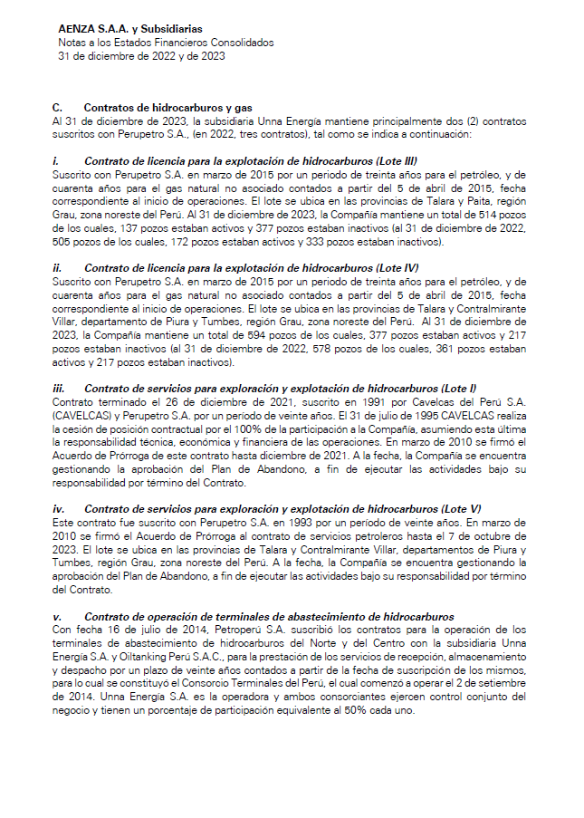
 |  |  |  |  |  |  |  |  |  |  |  |  |  |  |  |  |  |  |  |  |  |  | Inmobiliario

 |  |  | 38% |  |  |  |  |  |  |  |  |  |  |  |  |  |  |  |  |  |  |  | Tipo de Vivienda | Departamento
 |  |  | 28% |  |  |  |  |  |  |  |  |  |  |  |  |  |  |  |  |  |  |  | Vivienda Social en Lima | Lima
 |  |  | 23%
 |  |  | 89% |  |  |  |  |  |  |  |  |  |  |  |  |  |  |  |  |  |  |  | I& C

 |  |  |  |  |  |  |  |  |  |  |  |  |  |  |  |  |  |  |  |  |  |  | Proyecto | Departamento | Contrato | % Contrato
 |  |  |  |  |  |  |  |  |  |  |  |  |  |  |  |  |  |  |  |  |  |  | LAP | Lima | 199.00 | 48.42%
 |  |  |  |  |  |  |  |  |  |  |  |  |  |  |  |  |  |  |  |  |  |  | Parque Arauco | Lima | 30.00 | 7.30%
 |  |  |  |  |  |  |  |  |  |  |  |  |  |  |  |  |  |  |  |  |  |  | San Gabriel | Moquegua | 87.00 | 21.17%
 |  |  |  |  |  |  |  |  |  |  |  |  |  |  |  |  |  |  |  |  |  |  | Proyecto Inm | Tumbes | 95.00 | 23.11%
 |  |  |  |  |  |  |  |  |  |  |  |  |  |  |  |  |  |  |  |  |  |  |  |  | 411.00 | 100%

 |  |  |  |  |  |  |  |  |  |  |  |  |  |  |  |  |  |  |  |  |  |  | Lima | 55.72%
 |  |  |  |  |  |  |  |  |  |  |  |  |  |  |  |  |  |  |  |  |  |  | Moquegua | 21.17%
 |  |  |  |  |  |  |  |  |  |  |  |  |  |  |  |  |  |  |  |  |  |  | Tumbes | 23.11%

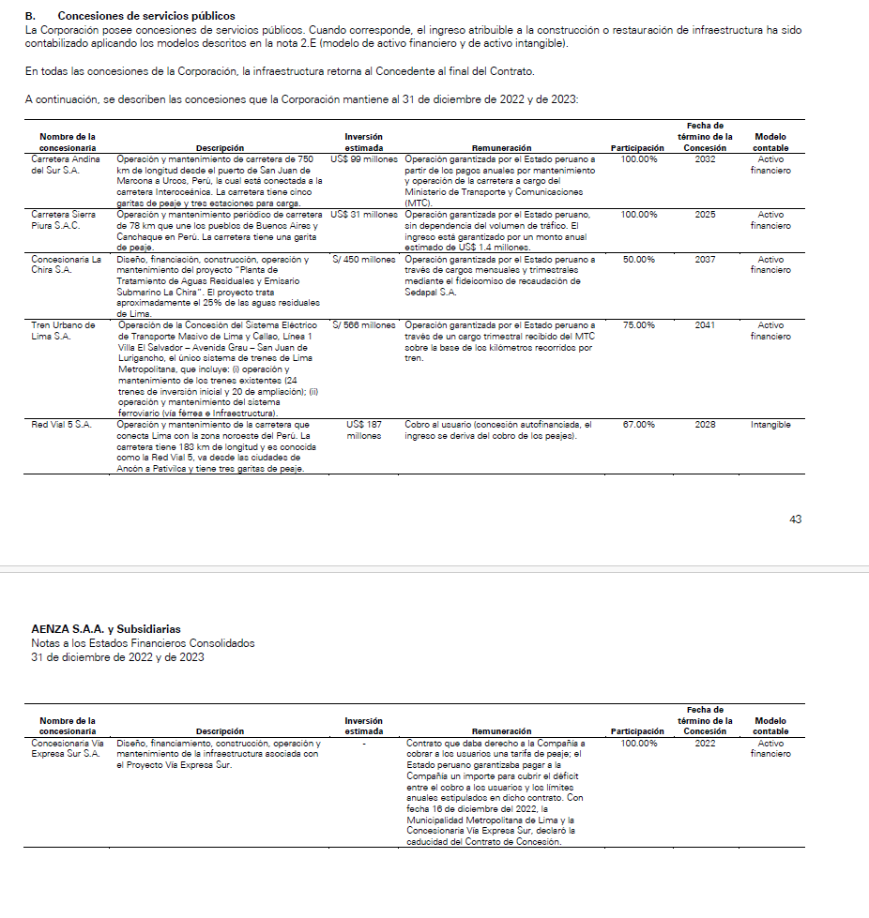

 |  |  |  |  |  |  |  |  |  |  |  |  |  |  |  |  |  |  |  |  |  | Ingenieria y Construcción

2. Alicorp
Sociedad | Activo | Departamento | Provincia | Distrito | Ubigeo | Participación %
ALICORP | PREDIO CENTRAL / CARMEN DE LA LEGUA | Callao | Callao | Carmen de la Legua Reynoso | 070103 | 5.56% | CALLAO | Mapeado
ALICORP | Molino Callao | Callao | Callao | Callao | 070101 | 5.56% | ATE | Mapeado
ALICORP | Alicorp Arequipa | Arequipa | Arequipa | Arequipa | 040101 | 5.56% | ATE | Mapeado
ALICORP | CD Piura | Piura | Piura | Piura | 200101 | 5.56% | MIRAFLORES | Mapeado
ALICORP | CD Huachipa | Lima | Lima | Lurigancho | 150118 | 5.56% | PAITA | Mapeado
ALICORP | Oficina Miraflores | Lima | Lima | Miraflores | 150122 | 5.56% | EL CENEPA | Mapeado
ALICORP | Alicorp AV. Industrial Lurin | Lima | Lima | Lurin | 150119 | 5.56% | PIURA | Mapeado
ALICORP | CD Chiclayo | Lambayeque | Chiclayo | Chiclayo | 140101 | 5.56% | LURIN | Mapeado
ALICORP | CD Ransa | Callao | Callao | Callao | 070101 | 5.56% | LURIN | Mapeado
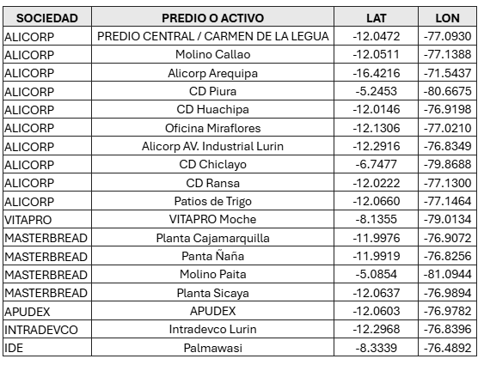
ALICORP | Patios de Trigo | Callao | Callao | Callao | 070101 | 5.56% | CARMEN DE LA LEGUA REYNOSO | Mapeado
VITAPRO | VITAPRO Moche | La Libertad | Trujillo | Moche | 130107 | 5.56% | MOCHE | Mapeado
MASTERBREAD | Planta Cajamarquilla | Lima | Lima | Lurigancho | 150118 | 5.56% | CHACLACAYO | Mapeado
MASTERBREAD | Panta Ñaña | Lima | Lima | Chaclacayo | 150107 | 5.56% | LURIGANCHO | Mapeado
MASTERBREAD | Molino Paita | Piura | Paita | Paita | 200501 | 5.56% | LURIGANCHO | Mapeado
MASTERBREAD | Planta Sicaya | Lima | Lima | Ate | 150103 | 5.56% | AREQUIPA | Mapeado
APUDEX | APUDEX | Lima | Lima | Ate | 150103 | 5.56% | CHICLAYO | Mapeado
INTRADEVCO | Intradevco Lurin | Lima | Lima | Lurin | 150119 | 5.56%
IDE | Palmawasi | Amazonas | Condorcanqui | El Cenepa | 010402 | 5.56%
 |  |  |  |  | Total | 100.00%

3. Auna
Metodología La distribución distrital se basa en dos principios: alineación con información oficial y criterios objetivos.
Ancla en datos auditados: Se utilizan los ingresos reportados por Auna en 2Q25 (Oncosalud: S/ 286 MM; Servicios de Salud: S/ 269 MM), según la nota de segmentos el earnings report al 2Q2025.
Asignación por infraestructura oficial: Ante la falta de ingresos por sede en fuentes públicas, se emplea la red de establecimientos publicada por Auna/Oncosalud, clasificando cada sede según su tipología oficial.
Pesos tipológicos como proxy de complejidad: La capacidad de generar ingresos está directamente relacionada con la complejidad asistencial. Por ello, se asignan pesos proporcionales:
Clínica Auna = 3 (hospitalización, cirugías, UCI)
Centro Médico = 1 (consultas ambulatorias)
Centro de Bienestar = 0.5 (chequeos preventivos)
Clínicas Oncológicas: Hospitalaria = 3; Ambulatoria/Radioncología = 2 Esta escala refleja diferencias reales en infraestructura y ticket promedio.
Proceso transparente: Los pesos se normalizan por distrito dentro de cada segmento y se asignan los montos ancla proporcionalmente.
 |  |  |  |  |  |  |  |  |  | S/ MM
 |  |  |  |  |  |  |  |  | Servicios de Salud | 269.00
 |  |  |  |  |  |  |  |  | Oncosalud | 286.00

Sede | Departamento | Provincia | Distrito | Tipo | Segmento | Peso Servicios | Peso Oncosalud
Clínica Delgado Auna | Lima | Lima | Miraflores | Clínica Auna | Servicios | 3 | 0
Clínica Auna Arequipa (Vallesur) | Arequipa | Arequipa | Arequipa | Clínica Auna | Servicios | 3 | 0
Clínica Auna Piura (Miraflores, Castilla) | Piura | Piura | Castilla | Clínica Auna | Servicios | 3 | 0
Clínica Auna Bellavista | Callao | Callao | Bellavista | Clínica Auna | Servicios | 3 | 0
Clínica Auna Guardia Civil | Lima | Lima | San Isidro | Clínica Auna | Servicios | 3 | 0
Clínica Auna Chiclayo | Lambayeque | Chiclayo | Chiclayo | Clínica Auna | Servicios | 3 | 0
Clínica Auna Trujillo (Camino Real) | La Libertad | Trujillo | Trujillo | Clínica Auna | Servicios | 3 | 0
Centro Médico Auna Servimédicos (Chiclayo) | Lambayeque | Chiclayo | Chiclayo | Centro Médico | Servicios | 1 | 0
Centro Médico Auna Piura (Parque Infantil) | Piura | Piura | Piura | Centro Médico | Servicios | 1 | 0
Centro de Bienestar Auna - Benavides | Lima | Lima | Miraflores | Centros de Bienestar | Servicios | 0.5 | 0
Centro de Bienestar Auna - Independencia | Lima | Lima | Miraflores | Centros de Bienestar | Servicios | 0.5 | 0
Oncocenter Radioncología - San Isidro | Lima | Lima | San Isidro | Clínicas Oncológicas | Oncosalud | 0 | 2
Clínicas Oncosalud - Sede Hospitalaria (Guardia Civil 227) | Lima | Lima | San Borja | Clínicas Oncológicas | Oncosalud | 0 | 3
Clínicas Oncosalud - Sede Ambulatoria (Guardia Civil 571) | Lima | Lima | San Borja | Clínicas Oncológicas | Oncosalud | 0 | 2
Centro de Medicina Física y Rehabilitación - Magdalena del Mar | Lima | Lima | Magdalena del Mar | Centro de Medicina Física y Rehabilitación | Servicios | 1 | 0

Cálculo Servicios |  |  |  |  |  |  | Cálculo Oncosalud
Departamento | Provincia | Distrito | Peso Distrito | Peso % | Asignación S/ MM |  | Departamento | Provincia | Distrito | Peso Distrito | Peso % | Asignación S/ MM
Lima | Lima | Miraflores | 4 | 16.0% | 43.04 |  | Lima | Lima | San Isidro | 2 | 28.6% | 81.71
Arequipa | Arequipa | Arequipa | 3 | 12.0% | 32.28 |  | Lima | Lima | San Borja | 5 | 71.4% | 204.29
Piura | Piura | Castilla | 3 | 12.0% | 32.28
Callao | Callao | Bellavista | 3 | 12.0% | 32.28
Lima | Lima | San Isidro | 3 | 12.0% | 32.28
Lambayeque | Chiclayo | Chiclayo | 4 | 16.0% | 43.04
La Libertad | Trujillo | Trujillo | 3 | 12.0% | 32.28
Piura | Piura | Piura | 1 | 4.0% | 10.76
Lima | Lima | Magdalena del Mar | 1 | 4.0% | 10.76

Tomar en consideración que no habrá score a nivel de riesgo de sequías severo, para estos distritos, esto ya que han sido excluídos de la metodología de CENEPRED al no considerar la costa peruana.
Consolidado
Departamento | Provincia | Distrito | Asignación S/ MM | Distribución (%) | Inundación | Movimientos de Masa | Sequía severa | Ubigeo
Lima | Lima | Miraflores | 43.04 | 7.8% | Alto | Bajo | - | 150122
Arequipa | Arequipa | Arequipa | 32.28 | 5.8% | Muy alto | Bajo | - | 040101
Piura | Piura | Castilla | 32.28 | 5.8% | Muy alto | Bajo | - | 200104
Callao | Callao | Bellavista | 32.28 | 5.8% | Alto | Muy bajo | - | 070102
Lima | Lima | San Isidro | 113.99 | 20.5% | Alto | Muy bajo | - | 150131
Lambayeque | Chiclayo | Chiclayo | 43.04 | 7.8% | Alto | Muy bajo | - | 140101
La Libertad | Trujillo | Trujillo | 32.28 | 5.8% | Muy alto | Muy bajo | - | 130101
Piura | Piura | Piura | 10.76 | 1.9% | Muy alto | Muy bajo | - | 200101
Lima | Lima | Magdalena del Mar | 10.76 | 1.9% | Alto | Bajo | - | 150120
Lima | Lima | San Borja | 204.29 | 36.8% | Bajo | Muy bajo | - | 150130

4. Buenaventura
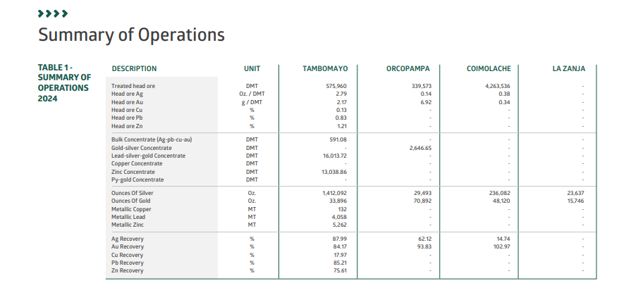
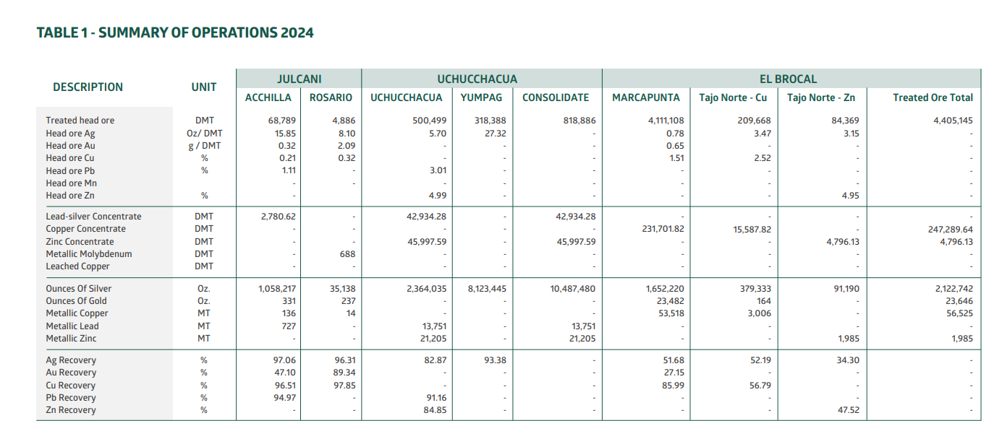
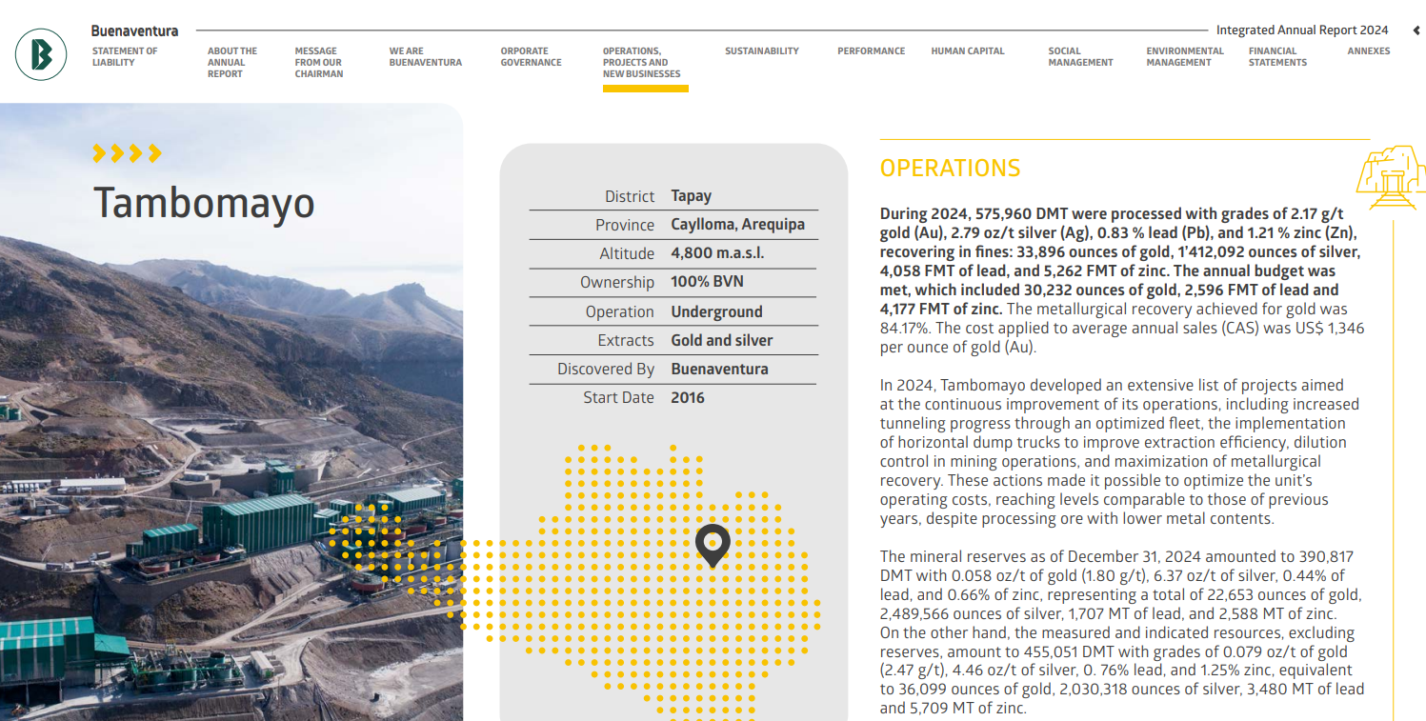
Mina | Tipo | País | Departamento/Estado | Provincia | Distrito/Ciudad | Fuente | Mineral Tratado (000 TM) | % Mineral Tratado
Tambomayo | Subterránea | Perú | Arequipa | Caylloma | Tapay | https://buenaventura.com/wp-content/uploads/2025/03/Memoria-Anual-Integrada-BVN-2024_vf.pdf#page=155 | 575.96 | 5%
Orcopampa | Subterránea | Perú | Arequipa | Castilla | Orcopampa | https://buenaventura.com/wp-content/uploads/2025/03/Memoria-Anual-Integrada-BVN-2024_vf.pdf#page=179 | 339.57 | 3%
Coimolache/Tantahuatay | Tajo abierto | Perú | Cajamarca | Hualgayoc | Hualgayoc | https://buenaventura.com/wp-content/uploads/2025/03/Memoria-Anual-Integrada-BVN-2024_vf.pdf#page=195 | 4,263.54 | 41%
La Zanja | Tajo abierto | Perú | Cajamarca | Santa Cruz | Pulan | https://buenaventura.com/wp-content/uploads/2025/03/Memoria-Anual-Integrada-BVN-2024_vf.pdf#page=209 | - | 0% |  | No hubo mineral tratado, la operación se limito a lixiviación de pad (Tratamiento de relaves)
Uchucchacua | Subterránea | Perú | Lima | Oyon | Oyon | https://buenaventura.com/wp-content/uploads/2025/03/Memoria-Anual-Integrada-BVN-2024_vf.pdf#page=223 | 500.50 | 5%
Yumpag | Subterránea | Perú | Lima | Oyon | Oyon | https://buenaventura.com/wp-content/uploads/2025/03/Memoria-Anual-Integrada-BVN-2024_vf.pdf#page=223 | 318.39 | 3%
Julcani - Acchilla | Subterránea | Perú | Huancavelica | Angaraes | Ccochaccasa | https://buenaventura.com/wp-content/uploads/2025/03/Memoria-Anual-Integrada-BVN-2024_vf.pdf#page=247 | 68.79 | 1%
Julcani - Rosario | Subterránea | Perú | Huancavelica | Angaraes | Ccochaccasa | https://buenaventura.com/wp-content/uploads/2025/03/Memoria-Anual-Integrada-BVN-2024_vf.pdf#page=247 | 43.40 | 0%
Brocal - Tajo Norte (Plomo/Zinc) | Tajo abierto | Perú | Pasco | Pasco | Tinyahuarco | https://buenaventura.com/wp-content/uploads/2025/03/Memoria-Anual-Integrada-BVN-2024_vf.pdf#page=265 | 84.37 | 1%
Brocal - Tajo Norte (Cobre) | Tajo abierto | Perú | Pasco | Pasco | Tinyahuarco | https://buenaventura.com/wp-content/uploads/2025/03/Memoria-Anual-Integrada-BVN-2024_vf.pdf#page=265 | 209.67 | 2%
Brocal - Marcapunta Norte | Subterránea | Perú | Pasco | Pasco | Tinyahuarco | https://buenaventura.com/wp-content/uploads/2025/03/Memoria-Anual-Integrada-BVN-2024_vf.pdf#page=265 | 4,111.11 | 39%
Total |  |  |  |  |  |  | 10,515.29 | 100,0%

 |  | Distribución de activos por distrito
 |  | Departamento | Provincia | Distrito | % Porcentaje | Inundación | Movimientos de Masa | Sequía severa | Ubigeo
 |  | Arequipa | Caylloma | Tapay | 5.5% | Bajo | Alto | Medio | 040516 |  | Tapay
 |  | Arequipa | Castilla | Orcopampa | 3.2% | Medio | Alto | Alto | 040409 |  | Orcopampa
 |  | Cajamarca | Hualgayoc | Hualgayoc | 40.5% | Bajo | Alto | Medio | 060703 |  | Hualgayoc
 |  | Lima | Oyon | Oyon | 7.8% | Medio | Muy alto | Medio | 150901
 |  | Pasco | Pasco | Tinyahuarco | 41.9% | Medio | Alto | Medio | 190111 |  | Oyon
 |  | Huancavelica | Angaraes | Ccochaccasa | 1.1% | Bajo | Alto | Medio | 090304 |  | Ccochaccasa
 |  |  |  |  |  |  |  |  |  |  | Tinyahuarco

5. BBVA
Distribución
Departamento | Provincia | Distrito | Total Créditos | Total Oficinas | % Porcentaje Oficinas | % Porcentaje Créditos | Inundación | Movimientos de Masa | Sequía severa | Ubigeo |  |  |  | % de distritos distribuidos por riesgos
Lima | Lima | San Isidro | 28,754,422 | 10 | 3.68% | 36.42% | Alto | Muy bajo | - | 150131 | no |  |  | Inundación | Movimientos de Masa | Sequía severa
Lima | Lima | Miraflores | 5,145,134 | 14 | 5.15% | 6.52% | Alto | Bajo | - | 150122 | no |  | Muy alto | 13% | 12% | 1%
Lima | Lima | Santiago de Surco | 4,213,944 | 14 | 5.15% | 5.34% | Medio | Muy bajo | - | 150140 | no |  | Alto | 40% | 30% | 6%
Lima | Lima | Lima | 2,717,850 | 12 | 4.41% | 3.44% | Alto | Bajo | - | 150101 | no |  | Medio | 30% | 20% | 16%
La Libertad | Trujillo | Trujillo | 2,292,895 | 8 | 2.94% | 2.90% | Muy alto | Muy bajo | - | 130101 | no |  | Bajo | 15% | 16% | 17%
Lima | Lima | Magdalena del Mar | 2,282,379 | 4 | 1.47% | 2.89% | Alto | Bajo | - | 150120 | no |  | Muy Bajo | 2% | 22% | 0%
Tomar en consideración que no habrá score a nivel de riesgo de sequías severo, para los distritos resaltados, esto ya que han sido excluídos de la metodología de CENEPRED al no considerar la costa peruana.
Lima | Lima | La Molina | 2,152,229 | 7 | 2.57% | 2.73% | Medio | Alto | - | 150114 | no
Lima | Lima | San Borja | 1,653,970 | 8 | 2.94% | 2.10% | Bajo | Muy bajo | - | 150130 | no
Lima | Lima | Jesus Maria | 1,348,875 | 6 | 2.21% | 1.71% | Alto | Muy bajo | - | 150113 | no
Lambayeque | Chiclayo | Chiclayo | 1,338,548 | 4 | 1.47% | 1.70% | Alto | Muy bajo | - | 140101 | no
Piura | Piura | Piura | 1,335,389 | 4 | 1.47% | 1.69% | Muy alto | Muy bajo | - | 200101 | no
Arequipa | Arequipa | Arequipa | 1,272,043 | 4 | 1.47% | 1.61% | Muy alto | Bajo | - | 040101 | no
Callao | Callao | Callao | 1,209,625 | 7 | 2.57% | 1.53% | Muy alto | Muy bajo | - | 070101 | no |  |  |  |  |  |  |  |  |  |  |  |  |  |  |  |  |  |  | -
Lima | Lima | La Victoria | 1,197,781 | 10 | 3.68% | 1.52% | Medio | Muy bajo | - | 150115 | no |  |  | Inundación |  |  |  |  |  |  |  | Movimientos de Masa |  |  |  |  |  |  |  | Sequía Severa
Lima | Lima | San Miguel | 1,099,241 | 7 | 2.57% | 1.39% | Alto | Muy bajo | - | 150136 | no |  |  | Muy alto | Alto | Medio | Bajo | Muy Bajo | % Activos |  |  | Muy alto | Alto | Medio | Bajo | Muy Bajo | % Activos |  |  | Sin Metodología | Muy alto | Alto | Medio | Bajo | Muy Bajo | % Activos
Lima | Lima | Independencia | 819,773 | 4 | 1.47% | 1.04% | Bajo | Muy alto | - | 150112 | no | 1 | Lima | 1.00% | 57.22% | 13.92% | 4.03% | 0.11% | 76.3% | 1 | Lima | 2.16% | 3.74% | 1.96% | 15.93% | 52.49% | 76.3% | 1 | Lima | 76.27% |  |  |  |  |  | 76.3%
Lima | Lima | Comas | 791,575 | 5 | 1.84% | 1.00% | Medio | Medio | - | 150110 | no | 2 | La Libertad | 2.90% | 0.14% |  |  |  | 3.0% | 2 | La Libertad | 0.10% |  |  | 0.04% | 2.90% | 3.0% | 2 | La Libertad | 3.05% |  |  |  |  |  | 3.0%
Cusco | Cusco | Cusco | 768,690 | 4 | 1.47% | 0.97% | Bajo | Alto | Medio | 080101 |  | 3 | Arequipa | 2.26% | 0.50% | 0.14% |  |  | 2.9% | 3 | Arequipa | 0.27% | 0.37% |  | 2.26% |  | 2.9% | 3 | Arequipa | 2.50% |  |  |  | 0.40% |  | 2.9%
Junin | Huancayo | Huancayo | 805,170 | 2 | 0.74% | 1.02% | Bajo | Alto | Medio | 120101 |  | 4 | Callao | 1.53% | 0.61% | 0.17% |  |  | 2.3% | 4 | Callao |  |  | 0.17% |  | 2.14% | 2.3% | 4 | Callao | 2.31% |  |  |  |  |  | 2.3%
Lima | Lima | San Juan de Lurigancho | 706,629 | 7 | 2.57% | 0.90% | Bajo | Muy alto | - | 150132 | no | 5 | Piura | 1.93% | 0.12% |  |  |  | 2.0% | 5 | Piura |  |  | 0.07% | 0.28% | 1.69% | 2.0% | 5 | Piura | 1.90% |  |  |  | 0.15% |  | 2.0%
Lima | Lima | Los Olivos | 702,440 | 6 | 2.21% | 0.89% | Alto | Muy bajo | - | 150117 | no | 6 | Lambayeque |  | 1.89% |  |  |  | 1.9% | 6 | Lambayeque |  |  |  |  | 1.89% | 1.9% | 6 | Lambayeque | 1.89% |  |  |  |  |  | 1.9%
Lima | Lima | San Martin de Porres | 687,268 | 4 | 1.47% | 0.87% | Muy alto | Bajo | - | 150135 | no | 7 | Junin |  |  | 0.13% | 1.62% |  | 1.8% | 7 | Junin | 0.32% | 1.43% |  |  |  | 1.8% | 7 | Junin |  | 0.07% | 0.08% | 1.38% | 0.23% |  | 1.8%
Lima | Lima | Pueblo Libre | 669,127 | 3 | 1.10% | 0.85% | Alto | Muy bajo | - | 150121 | no | 8 | Ica | 0.78% | 0.60% |  |  |  | 1.4% | 8 | Ica |  | 0.60% | 0.15% |  | 0.62% | 1.4% | 8 | Ica | 1.38% |  |  |  |  |  | 1.4%
Lima | Lima | Ate | 627,253 | 6 | 2.21% | 0.79% | Medio | Alto | - | 150103 | no | 9 | Cusco |  | 0.19% | 0.07% | 1.18% |  | 1.4% | 9 | Cusco |  | 1.18% | 0.25% |  |  | 1.4% | 9 | Cusco |  |  | 0.19% | 1.13% | 0.12% |  | 1.4%
Lima | Lima | San Juan de Miraflores | 511,916 | 3 | 1.10% | 0.65% | Medio | Bajo | - | 150133 | no | 10 | Cajamarca |  | 0.56% | 0.55% |  |  | 1.1% | 10 | Cajamarca |  | 1.11% |  |  |  | 1.1% | 10 | Cajamarca |  |  |  | 0.74% | 0.37% |  | 1.1%
Lima | Lima | Chorrillos | 508,101 | 4 | 1.47% | 0.64% | Alto | Bajo | - | 150108 | no | 11 | San Martin |  | 0.88% | 0.11% |  |  | 1.0% | 11 | San Martin |  | 0.88% | 0.11% |  |  | 1.0% | 11 | San Martin |  |  |  | 0.08% | 0.91% |  | 1.0%
Ica | Ica | Ica | 492,187 | 2 | 0.74% | 0.62% | Muy alto | Muy bajo | - | 110101 | no | 12 | Ancash |  | 0.42% | 0.44% |  |  | 0.9% | 12 | Ancash | 0.42% | 0.29% |  | 0.15% |  | 0.9% | 12 | Ancash | 0.15% |  | 0.29% | 0.42% |  |  | 0.9%
Loreto | Maynas | Iquitos | 514,106 | 2 | 0.74% | 0.65% | Alto | Medio | Bajo | 160101 |  | 13 | Loreto |  | 0.65% | 0.16% |  |  | 0.8% | 13 | Loreto |  |  | 0.81% |  |  | 0.8% | 13 | Loreto |  |  |  |  | 0.81% |  | 0.8%
Ica | Chincha | Chincha Alta | 475,262 | 1 | 0.37% | 0.60% | Alto | Alto | - | 110201 | no | 14 | Puno |  |  | 0.16% |  | 0.50% | 0.7% | 14 | Puno |  | 0.16% | 0.50% |  |  | 0.7% | 14 | Puno |  |  | 0.50% | 0.16% |  |  | 0.7%
Lima | Lima | Lince | 442,520 | 2 | 0.74% | 0.56% | Alto | Muy bajo | - | 150116 | no | 15 | Ucayali | 0.12% | 0.31% |  |  |  | 0.4% | 15 | Ucayali |  | 0.31% |  |  | 0.12% | 0.4% | 15 | Ucayali |  |  |  |  | 0.43% |  | 0.4%
Lima | Lima | Santa Anita | 433,656 | 3 | 1.10% | 0.55% | Alto | Bajo | - | 150137 | no | 16 | Huanuco |  |  | 0.59% |  |  | 0.6% | 16 | Huanuco |  | 0.59% |  |  |  | 0.6% | 16 | Huanuco |  |  | 0.45% |  | 0.14% |  | 0.6%
Cajamarca | Cajamarca | Cajamarca | 442,175 | 2 | 0.74% | 0.56% | Alto | Alto | Medio | 060101 |  | 17 | Tacna |  |  | 0.42% |  |  | 0.4% | 17 | Tacna |  |  | 0.42% |  |  | 0.4% | 17 | Tacna | 0.42% |  |  |  |  |  | 0.4%
Arequipa | Arequipa | Yanahuara | 403,129 | 2 | 0.74% | 0.51% | Muy alto | Bajo | - | 040126 | no | 18 | Apurimac |  |  | 0.14% | 0.08% |  | 0.2% | 18 | Apurimac |  | 0.08% | 0.14% |  |  | 0.2% | 18 | Apurimac |  |  |  | 0.22% |  |  | 0.2%
Callao | Callao | La Perla | 393,988 | 1 | 0.37% | 0.50% | Alto | Muy bajo | - | 070104 | no | 19 | Ayacucho |  |  | 0.17% |  |  | 0.2% | 19 | Ayacucho |  | 0.17% |  |  |  | 0.2% | 19 | Ayacucho |  |  | 0.17% |  |  |  | 0.2%
San Martin | San Martin | Tarapoto | 430,595 | 2 | 0.74% | 0.55% | Alto | Alto | Bajo | 220901 |  | 20 | Pasco |  |  |  | 0.16% |  | 0.2% | 20 | Pasco |  | 0.16% |  |  |  | 0.2% | 20 | Pasco |  |  |  | 0.16% |  |  | 0.2%
Lima | Lima | Barranco | 380,249 | 2 | 0.74% | 0.48% | Alto | Muy bajo | - | 150104 | no | 21 | Moquegua |  | 0.07% |  | 0.09% |  | 0.2% | 21 | Moquegua |  | 0.16% |  |  |  | 0.2% | 21 | Moquegua | 0.16% |  |  |  |  |  | 0.2%
Ucayali | Coronel Portillo | Calleria | 245,472 | 2 | 0.74% | 0.31% | Alto | Alto | Bajo | 250101 |  | 22 | Amazonas |  |  | 0.13% |  |  | 0.1% | 22 | Amazonas | 0.13% |  |  |  |  | 0.1% | 22 | Amazonas |  |  |  | 0.13% |  |  | 0.1%
Puno | San Roman | Juliaca | 395,249 | 2 | 0.74% | 0.50% | Muy bajo | Medio | Alto | 211101 |  | 23 | Madre de Dios |  |  |  | 0.13% |  | 0.1% | 23 | Madre de Dios |  |  | 0.13% |  |  | 0.1% | 23 | Madre de Dios |  |  |  |  | 0.13% |  | 0.1%
Lima | Lima | Villa El Salvador | 343,294 | 3 | 1.10% | 0.43% | Medio | Muy bajo | - | 150142 | no | 24 | Tumbes | 0.12% |  |  |  |  | 0.1% | 24 | Tumbes |  |  | 0.12% |  |  | 0.1% | 24 | Tumbes |  |  | 0.12% |  |  |  | 0.1%
Ancash | Santa | Chimbote | 334,088 | 2 | 0.74% | 0.42% | Alto | Muy alto | Medio | 021801 |  | 25 | Huancavelica |  |  |  |  |  | 0.0% | 25 | Huancavelica |  |  |  |  |  | 0.0% | 25 | Huancavelica |  |  |  |  |  |  | 0.0%
Tacna | Tacna | Tacna | 330,321 | 2 | 0.74% | 0.42% | Medio | Medio | - | 230101 | no
Huanuco | Huanuco | Huanuco | 355,337 | 2 | 0.74% | 0.45% | Medio | Alto | Alto | 100101 |  |  | Perú | 10.64% | 64.17% | 17.30% | 7.28% | 0.61% | 100.00% |  | Perú | 3.40% | 11.24% | 4.84% | 18.66% | 61.86% | 100.00% |  | Perú | 90.03% | 0.07% | 1.80% | 4.41% | 3.69% | 0.00% | 100.00%
Cusco | Cusco | Wanchaq | 146,725 | 2 | 0.74% | 0.19% | Alto | Medio | Alto | 080108
Lima | Lima | Surquillo | 288,272 | 2 | 0.74% | 0.37% | Alto | Muy bajo | - | 150141 | no
Lima | Lima | Breña | 241,246 | 2 | 0.74% | 0.31% | Medio | Muy bajo | - | 150105 | no |  |  | Inundación |  |  |  |  |  |  |  | Movimientos de Masa |  |  |  |  |  |  |  | Sequía Severa
Cajamarca | Jaen | Jaen | 293,849 | 1 | 0.37% | 0.37% | Medio | Alto | Bajo | 060801 |  |  |  | Muy alto | Alto | Medio | Bajo | Muy Bajo | % Oficinas |  |  | Muy alto | Alto | Medio | Bajo | Muy Bajo | % Oficinas |  |  | Sin Metodología | Muy alto | Alto | Medio | Bajo | Muy Bajo | % Oficinas
Lima | Lima | Puente Piedra | 215,312 | 1 | 0.37% | 0.27% | Medio | Bajo | - | 150125 | no |  | Lima | 1.84% | 29.78% | 21.32% | 6.99% | 0.37% | 60.3% | 1 | Lima | 4.78% | 5.51% | 4.41% | 17.28% | 28.31% | 60.3% | 1 | Lima | 60.29% |  |  |  |  |  | 60.3%
Lima | Huaura | Huacho | 203,805 | 1 | 0.37% | 0.26% | Medio | Medio | - | 150801 | no |  | La Libertad | 2.94% | 1.10% |  |  |  | 4.0% | 2 | La Libertad | 0.74% |  |  | 0.37% | 2.94% | 4.0% | 2 | La Libertad | 3.68% |  |  | 0.37% |  |  | 4.0%
Ancash | Huaraz | Huaraz | 229,442 | 1 | 0.37% | 0.29% | Medio | Alto | Alto | 020101 |  |  | Arequipa | 2.57% | 1.84% | 0.37% |  |  | 4.8% | 3 | Arequipa | 0.74% | 1.47% |  | 2.57% |  | 4.8% | 3 | Arequipa | 3.68% |  |  |  | 1.10% |  | 4.8%
Junin | Huancayo | El Tambo | 146,077 | 1 | 0.37% | 0.19% | Bajo | Alto | Medio | 120114 |  |  | Callao | 2.57% | 0.74% | 0.74% |  |  | 4.0% | 4 | Callao |  |  | 0.74% |  | 3.31% | 4.0% | 4 | Callao | 4.04% |  |  |  |  |  | 4.0%
Cajamarca | Chota | Chota | 140,950 | 1 | 0.37% | 0.18% | Medio | Alto | Medio | 060401 |  |  | Piura | 2.21% | 0.74% |  |  |  | 2.9% | 5 | Piura |  |  | 0.37% | 1.10% | 1.47% | 2.9% | 5 | Piura | 2.57% |  |  |  | 0.37% |  | 2.9%
Ayacucho | Huamanga | Ayacucho | 137,935 | 1 | 0.37% | 0.17% | Medio | Alto | Alto | 050101 |  |  | Lambayeque |  | 2.21% |  |  |  | 2.2% | 6 | Lambayeque |  |  |  |  | 2.21% | 2.2% | 6 | Lambayeque | 2.21% |  |  |  |  |  | 2.2%
Callao | Callao | Ventanilla | 133,467 | 2 | 0.74% | 0.17% | Medio | Medio | - | 070106 | no |  | Junin |  |  | 0.37% | 2.57% |  | 2.9% | 7 | Junin | 1.10% | 1.84% |  |  |  | 2.9% | 7 | Junin |  | 0.37% | 0.37% | 1.47% | 0.74% |  | 2.9%
Junin | Chanchamayo | Chanchamayo | 134,925 | 1 | 0.37% | 0.17% | Bajo | Muy alto | Medio | 120301 |  |  | Ica | 1.10% | 0.37% |  |  |  | 1.5% | 8 | Ica |  | 0.37% | 0.37% |  | 0.74% | 1.5% | 8 | Ica | 1.47% |  |  |  |  |  | 1.5%
Pasco | Pasco | Yanacancha | 129,097 | 1 | 0.37% | 0.16% | Bajo | Alto | Medio | 190113 |  |  | Cusco |  | 0.74% | 0.37% | 2.21% |  | 3.3% | 9 | Cusco |  | 2.21% | 1.10% |  |  | 3.3% | 9 | Cusco |  |  | 0.74% | 2.21% | 0.37% |  | 3.3%
Lima | Barranca | Barranca | 127,104 | 1 | 0.37% | 0.16% | Alto | Medio | - | 150201 | no |  | Cajamarca |  | 0.74% | 0.74% |  |  | 1.5% | 10 | Cajamarca |  | 1.47% |  |  |  | 1.5% | 10 | Cajamarca |  |  |  | 1.10% | 0.37% |  | 1.5%
Lima | Lima | Lurin | 125,100 | 1 | 0.37% | 0.16% | Medio | Medio | - | 150119 | no |  | San Martin |  | 1.84% | 0.37% |  |  | 2.2% | 11 | San Martin |  | 1.84% | 0.37% |  |  | 2.2% | 11 | San Martin |  |  |  | 0.37% | 1.84% |  | 2.2%
Puno | Puno | Puno | 128,279 | 1 | 0.37% | 0.16% | Medio | Alto | Medio | 210101 |  |  | Ancash |  | 0.74% | 0.74% |  |  | 1.5% | 12 | Ancash | 0.74% | 0.37% |  | 0.37% |  | 1.5% | 12 | Ancash | 0.37% |  | 0.37% | 0.74% |  |  | 1.5%
San Martin | Moyobamba | Moyobamba | 124,090 | 1 | 0.37% | 0.16% | Alto | Alto | Bajo | 220101 |  |  | Loreto |  | 0.74% | 0.37% |  |  | 1.1% | 13 | Loreto |  |  | 1.10% |  |  | 1.1% | 13 | Loreto |  |  |  |  | 1.10% |  | 1.1%
Ica | Pisco | Pisco | 122,132 | 1 | 0.37% | 0.15% | Muy alto | Medio | - | 110501 | no |  | Puno |  |  | 0.37% |  | 0.74% | 1.1% | 14 | Puno |  | 0.37% | 0.74% |  |  | 1.1% | 14 | Puno |  |  | 0.74% | 0.37% |  |  | 1.1%
Loreto | Alto Amazonas | Yurimaguas | 122,555 | 1 | 0.37% | 0.16% | Medio | Medio | Bajo | 160201 |  |  | Ucayali | 0.37% | 0.74% |  |  |  | 1.1% | 15 | Ucayali |  | 0.74% |  |  | 0.37% | 1.1% | 15 | Ucayali |  |  |  |  | 1.10% |  | 1.1%
Piura | Sullana | Sullana | 120,687 | 1 | 0.37% | 0.15% | Muy alto | Bajo | Bajo | 200601 |  |  | Huanuco |  |  | 1.10% |  |  | 1.1% | 16 | Huanuco |  | 1.10% |  |  |  | 1.1% | 16 | Huanuco |  |  | 0.74% |  | 0.37% |  | 1.1%
Ancash | Santa | Nuevo Chimbote | 116,138 | 1 | 0.37% | 0.15% | Medio | Bajo | - | 021809 | no |  | Tacna |  |  | 0.74% |  |  | 0.7% | 17 | Tacna |  |  | 0.74% |  |  | 0.7% | 17 | Tacna | 0.74% |  |  |  |  |  | 0.7%
Arequipa | Arequipa | Miraflores | 112,220 | 1 | 0.37% | 0.14% | Medio | Muy alto | Bajo | 040110 |  |  | Apurimac |  |  | 0.74% | 0.37% |  | 1.1% | 18 | Apurimac |  | 0.37% | 0.74% |  |  | 1.1% | 18 | Apurimac |  |  |  | 1.10% |  |  | 1.1%
Arequipa | Arequipa | Jose Luis Bustamante y Rivero | 108,921 | 1 | 0.37% | 0.14% | Muy alto | Bajo | - | 040129 | no |  | Ayacucho |  |  | 0.37% |  |  | 0.4% | 19 | Ayacucho |  | 0.37% |  |  |  | 0.4% | 19 | Ayacucho |  |  | 0.37% |  |  |  | 0.4%
Arequipa | Arequipa | Cerro Colorado | 106,641 | 1 | 0.37% | 0.14% | Alto | Alto | Bajo | 040104 |  |  | Pasco |  |  |  | 0.37% |  | 0.4% | 20 | Pasco |  | 0.37% |  |  |  | 0.4% | 20 | Pasco |  |  |  | 0.37% |  |  | 0.4%
Junin | Satipo | Satipo | 105,418 | 1 | 0.37% | 0.13% | Medio | Alto | Bajo | 120601 |  |  | Moquegua |  | 0.37% |  | 0.37% |  | 0.7% | 21 | Moquegua |  | 0.74% |  |  |  | 0.7% | 21 | Moquegua | 0.74% |  |  |  |  |  | 0.7%
Lima | Lima | Carabayllo | 104,404 | 1 | 0.37% | 0.13% | Medio | Muy alto | - | 150106 | no |  | Amazonas |  |  | 0.37% |  |  | 0.4% | 22 | Amazonas | 0.37% |  |  |  |  | 0.4% | 22 | Amazonas |  |  |  | 0.37% |  |  | 0.4%
Lima | Lima | San Luis | 100,844 | 2 | 0.74% | 0.13% | Medio | Muy bajo | - | 150134 | no |  | Madre de Dios |  |  |  | 0.37% |  | 0.4% | 23 | Madre de Dios |  |  | 0.37% |  |  | 0.4% | 23 | Madre de Dios |  |  |  |  | 0.37% |  | 0.4%
Lima | Lima | Rimac | 99,928 | 1 | 0.37% | 0.13% | Medio | Medio | - | 150128 | no |  | Tumbes | 0.37% |  |  |  |  | 0.4% | 24 | Tumbes |  |  | 0.37% |  |  | 0.4% | 24 | Tumbes |  |  | 0.37% |  |  |  | 0.4%
Lima | Cañete | San Vicente de Cañete | 98,688 | 1 | 0.37% | 0.13% | Muy alto | Medio | - | 150501 | no |  | Huancavelica |  |  |  |  |  | 0.0% | 25 | Huancavelica |  |  |  |  |  | 0.0% | 25 | Huancavelica |  |  |  |  |  |  | 0.0%
Lambayeque | Lambayeque | Lambayeque | 98,262 | 1 | 0.37% | 0.12% | Alto | Muy bajo | - | 140301 | no
Amazonas | Utcubamba | Bagua Grande | 101,270 | 1 | 0.37% | 0.13% | Medio | Muy alto | Medio | 010701 |  |  | Perú | 13.97% | 42.65% | 29.04% | 13.24% | 1.10% | 100.00% |  | Perú | 8.46% | 19.12% | 11.40% | 21.69% | 39.34% | 100.00% |  | Perú | 79.78% | 0.37% | 3.68% | 8.46% | 7.72% | 0.00% | 100.00%
Huanuco | Leoncio Prado | Rupa-Rupa | 108,393 | 1 | 0.37% | 0.14% | Medio | Alto | Bajo | 100601
Ucayali | Coronel Portillo | Yarinacocha | 92,656 | 1 | 0.37% | 0.12% | Muy alto | Muy bajo | Bajo | 250105
Arequipa | Arequipa | Paucarpata | 100,494 | 1 | 0.37% | 0.13% | Alto | Muy alto | Bajo | 040112
Callao | Callao | Bellavista | 89,564 | 1 | 0.37% | 0.11% | Alto | Muy bajo | - | 070102 | no
Lima | Lima | Villa Maria del Triunfo | 89,102 | 1 | 0.37% | 0.11% | Muy bajo | Alto | - | 150143 | no
Madre de Dios | Tambopata | Tambopata | 98,715 | 1 | 0.37% | 0.13% | Bajo | Medio | Bajo | 170101
Lima | Huaral | Huaral | 87,212 | 1 | 0.37% | 0.11% | Alto | Alto | - | 150601 | no
Tumbes | Tumbes | Tumbes | 95,995 | 1 | 0.37% | 0.12% | Muy alto | Medio | Alto | 240101
Cusco | La Convencion | Santa Ana | 92,591 | 1 | 0.37% | 0.12% | Bajo | Alto | Bajo | 080901
San Martin | Rioja | Rioja | 88,357 | 1 | 0.37% | 0.11% | Medio | Medio | Bajo | 220801
La Libertad | Chepen | Chepen | 79,456 | 1 | 0.37% | 0.10% | Alto | Muy alto | - | 130401 | no
Junin | Chanchamayo | Pichanaqui | 75,107 | 1 | 0.37% | 0.10% | Bajo | Alto | Bajo | 120303
San Martin | Mariscal Caceres | Juanjui | 77,570 | 1 | 0.37% | 0.10% | Alto | Alto | Bajo | 220601
Lima | Lima | Lurigancho | 70,935 | 1 | 0.37% | 0.09% | Alto | Muy alto | - | 150118 | no
Lima | Lima | El Agustino | 70,660 | 2 | 0.74% | 0.09% | Alto | Bajo | - | 150111 | no
Piura | Piura | Castilla | 70,570 | 1 | 0.37% | 0.09% | Muy alto | Bajo | - | 200104 | no
Moquegua | Ilo | Ilo | 68,136 | 1 | 0.37% | 0.09% | Bajo | Alto | - | 180301 | no
Arequipa | Arequipa | Jacobo Hunter | 67,168 | 1 | 0.37% | 0.09% | Alto | Alto | - | 040107 | no
Apurimac | Andahuaylas | Andahuaylas | 75,049 | 1 | 0.37% | 0.10% | Medio | Medio | Medio | 030201
Cusco | Cusco | San Jeronimo | 67,136 | 1 | 0.37% | 0.09% | Bajo | Alto | Medio | 080104
Arequipa | Camana | Camana | 61,887 | 1 | 0.37% | 0.08% | Alto | Alto | - | 040201 | no
Junin | Yauli | La Oroya | 61,662 | 1 | 0.37% | 0.08% | Bajo | Muy alto | Alto | 120801
Apurimac | Abancay | Abancay | 60,291 | 1 | 0.37% | 0.08% | Bajo | Alto | Medio | 030101
Lima | Cañete | Mala | 59,982 | 1 | 0.37% | 0.08% | Medio | Medio | - | 150509 | no
Lambayeque | Chiclayo | Jose Leonardo Ortiz | 58,776 | 1 | 0.37% | 0.07% | Alto | Muy bajo | - | 140105 | no
Piura | Talara | Pariñas | 58,055 | 1 | 0.37% | 0.07% | Alto | Medio | - | 200701 | no
Junin | Tarma | Tarma | 55,502 | 1 | 0.37% | 0.07% | Bajo | Muy alto | Muy alto | 120701
Arequipa | Caylloma | Majes | 57,360 | 1 | 0.37% | 0.07% | Alto | Alto | - | 040520 | no
Moquegua | Mariscal Nieto | Moquegua | 57,102 | 1 | 0.37% | 0.07% | Alto | Alto | - | 180101 | no
San Martin | Bellavista | Bellavista | 61,270 | 1 | 0.37% | 0.08% | Alto | Alto | Medio | 220201
Cusco | Espinar | Espinar | 54,409 | 1 | 0.37% | 0.07% | Medio | Medio | Medio | 080801
Lima | Huaral | Chancay | 40,639 | 1 | 0.37% | 0.05% | Alto | Medio | - | 150605 | no
La Libertad | Pacasmayo | Pacasmayo | 34,899 | 1 | 0.37% | 0.04% | Alto | Bajo | - | 130704 | no
Apurimac | Cotabambas | Challhuahuacho | 35,151 | 1 | 0.37% | 0.04% | Medio | Medio | Medio | 030506
Piura | Paita | Paita | 33,604 | 1 | 0.37% | 0.04% | Alto | Bajo | - | 200501 | no
La Libertad | Viru | Viru | 0 | 1 | 0.37% | 0.00% | Alto | Muy alto | Medio | 131201

6. Pacasmayo
Basado en la información disponible sobre la ubicación de las plantas de Cementos Pacasmayo y su capacidad de producción, aquí está una inferencia aproximada de la distribución porcentual de la producción de cemento por departamento:
La Libertad: La planta principal de Pacasmayo en La Libertad es una de las más importantes y abastece a varios departamentos. Se estima que aproximadamente el 40% de la producción total proviene de esta planta.
Piura: La planta de Piura es moderna y tecnológicamente avanzada, abasteciendo a los departamentos de Piura y Tumbes. Se estima que alrededor del 35% de la producción total proviene de esta planta.
San Martín: La planta de Rioja en San Martín, operada por Cemento Selva, abastece a la región de la selva. Se estima que aproximadamente el 15% de la producción total proviene de esta planta.
Ancash, Lambayeque, Cajamarca, Amazonas y Tumbes: Estos departamentos son abastecidos principalmente por las plantas en La Libertad y Piura. Se estima que el 10% restante de la producción se distribuye entre estos departamentos, con una contribución menor de cada uno.
Estos porcentajes son aproximados y se basan en la capacidad de producción y la ubicación de las plantas de Cementos Pacasmayo según la Memoria Anual Integrada 2023
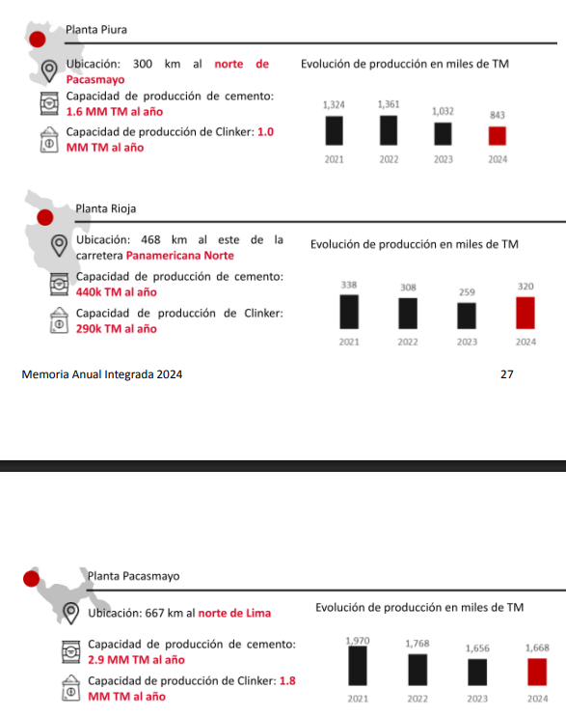

 |  |  |  | Capacidad de Producción MM TM
Planta | Departamento | Provincia | Distrito | Cemento | Clínker | % Cemento | % Clínker | Peso
Planta Pacasmayo | La Libertad | Pacasmayo | Pacasmayo | 2.9 | 1.8 | 58.7% | 58.3% | 58.5%
Planta Piura | Piura | Piura | Veintiseis de Octubre | 1.6 | 1 | 32.4% | 32.4% | 32.4%
Planta Rioja | San Martin | Rioja | Elias Soplin Vargas | 0.44 | 0.29 | 8.9% | 9.4% | 9.1%
 |  |  |  |  |  |  | Total | 100.0%

Tomar en consideración que no habrá score a nivel de riesgo de sequías severo, para los distritos resaltados, esto ya que han sido excluídos de la metodología de CENEPRED al no considerar la costa peruana.
 | Distribución de activos por distrito
 | Departamento | Provincia | Distrito | % Porcentaje | Inundación | Movimientos de Masa | Sequía severa | Ubigeo
 | La Libertad | Pacasmayo | Pacasmayo | 58.5% | Alto | Bajo | - | 130704
 | Piura | Piura | Veintiseis de Octubre | 32.4% | Alto | Muy bajo | - | 200115
 | San Martin | Rioja | Elias Soplin Vargas | 9.1% | Bajo | Alto | Bajo | 220803

 |  |  |  |  | 4 | 2 | 0 | 3.00
 |  |  |  |  | 4 | 1 | 0 | 2.50
 |  |  |  |  | 2 | 4 | 2 | 2.67

8. Credicorp
Tomar en consideración que no habrá score a nivel de riesgo de sequías severo, para los distritos resaltados, esto ya que han sido excluídos de la metodología de CENEPRED al no considerar la costa peruana.
Distribución
BCP |  |  |  |  | CREDICORP
Departamento | Provincia | Distrito | Total Créditos | Total Oficinas | Departamento | Provincia | Distrito | Total Créditos | Total Oficinas | % Porcentaje Oficinas | % Porcentaje Créditos | Inundación | Movimientos de Masa | Sequía severa | Ubigeo |  |  |  |  | % de distritos distribuidos por riesgos
Amazonas | Bagua | Bagua | 42,619 | 8 | Lima | Lima | Lima | 60,879,664 | 2 | 0.3% | 46.558% | Alto | Bajo | - | 150101 |  |  |  |  | Inundación | Movimientos de Masa | Sequía severa
Amazonas | Chachapoyas | Chachapoyas | 81,411 | 1 | Lima | Lima | San Isidro | 29,188,846 | 1 | 0.2% | 22.323% | Alto | Muy bajo | - | 150131 |  |  |  | Muy alto | 11% | 13% | 0%
Amazonas | Utcubamba | Bagua Grande | 88,385 | 1 | Lima | Lima | Miraflores | 11,129,652 | 2 | 0.3% | 8.512% | Alto | Bajo | - | 150122 |  |  |  | Alto | 32% | 43% | 15%
Ancash | Casma | Casma | 33,858 | 1 | Callao | Callao | La Punta | 3,100,072 | 1 | 0.2% | 2.371% | Alto | Muy bajo | - | 070105 |  |  |  | Medio | 30% | 18% | 25%
Ancash | Huaraz | Huaraz | 347,326 | 1 | Arequipa | Arequipa | Arequipa | 2,963,539 | 3 | 0.5% | 2.266% | Muy alto | Bajo | - | 040101 |  |  |  | Bajo | 23% | 12% | 15%
Ancash | Huaylas | Caraz | 27,251 | 1 | La Libertad | Trujillo | Trujillo | 2,660,456 | 2 | 0.3% | 2.035% | Muy alto | Muy bajo | - | 130101 |  |  |  | Muy Bajo | 4% | 15% | 0%
Ancash | Santa | Chimbote | 502,622 | 1 | Lambayeque | Chiclayo | Chiclayo | 1,593,812 | 5 | 0.8% | 1.219% | Alto | Muy bajo | - | 140101
Apurimac | Abancay | Abancay | 108,643 | 1 | Piura | Piura | Piura | 1,094,837 | 2 | 0.3% | 0.837% | Muy alto | Muy bajo | - | 200101
Apurimac | Andahuaylas | Andahuaylas | 102,172 | 1 | Puno | San Roman | Juliaca | 376,806 | 2 | 0.3% | 0.288% | Muy bajo | Medio | Alto | 211101
Arequipa | Arequipa | Arequipa | 2,868,895 | 2 | Cusco | Cusco | Cusco | 692,265 | 2 | 0.3% | 0.529% | Bajo | Alto | Medio | 080101
Arequipa | Arequipa | Cayma | 442 | 12 | Cajamarca | Cajamarca | Cajamarca | 434,260 | 2 | 0.3% | 0.332% | Alto | Alto | Medio | 060101
Arequipa | Arequipa | Cerro Colorado | 41 | 1 | Junin | Huancayo | Huancayo | 559,952 | 7 | 1.2% | 0.428% | Bajo | Alto | Medio | 120101
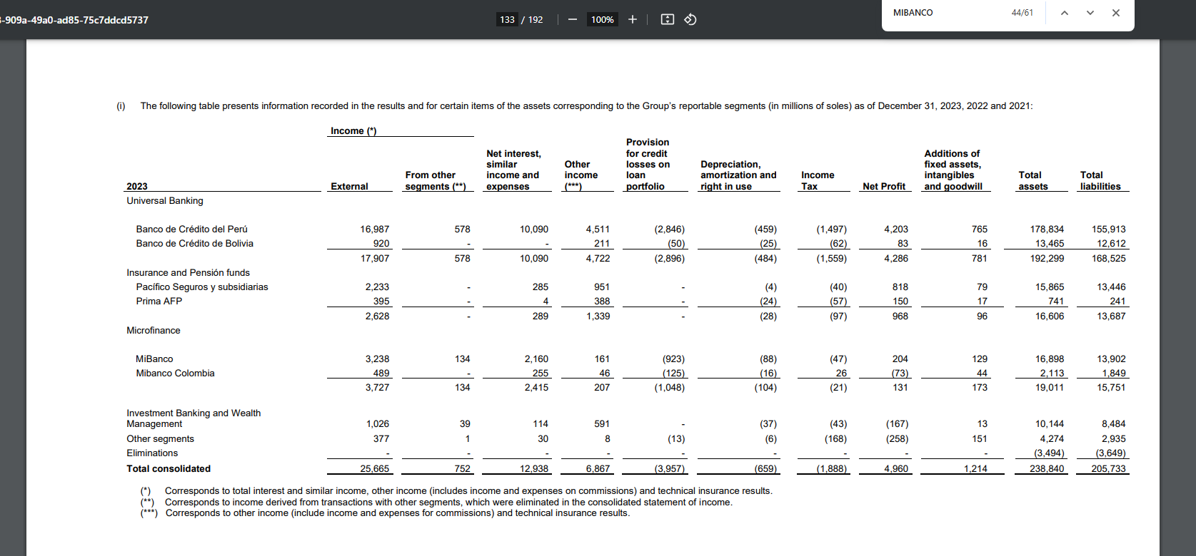
Arequipa | Arequipa | Jose Luis Bustamante y Rivero | 15 | 1 | Ancash | Santa | Chimbote | 486,068 | 2 | 0.3% | 0.372% | Alto | Muy alto | Medio | 021801 |  |  |  |  |  |  |  |  |  |  |  |  |  |  |  |  |  |  | -
Arequipa | Arequipa | Miraflores | 58 | 2 | Ica | Ica | Ica | 593,788 | 2 | 0.3% | 0.454% | Muy alto | Muy bajo | - | 110101 |  |  | Inundación |  |  |  |  |  |  |  | Movimientos de Masa |  |  |  |  |  |  |  | Sequía Severa
Arequipa | Arequipa | Paucarpata | 19 | 2 | San Martin | San Martin | Tarapoto | 379,012 | 2 | 0.3% | 0.290% | Alto | Alto | Bajo | 220901 |  |  | Muy alto | Alto | Medio | Bajo | Muy Bajo | % Activos |  |  | Muy alto | Alto | Medio | Bajo | Muy Bajo | % Activos |  |  | Sin Metodología | Muy alto | Alto | Medio | Bajo | Muy Bajo | % Activos
Arequipa | Arequipa | Socabaya | 83 | 3 | Tacna | Tacna | Tacna | 564,803 | 2 | 0.3% | 0.432% | Medio | Medio | - | 230101 | 1 | Lima | 0.22% | 78.11% | 1.49% | 0.45% | 0.21% | 80.5% | 1 | Lima | 0.44% | 0.81% | 0.69% | 55.57% | 22.96% | 80.5% | 1 | Lima | 80.42% |  | 0.05% |  |  |  | 80.5%
Arequipa | Arequipa | Jacobo Hunter | 2 | 1 | Ancash | Huaraz | Huaraz | 345,157 | 2 | 0.3% | 0.264% | Medio | Alto | Alto | 020101 | 2 | Arequipa | 2.37% | 0.37% | 0.07% | 0.00% |  | 2.8% | 2 | Arequipa | 0.04% | 0.34% | 0.04% | 2.39% |  | 2.8% | 2 | Arequipa | 2.74% |  | 0.07% |  | 0.00% |  | 2.8%
Arequipa | Arequipa | Yanahuara | 13 | 1 | Ucayali | Coronel Portillo | Calleria | 375,983 | 2 | 0.3% | 0.288% | Alto | Alto | Bajo | 250101 | 3 | La Libertad | 2.07% | 0.43% |  | 0.01% |  | 2.5% | 3 | La Libertad | 0.23% | 0.05% |  | 0.10% | 2.14% | 2.5% | 3 | La Libertad | 2.46% |  | 0.01% | 0.03% |  |  | 2.5%
Arequipa | Arequipa | Mariano Melgar | 31 | 1 | Ica | Chincha | Chincha Alta | 486,483 | 2 | 0.3% | 0.372% | Alto | Alto | - | 110201 | 4 | Callao | 0.08% | 2.37% | 0.12% |  |  | 2.6% | 4 | Callao |  |  | 0.12% |  | 2.45% | 2.6% | 4 | Callao | 2.57% |  |  |  |  |  | 2.6%
Arequipa | Camana | Camana | 36,833 | 1 | Ayacucho | Huamanga | Ayacucho | 312,213 | 2 | 0.3% | 0.239% | Medio | Alto | Alto | 050101 | 5 | Lambayeque | 0.12% | 1.60% |  |  |  | 1.7% | 5 | Lambayeque | 0.01% |  | 0.07% | 0.09% | 1.56% | 1.7% | 5 | Lambayeque | 1.64% |  |  | 0.07% | 0.01% |  | 1.7%
Arequipa | Caylloma | Majes | 36,629 | 1 | Cajamarca | Jaen | Jaen | 287,184 | 3 | 0.5% | 0.220% | Medio | Alto | Bajo | 060801 | 6 | Piura | 1.14% | 0.16% | 0.03% | 0.04% | 0.01% | 1.4% | 6 | Piura | 0.04% | 0.04% | 0.08% | 0.37% | 0.84% | 1.4% | 6 | Piura | 1.13% |  | 0.07% | 0.01% | 0.17% |  | 1.4%
Arequipa | Islay | Mollendo | 35,931 | 1 | Lima | Lima | Ate | 432,031 | 14 | 2.4% | 0.330% | Medio | Alto | - | 150103 | 7 | Ancash |  | 0.49% | 0.45% |  |  | 0.9% | 7 | Ancash | 0.44% | 0.34% | 0.06% | 0.06% | 0.03% | 0.9% | 7 | Ancash | 0.16% |  | 0.29% | 0.49% |  |  | 0.9%
Ayacucho | Huamanga | Ayacucho | 314,913 | 1 | Loreto | Maynas | Iquitos | 454,279 | 2 | 0.3% | 0.347% | Alto | Medio | Bajo | 160101 | 8 | Junin |  | 0.03% | 0.02% | 0.74% | 0.03% | 0.8% | 8 | Junin | 0.18% | 0.54% | 0.10% |  |  | 0.8% | 8 | Junin | 0.04% | 0.06% | 0.09% | 0.56% | 0.06% |  | 0.8%
Cajamarca | Cajamarca | Cajamarca | 446,257 | 1 | Huanuco | Huanuco | Huanuco | 314,010 | 2 | 0.3% | 0.240% | Medio | Alto | Alto | 100101 | 9 | Cajamarca |  | 0.33% | 0.34% | 0.09% | 0.01% | 0.8% | 9 | Cajamarca | 0.03% | 0.73% | 0.01% |  |  | 0.8% | 9 | Cajamarca |  |  | 0.02% | 0.47% | 0.28% |  | 0.8%
Cajamarca | Chota | Chota | 58,199 | 1 | Lima | Lima | San Juan de Lurigancho | 358,237 | 8 | 1.4% | 0.274% | Bajo | Muy alto | - | 150132 | 10 | Ica | 0.71% | 0.39% |  |  |  | 1.1% | 10 | Ica |  | 0.40% | 0.25% |  | 0.45% | 1.1% | 10 | Ica | 1.10% |  |  |  |  |  | 1.1%
Cajamarca | Jaen | Jaen | 303,870 | 2 | Piura | Sullana | Sullana | 209,300 | 5 | 0.8% | 0.160% | Muy alto | Bajo | Bajo | 200601 | 11 | Cusco |  | 0.00% | 0.10% | 0.75% |  | 0.8% | 11 | Cusco |  | 0.83% | 0.02% |  |  | 0.8% | 11 | Cusco |  |  | 0.03% | 0.77% | 0.05% |  | 0.8%
Callao | Callao | La Punta | 3,100,072 | 1 | Puno | Puno | Puno | 110,956 | 4 | 0.7% | 0.085% | Medio | Alto | Medio | 210101 | 12 | Puno |  |  | 0.18% | 0.06% | 0.31% | 0.5% | 12 | Puno |  | 0.15% | 0.35% |  | 0.05% | 0.5% | 12 | Puno | 0.01% |  | 0.37% | 0.14% | 0.02% |  | 0.5%
Ucayali | Coronel Portillo | Calleria | 381,703 | 1 | Lima | Huaura | Huacho | 259,255 | 2 | 0.3% | 0.198% | Medio | Medio | - | 150801 | 13 | San Martin |  | 0.40% | 0.31% | 0.00% |  | 0.7% | 13 | San Martin | 0.00% | 0.43% | 0.29% |  |  | 0.7% | 13 | San Martin |  |  |  |  | 0.69% | 0.02% | 0.7%
Ica | Nazca | Nazca | 105,242 | 1 | Lima | Lima | Los Olivos | 258,270 | 7 | 1.2% | 0.198% | Alto | Muy bajo | - | 150117 | 14 | Tacna | 0.05% |  | 0.46% |  |  | 0.5% | 14 | Tacna | 0.00% | 0.03% | 0.48% |  |  | 0.5% | 14 | Tacna | 0.51% |  |  | 0.00% |  |  | 0.5%
Ica | Nazca | Marcona | 28,095 | 1 | Lima | Lima | La Victoria | 226,795 | 3 | 0.5% | 0.173% | Medio | Muy bajo | - | 150115 | 15 | Huanuco |  | 0.01% | 0.32% | 0.02% |  | 0.4% | 15 | Huanuco |  | 0.35% |  |  |  | 0.4% | 15 | Huanuco |  |  | 0.24% | 0.03% | 0.08% |  | 0.4%
Callao | Callao | Callao | 624 | 9 | Lima | Lima | Villa El Salvador | 223,595 | 5 | 0.8% | 0.171% | Medio | Muy bajo | - | 150142 | 16 | Ucayali | 0.00% | 0.29% |  | 0.01% |  | 0.3% | 16 | Ucayali |  | 0.29% | 0.01% |  | 0.00% | 0.3% | 16 | Ucayali |  |  |  |  | 0.30% |  | 0.3%
Cusco | Canchis | Sicuani | 40,787 | 1 | San Martin | Rioja | Rioja | 372,870 | 1 | 0.2% | 0.285% | Medio | Medio | Bajo | 220801 | 17 | Ayacucho |  | 0.00% | 0.28% |  |  | 0.3% | 17 | Ayacucho |  | 0.28% |  |  |  | 0.3% | 17 | Ayacucho |  |  | 0.24% | 0.04% |  |  | 0.3%
Cusco | Cusco | Cusco | 681,604 | 1 | Lima | Lima | Villa Maria del Triunfo | 212,225 | 2 | 0.3% | 0.162% | Muy bajo | Alto | - | 150143 | 18 | Loreto |  | 0.35% | 0.05% |  |  | 0.4% | 18 | Loreto |  |  | 0.39% |  |  | 0.4% | 18 | Loreto |  |  |  |  | 0.39% |  | 0.4%
Cusco | Cusco | San Jeronimo | 16 | 2 | Tumbes | Tumbes | Tumbes | 116,037 | 2 | 0.3% | 0.089% | Muy alto | Medio | Alto | 240101 | 19 | Amazonas |  | 0.03% | 0.06% | 0.01% | 0.06% | 0.2% | 19 | Amazonas | 0.08% | 0.09% |  |  |  | 0.2% | 19 | Amazonas |  |  |  | 0.11% | 0.06% |  | 0.2%
Cusco | Cusco | Wanchaq | 54 | 3 | Moquegua | Ilo | Ilo | 182,417 | 2 | 0.3% | 0.140% | Bajo | Alto | - | 180301 | 20 | Moquegua |  | 0.12% |  | 0.14% |  | 0.3% | 20 | Moquegua |  | 0.26% |  |  |  | 0.3% | 20 | Moquegua | 0.26% |  |  |  |  |  | 0.3%
Cusco | La Convencion | Santa Ana | 66,154 | 2 | Lima | Cañete | San Vicente de Cañete | 173,563 | 5 | 0.8% | 0.133% | Muy alto | Medio | - | 150501 | 21 | Apurimac |  |  | 0.08% | 0.09% |  | 0.2% | 21 | Apurimac |  | 0.09% | 0.08% |  |  | 0.2% | 21 | Apurimac |  |  | 0.00% | 0.17% |  |  | 0.2%
Cusco | Urubamba | Machupicchu | 0 | 1 | Arequipa | Arequipa | Cerro Colorado | 16 | 2 | 0.3% | 0.000% | Alto | Alto | Bajo | 040104 | 22 | Pasco |  | 0.06% | 0.03% | 0.04% |  | 0.1% | 22 | Pasco |  | 0.11% | 0.02% |  |  | 0.1% | 22 | Pasco |  |  |  | 0.08% | 0.06% |  | 0.1%
Cusco | Urubamba | Urubamba | 6 | 1 | Lima | Lima | San Juan de Miraflores | 165,277 | 4 | 0.7% | 0.126% | Medio | Bajo | - | 150133 | 23 | Tumbes | 0.09% |  | 0.01% |  |  | 0.1% | 23 | Tumbes |  | 0.01% | 0.09% |  |  | 0.1% | 23 | Tumbes |  |  | 0.09% |  |  |  | 0.1%
Huancavelica | Huancavelica | Huancavelica | 51,384 | 1 | La Libertad | Chepen | Chepen | 164,560 | 2 | 0.3% | 0.126% | Alto | Muy alto | - | 130401 | 24 | Madre de Dios |  |  |  | 0.09% |  | 0.1% | 24 | Madre de Dios |  |  | 0.09% |  |  | 0.1% | 24 | Madre de Dios |  |  |  |  | 0.09% |  | 0.1%
Huanuco | Huanuco | Huanuco | 318,521 | 1 | Ica | Pisco | Pisco | 162,889 | 4 | 0.7% | 0.125% | Muy alto | Medio | - | 110501 | 25 | Huancavelica |  |  | 0.05% |  | 0.02% | 0.1% | 25 | Huancavelica |  | 0.07% |  |  |  | 0.1% | 25 | Huancavelica |  |  | 0.02% | 0.05% |  |  | 0.1%
Huanuco | Leoncio Prado | Rupa-Rupa | 78,334 | 1 | Lima | Huaral | Huaral | 158,733 | 4 | 0.7% | 0.121% | Alto | Alto | - | 150601
Ica | Chincha | Chincha Alta | 440,928 | 1 | Moquegua | Mariscal Nieto | Moquegua | 158,128 | 2 | 0.3% | 0.121% | Alto | Alto | - | 180101 |  | Perú | 6.8% | 85.5% | 4.4% | 2.5% | 0.6% | 100.0% |  | Perú | 1.5% | 6.2% | 3.2% | 58.6% | 30.5% | 100.0% |  | Perú | 93.1% | 0.1% | 1.6% | 3.0% | 2.3% | 0.0% | 100.0%
Ica | Ica | Ica | 518,492 | 1 | Callao | Callao | Ventanilla | 156,474 | 7 | 1.2% | 0.120% | Medio | Medio | - | 070106
Lima | Lima | Pueblo Libre | 397 | 2 | Lima | Lima | Chorrillos | 155,272 | 13 | 2.2% | 0.119% | Alto | Bajo | - | 150108
Callao | Callao | Bellavista | 77 | 2 | Junin | Chanchamayo | Chanchamayo | 104,395 | 2 | 0.3% | 0.080% | Bajo | Muy alto | Medio | 120301 |  |  | Inundación |  |  |  |  |  |  |  | Movimientos de Masa |  |  |  |  |  |  |  | Sequía Severa
Ica | Pisco | Pisco | 83,230 | 2 | Lima | Lima | Puente Piedra | 153,499 | 2 | 0.3% | 0.117% | Medio | Bajo | - | 150125 |  |  | Muy alto | Alto | Medio | Bajo | Muy Bajo | % Oficinas |  |  | Muy alto | Alto | Medio | Bajo | Muy Bajo | % Oficinas |  |  | Sin Metodología | Muy alto | Alto | Medio | Bajo | Muy Bajo | % Oficinas
Junin | Chanchamayo | Chanchamayo | 108,627 | 1 | Apurimac | Andahuaylas | Andahuaylas | 107,867 | 2 | 0.3% | 0.082% | Medio | Medio | Medio | 030201 |  | Lima | 1.69% | 13.73% | 12.71% | 2.88% | 0.51% | 31.5% | 1 | Lima | 2.88% | 6.27% | 5.08% | 7.63% | 9.66% | 31.5% | 1 | Lima | 31.36% |  | 0.17% |  |  |  | 31.5%
Junin | Chanchamayo | Pichanaqui | 55,310 | 1 | La Libertad | Sanchez Carrion | Huamachuco | 43,869 | 5 | 0.8% | 0.034% | Alto | Alto | Medio | 130901 |  | Arequipa | 1.69% | 3.39% | 3.39% | 0.17% |  | 8.6% | 2 | Arequipa | 1.53% | 5.08% | 0.68% | 1.36% |  | 8.6% | 2 | Arequipa | 4.24% |  | 2.88% |  | 1.53% |  | 8.6%
Junin | Huancayo | El Tambo | 55 | 1 | Madre de Dios | Tambopata | Tambopata | 114,845 | 2 | 0.3% | 0.088% | Bajo | Medio | Bajo | 170101 |  | La Libertad | 0.51% | 2.54% |  | 0.34% |  | 3.4% | 3 | La Libertad | 1.19% | 1.02% |  | 0.51% | 0.68% | 3.4% | 3 | La Libertad | 2.03% |  | 0.17% | 1.19% |  |  | 3.4%
Junin | Huancayo | Huancayo | 565,139 | 5 | Apurimac | Abancay | Abancay | 109,729 | 3 | 0.5% | 0.084% | Bajo | Alto | Medio | 030101 |  | Callao | 1.69% | 0.68% | 1.19% |  |  | 3.6% | 4 | Callao |  |  | 1.19% |  | 2.37% | 3.6% | 4 | Callao | 3.56% |  |  |  |  |  | 3.6%
Junin | Jauja | Jauja | 44,486 | 1 | Cajamarca | Chota | Chota | 58,068 | 2 | 0.3% | 0.044% | Medio | Alto | Medio | 060401 |  | Lambayeque | 0.51% | 3.90% |  |  |  | 4.4% | 5 | Lambayeque | 0.17% |  | 0.34% | 0.68% | 3.22% | 4.4% | 5 | Lambayeque | 3.90% |  |  | 0.34% | 0.17% |  | 4.4%
Junin | Satipo | Pangoa | 27,240 | 1 | Lima | Barranca | Barranca | 146,989 | 3 | 0.5% | 0.112% | Alto | Medio | - | 150201 |  | Piura | 3.90% | 3.22% | 0.68% | 0.68% | 0.17% | 8.6% | 6 | Piura | 0.68% | 1.53% | 1.36% | 4.75% | 0.34% | 8.6% | 6 | Piura | 4.07% |  | 1.53% | 0.17% | 2.88% |  | 8.6%
Junin | Satipo | Satipo | 67,735 | 1 | La Libertad | Trujillo | El Porvenir | 136,226 | 3 | 0.5% | 0.104% | Alto | Muy alto | - | 130102 |  | Ancash |  | 1.69% | 2.88% |  |  | 4.6% | 7 | Ancash | 2.03% | 1.19% | 0.51% | 0.51% | 0.34% | 4.6% | 7 | Ancash | 1.36% |  | 0.85% | 2.37% |  |  | 4.6%
Junin | Tarma | Tarma | 82,611 | 3 | Ica | Nazca | Nazca | 134,773 | 2 | 0.3% | 0.103% | Muy alto | Medio | - | 110301 |  | Junin | 0.17% | 0.17% | 0.34% | 3.90% | 0.34% | 4.9% | 8 | Junin | 1.19% | 2.37% | 1.19% |  | 0.17% | 4.9% | 8 | Junin | 0.68% | 0.68% | 0.68% | 2.20% | 0.68% |  | 4.9%
Junin | Yauli | La Oroya | 47,737 | 1 | Junin | Tarma | Tarma | 81,777 | 4 | 0.7% | 0.063% | Bajo | Muy alto | Muy alto | 120701 |  | Cajamarca |  | 0.34% | 1.36% | 1.69% | 0.17% | 3.6% | 9 | Cajamarca | 0.17% | 3.05% | 0.34% |  |  | 3.6% | 9 | Cajamarca |  |  | 0.34% | 2.20% | 1.02% |  | 3.6%
La Libertad | Chepen | Chepen | 74,467 | 1 | Lambayeque | Lambayeque | Lambayeque | 131,930 | 2 | 0.3% | 0.101% | Alto | Muy bajo | - | 140301 |  | Ica | 1.53% | 0.51% |  |  |  | 2.0% | 10 | Ica |  | 0.51% | 1.19% |  | 0.34% | 2.0% | 10 | Ica | 2.03% |  |  |  |  |  | 2.0%
La Libertad | Sanchez Carrion | Huamachuco | 43,236 | 1 | Amazonas | Chachapoyas | Chachapoyas | 80,483 | 2 | 0.3% | 0.062% | Muy bajo | Alto | Bajo | 010101 |  | Cusco |  | 0.68% | 1.36% | 3.90% |  | 5.9% | 11 | Cusco |  | 5.08% | 0.85% |  |  | 5.9% | 11 | Cusco |  |  | 1.19% | 3.22% | 1.53% |  | 5.9%
La Libertad | Trujillo | El Porvenir | 33 | 2 | Amazonas | Utcubamba | Bagua Grande | 83,481 | 2 | 0.3% | 0.064% | Medio | Muy alto | Medio | 010701 |  | Puno |  |  | 2.03% | 0.68% | 0.51% | 3.2% | 12 | Puno |  | 2.03% | 0.85% |  | 0.34% | 3.2% | 12 | Puno | 0.17% |  | 1.02% | 1.69% | 0.34% |  | 3.2%
La Libertad | Trujillo | Trujillo | 2,356,137 | 1 | Cusco | La Convencion | Santa Ana | 63,032 | 3 | 0.5% | 0.048% | Bajo | Alto | Bajo | 080901 |  | San Martin |  | 1.19% | 0.51% | 0.17% |  | 1.9% | 13 | San Martin | 0.17% | 1.53% | 0.17% |  |  | 1.9% | 13 | San Martin |  |  |  |  | 1.69% | 0.17% | 1.9%
La Libertad | Pacasmayo | Pacasmayo | 85,915 | 2 | Huanuco | Leoncio Prado | Rupa-Rupa | 81,403 | 2 | 0.3% | 0.062% | Medio | Alto | Bajo | 100601 |  | Tacna | 0.17% |  | 1.19% |  |  | 1.4% | 14 | Tacna | 0.68% | 0.17% | 0.51% |  |  | 1.4% | 14 | Tacna | 0.68% |  |  | 0.68% |  |  | 1.4%
Lambayeque | Chiclayo | Chiclayo | 1,439,990 | 4 | Lima | Lima | Pachacamac | 115,882 | 2 | 0.3% | 0.089% | Bajo | Alto | - | 150123 |  | Huanuco |  | 0.17% | 0.85% | 0.34% |  | 1.4% | 15 | Huanuco |  | 1.36% |  |  |  | 1.4% | 15 | Huanuco |  |  | 0.34% | 0.51% | 0.51% |  | 1.4%
Lambayeque | Chiclayo | Jose Leonardo Ortiz | 14 | 1 | Arequipa | Caylloma | Majes | 112,134 | 2 | 0.3% | 0.086% | Alto | Alto | - | 040520 |  | Ucayali | 0.17% | 0.34% |  | 0.34% |  | 0.8% | 16 | Ucayali |  | 0.34% | 0.34% |  | 0.17% | 0.8% | 16 | Ucayali |  |  |  |  | 0.85% |  | 0.8%
Lambayeque | Lambayeque | Lambayeque | 85,332 | 1 | Lima | Lima | Comas | 109,556 | 6 | 1.0% | 0.084% | Medio | Medio | - | 150110 |  | Ayacucho |  | 0.34% | 0.68% |  |  | 1.0% | 17 | Ayacucho |  | 1.02% |  |  |  | 1.0% | 17 | Ayacucho |  |  | 0.68% | 0.34% |  |  | 1.0%
Lima | Barranca | Barranca | 104,871 | 2 | Lima | Lima | San Martin de Porres | 108,074 | 5 | 0.8% | 0.083% | Muy alto | Bajo | - | 150135 |  | Loreto |  | 0.51% | 0.17% |  |  | 0.7% | 18 | Loreto |  |  | 0.68% |  |  | 0.7% | 18 | Loreto |  |  |  |  | 0.68% |  | 0.7%
Lima | Cañete | Imperial | 13 | 4 | Callao | Callao | Callao | 106,186 | 10 | 1.7% | 0.081% | Muy alto | Muy bajo | - | 070101 |  | Amazonas |  | 1.53% | 0.34% | 0.17% | 0.34% | 2.4% | 19 | Amazonas | 0.51% | 1.86% |  |  |  | 2.4% | 19 | Amazonas |  |  |  | 2.03% | 0.34% |  | 2.4%
Lima | Cañete | Mala | 2 | 1 | Junin | Chanchamayo | Pichanaqui | 49,549 | 2 | 0.3% | 0.038% | Bajo | Alto | Bajo | 120303 |  | Moquegua |  | 0.34% | 0.34% | 0.51% |  | 1.2% | 20 | Moquegua | 0.34% | 0.85% |  |  |  | 1.2% | 20 | Moquegua | 0.85% |  | 0.34% |  |  |  | 1.2%
Lima | Cañete | San Vicente de Cañete | 114,620 | 4 | Junin | Satipo | Satipo | 27,586 | 2 | 0.3% | 0.021% | Medio | Alto | Bajo | 120601 |  | Apurimac |  |  | 0.34% | 1.02% |  | 1.4% | 21 | Apurimac |  | 0.68% | 0.68% |  |  | 1.4% | 21 | Apurimac |  |  | 0.51% | 0.85% |  |  | 1.4%
Lima | Cañete | Asia | 2 | 3 | Arequipa | Arequipa | Paucarpata | 14 | 3 | 0.5% | 0.000% | Alto | Muy alto | Bajo | 040112 |  | Pasco |  | 0.17% | 0.34% | 1.36% |  | 1.9% | 22 | Pasco |  | 1.69% | 0.17% |  |  | 1.9% | 22 | Pasco |  |  |  | 1.36% | 0.51% |  | 1.9%
Lima | Huaral | Huaral | 133,853 | 2 | Lambayeque | Chiclayo | Jose Leonardo Ortiz | 91,829 | 2 | 0.3% | 0.070% | Alto | Muy bajo | - | 140105 |  | Tumbes | 0.34% |  | 0.17% |  |  | 0.5% | 23 | Tumbes |  | 0.17% | 0.34% |  |  | 0.5% | 23 | Tumbes |  |  | 0.51% |  |  |  | 0.5%
Lima | Huaral | Chancay | 14,677 | 1 | Junin | Huancayo | El Tambo | 2 | 2 | 0.3% | 0.000% | Bajo | Alto | Medio | 120114 |  | Madre de Dios |  |  |  | 0.34% |  | 0.3% | 24 | Madre de Dios |  |  | 0.34% |  |  | 0.3% | 24 | Madre de Dios |  |  |  |  | 0.34% |  | 0.3%
Lima | Huaura | Huacho | 204,667 | 1 | La Libertad | Trujillo | La Esperanza | 90,835 | 1 | 0.2% | 0.069% | Alto | Muy bajo | - | 130105 |  | Huancavelica |  |  | 0.68% |  | 0.17% | 0.8% | 25 | Huancavelica |  | 0.85% |  |  |  | 0.8% | 25 | Huancavelica |  |  | 0.17% | 0.68% |  |  | 0.8%
Lima | Lima | Ate | 134 | 13 | Piura | Piura | Castilla | 88,353 | 3 | 0.5% | 0.068% | Muy alto | Bajo | - | 200104
Lima | Lima | Carabayllo | 24 | 1 | Pasco | Oxapampa | Oxapampa | 44,505 | 2 | 0.3% | 0.034% | Medio | Alto | Bajo | 190301 |  | Perú | 12.4% | 35.4% | 31.5% | 18.5% | 2.2% | 100.0% |  | Perú | 11.5% | 38.6% | 16.8% | 15.4% | 17.6% | 100.0% |  | Perú | 54.9% | 0.7% | 11.4% | 19.8% | 13.1% | 0.2% | 100.0%
Lima | Lima | Comas | 386 | 5 | La Libertad | Pacasmayo | Pacasmayo | 85,915 | 2 | 0.3% | 0.066% | Alto | Bajo | - | 130704
Lima | Lima | Jesus Maria | 218 | 3 | Arequipa | Arequipa | Jose Luis Bustamante y Rivero | 85,691 | 2 | 0.3% | 0.066% | Muy alto | Bajo | - | 040129
Lima | Lima | La Molina | 1,245 | 6 | Cusco | Canchis | Sicuani | 44,050 | 2 | 0.3% | 0.034% | Medio | Alto | Medio | 080601
Lima | Lima | La Victoria | 1,602 | 1 | Lima | Lima | Rimac | 83,123 | 2 | 0.3% | 0.064% | Medio | Medio | - | 150128
Lima | Lima | Lima | 60,710,973 | 1 | Arequipa | Islay | Mollendo | 82,382 | 2 | 0.3% | 0.063% | Alto | Bajo | - | 040701
Lima | Lima | Lince | 480 | 4 | Arequipa | Camana | Camana | 81,781 | 2 | 0.3% | 0.063% | Alto | Alto | - | 040201
Lima | Lima | Los Olivos | 514 | 6 | Lambayeque | Lambayeque | Mochumi | 80,472 | 1 | 0.2% | 0.062% | Alto | Muy bajo | - | 140305
Lima | Lima | Lurigancho | 9 | 1 | Cusco | Cusco | Wanchaq | 6 | 4 | 0.7% | 0.000% | Alto | Medio | Alto | 080108
Lima | Lima | Lurin | 91 | 2 | Arequipa | Arequipa | La Joya | 78,903 | 1 | 0.2% | 0.060% | Alto | Alto | - | 040108
Lima | Lima | Magdalena del Mar | 320 | 9 | Lima | Lima | Independencia | 78,607 | 5 | 0.8% | 0.060% | Bajo | Muy alto | - | 150112
Lima | Lima | Miraflores | 11,074,460 | 1 | Pasco | Pasco | Chaupimarca | 78,398 | 1 | 0.2% | 0.060% | Alto | Alto | Medio | 190101
Lima | Lima | Puente Piedra | 32 | 1 | Junin | Jauja | Jauja | 39,850 | 2 | 0.3% | 0.030% | Muy bajo | Medio | Alto | 120401
Lima | Lima | San Borja | 482 | 1 | Lima | Lima | Lurigancho | 74,615 | 2 | 0.3% | 0.057% | Alto | Muy alto | - | 150118
Lima | Lima | San Isidro | 29,327,348 | 1 | Huancavelica | Huancavelica | Huancavelica | 50,776 | 3 | 0.5% | 0.039% | Medio | Alto | Medio | 090101
Lima | Lima | San Juan de Lurigancho | 770 | 7 | Amazonas | Bagua | Bagua | 37,759 | 9 | 1.5% | 0.029% | Alto | Alto | Medio | 010201
Lima | Lima | San Juan de Miraflores | 572 | 3 | Piura | Talara | Pariñas | 74,298 | 5 | 0.8% | 0.057% | Alto | Medio | - | 200701
Lima | Lima | San Martin de Porres | 173 | 4 | Cajamarca | Hualgayoc | Bambamarca | 0 | 0 | 0.2% | 0.000% | Bajo | Alto | Medio | 060701
Lima | Lima | San Miguel | 499 | 1 | Lima | Lima | Lurin | 72,943 | 4 | 0.7% | 0.056% | Medio | Medio | - | 150119
Lima | Lima | Santa Anita | 936 | 5 | Arequipa | Arequipa | Miraflores | 43 | 3 | 0.5% | 0.000% | Medio | Muy alto | Bajo | 040110
Lima | Lima | Santiago de Surco | 2,539 | 1 | Ancash | Huaylas | Caraz | 26,448 | 2 | 0.3% | 0.020% | Medio | Alto | Alto | 021201
Lima | Lima | Villa El Salvador | 200 | 4 | La Libertad | Otuzco | Otuzco | 0 | 0 | 0.2% | 0.000% | Bajo | Muy alto | Medio | 130601
Lima | Lima | Villa Maria del Triunfo | 86 | 1 | Lambayeque | Lambayeque | Morrope | 71,331 | 1 | 0.2% | 0.055% | Muy alto | Bajo | - | 140306
Lima | Lima | Independencia | 252 | 4 | Junin | Chupaca | Chupaca | 0 | 1 | 0.2% | 0.000% | Muy alto | Muy bajo | Medio | 120901
Lima | Lima | Pachacamac | 32 | 1 | Piura | Morropon | Chulucanas | 2 | 6 | 1.0% | 0.000% | Muy alto | Bajo | Bajo | 200401
Lima | Lima | Breña | 87 | 4 | Arequipa | Arequipa | Jacobo Hunter | 65,718 | 5 | 0.8% | 0.050% | Alto | Alto | - | 040107
Callao | Callao | Ventanilla | 61 | 6 | Junin | Huancayo | Chilca | 65,340 | 1 | 0.2% | 0.050% | Bajo | Alto | Medio | 120107
Lima | Lima | Chorrillos | 322 | 12 | Tacna | Tacna | Coronel Gregorio Albarracin Lanchipa | 65,234 | 1 | 0.2% | 0.050% | Muy alto | Medio | - | 230110
Lima | Lima | Rimac | 40 | 1 | Lambayeque | Lambayeque | Olmos | 64,626 | 1 | 0.2% | 0.049% | Muy alto | Medio | Medio | 140308
Lima | Lima | El Agustino | 9 | 1 | Ancash | Casma | Casma | 64,490 | 2 | 0.3% | 0.049% | Alto | Medio | - | 020801
Lima | Lima | San Luis | 95 | 4 | Lima | Huarochiri | San Antonio | 63,869 | 1 | 0.2% | 0.049% | Muy bajo | Alto | Alto | 150716
Lima | Lima | Surquillo | 594 | 12 | Cusco | Cusco | San Sebastian | 62,347 | 1 | 0.2% | 0.048% | Bajo | Alto | Medio | 080105
Lima | Lima | Chaclacayo | 16 | 1 | Ancash | Santa | Nuevo Chimbote | 62,139 | 1 | 0.2% | 0.048% | Medio | Bajo | - | 021809
Loreto | Alto Amazonas | Yurimaguas | 54,544 | 1 | La Libertad | Viru | Viru | 0 | 1 | 0.2% | 0.000% | Alto | Muy alto | Medio | 131201
Loreto | Maynas | Iquitos | 358,040 | 1 | Lima | Lima | Carabayllo | 60,419 | 2 | 0.3% | 0.046% | Medio | Muy alto | - | 150106
Loreto | Maynas | San Juan Bautista | 0 | 1 | Lambayeque | Chiclayo | La Victoria | 60,301 | 1 | 0.2% | 0.046% | Alto | Muy bajo | - | 140106
Madre de Dios | Tambopata | Tambopata | 108,901 | 1 | Piura | Paita | Paita | 59,672 | 6 | 1.0% | 0.046% | Alto | Bajo | - | 200501
Moquegua | Ilo | Ilo | 94,344 | 1 | Loreto | Alto Amazonas | Yurimaguas | 59,856 | 1 | 0.2% | 0.046% | Medio | Medio | Bajo | 160201
Moquegua | Ilo | Pacocha | 3 | 1 | Lima | Lima | El Agustino | 53,989 | 2 | 0.3% | 0.041% | Alto | Bajo | - | 150111
Moquegua | Mariscal Nieto | Moquegua | 89,218 | 1 | Piura | Piura | Tambo Grande | 2 | 3 | 0.5% | 0.000% | Alto | Alto | Bajo | 200114
Moquegua | Mariscal Nieto | Torata | 0 | 2 | Junin | Satipo | Pangoa | 53,621 | 4 | 0.7% | 0.041% | Bajo | Medio | - | 120606
Pasco | Oxapampa | Oxapampa | 43,785 | 1 | San Martin | Mariscal Caceres | Juanjui | 50,810 | 2 | 0.3% | 0.039% | Alto | Alto | Bajo | 220601
Pasco | Pasco | Chaupimarca | 76,565 | 1 | Ancash | Carhuaz | Carhuaz | 49,807 | 1 | 0.2% | 0.038% | Medio | Alto | Medio | 020601
Piura | Morropon | Chulucanas | 4 | 3 | Cusco | Cusco | San Jeronimo | 49,203 | 3 | 0.5% | 0.038% | Bajo | Alto | Medio | 080104
Piura | Paita | Paita | 37,291 | 5 | Arequipa | Arequipa | Socabaya | 48,626 | 4 | 0.7% | 0.037% | Muy alto | Medio | - | 040122
Piura | Piura | Castilla | 55 | 2 | Cusco | Cusco | Santiago | 47,801 | 1 | 0.2% | 0.037% | Bajo | Alto | Medio | 080106
Piura | Piura | Piura | 943,423 | 1 | Junin | Yauli | La Oroya | 47,737 | 1 | 0.2% | 0.037% | Bajo | Muy alto | Alto | 120801
Piura | Piura | Tambo Grande | 2 | 2 | San Martin | Moyobamba | Moyobamba | 46,502 | 1 | 0.2% | 0.036% | Alto | Alto | Bajo | 220101
Piura | Sechura | Sechura | 16 | 1 | Cajamarca | Cajabamba | Cajabamba | 46,125 | 1 | 0.2% | 0.035% | Medio | Alto | Bajo | 060201
Piura | Sullana | Sullana | 219,368 | 3 | San Martin | Rioja | Nueva Cajamarca | 45,467 | 2 | 0.3% | 0.035% | Alto | Alto | Bajo | 220804
Piura | Talara | Pariñas | 59,924 | 4 | Puno | El Collao | Ilave | 44,516 | 1 | 0.2% | 0.034% | Medio | Medio | Alto | 210501
Puno | Puno | Puno | 106,171 | 3 | Cajamarca | Cutervo | Cutervo | 44,489 | 1 | 0.2% | 0.034% | Bajo | Alto | Medio | 060601
Puno | San Roman | Juliaca | 372,114 | 1 | Lima | Lima | San Luis | 44,351 | 5 | 0.8% | 0.034% | Medio | Muy bajo | - | 150134
San Martin | Mariscal Caceres | Juanjui | 19,826 | 1 | Ancash | Santa | Santa | 43,789 | 2 | 0.3% | 0.033% | Alto | Muy bajo | - | 021808
San Martin | Rioja | Nueva Cajamarca | 5 | 1 | La Libertad | Ascope | Chocope | 43,731 | 1 | 0.2% | 0.033% | Muy alto | Muy bajo | - | 130203
San Martin | Rioja | Rioja | 215,594 | 1 | Ayacucho | Huanta | Huanta | 42,577 | 1 | 0.2% | 0.033% | Medio | Alto | Medio | 050401
San Martin | San Martin | Tarapoto | 393,471 | 1 | Lima | Lima | Santiago de Surco | 42,507 | 4 | 0.7% | 0.033% | Medio | Muy bajo | - | 150140
Tacna | Tacna | Tacna | 428,981 | 1 | Piura | Piura | La Union | 40,901 | 1 | 0.2% | 0.031% | Muy alto | Bajo | - | 200110
Tacna | Jorge Basadre | Ilabaya | 2,170 | 4 | Tacna | Tacna | Ciudad Nueva | 40,503 | 1 | 0.2% | 0.031% | Medio | Alto | - | 230104
Tumbes | Tumbes | Tumbes | 108,341 | 1 | La Libertad | Trujillo | Huanchaco | 40,123 | 1 | 0.2% | 0.031% | Alto | Bajo | - | 130104
Ucayali | Coronel Portillo | Yarinacocha | 5 | 1 | Piura | Sechura | Sechura | 39,404 | 2 | 0.3% | 0.030% | Muy alto | Bajo | - | 200801
Callao | Callao | Carmen de la Legua Reynoso | 0 | 1 | Lima | Lima | Surquillo | 36,773 | 13 | 2.2% | 0.028% | Alto | Muy bajo | - | 150141
 |  |  |  |  | Piura | Piura | Catacaos | 36,347 | 1 | 0.2% | 0.028% | Alto | Bajo | - | 200105
MiBanco |  |  |  |  | Cajamarca | Celendin | Celendin | 35,543 | 1 | 0.2% | 0.027% | Medio | Muy alto | Medio | 060301
Departamento | Provincia | Distrito | Total Créditos | Total Oficinas | Ancash | Yungay | Yungay | 35,518 | 2 | 0.3% | 0.027% | Medio | Muy alto | Medio | 022001
Amazonas | Bagua | Bagua | 31,832 | 1 | Arequipa | Arequipa | Alto Selva Alegre | 35,436 | 1 | 0.2% | 0.027% | Medio | Muy alto | Alto | 040102
Amazonas | Chachapoyas | Chachapoyas | 48,029 | 1 | Ica | Ica | Parcona | 34,547 | 1 | 0.2% | 0.026% | Muy alto | Alto | - | 110106
Amazonas | Utcubamba | Bagua Grande | 34,773 | 1 | Arequipa | Arequipa | Cayma | 34,255 | 13 | 2.2% | 0.026% | Medio | Alto | Alto | 040103
Amazonas | Bongara | Jazan | 17,806 | 1 | Lambayeque | Ferreñafe | Ferreñafe | 34,119 | 1 | 0.2% | 0.026% | Alto | Muy bajo | - | 140201
Ancash | Casma | Casma | 30,631 | 1 | Junin | Concepcion | Concepcion | 33,076 | 1 | 0.2% | 0.025% | Alto | Medio | Alto | 120201
Ancash | Huaraz | Huaraz | 197,778 | 1 | Puno | Yunguyo | Yunguyo | 32,874 | 1 | 0.2% | 0.025% | Bajo | Muy bajo | Medio | 211301
Ancash | Huarmey | Huarmey | 17,737 | 1 | Cusco | Anta | Anta | 30,310 | 1 | 0.2% | 0.023% | Bajo | Alto | Medio | 080301
Ancash | Huaylas | Caraz | 44,874 | 1 | Arequipa | Islay | Cocachacra | 30,180 | 1 | 0.2% | 0.023% | Alto | Alto | - | 040702
Ancash | Santa | Chimbote | 93,009 | 1 | San Martin | Tocache | Tocache | 30,049 | 1 | 0.2% | 0.023% | Medio | Alto | Muy bajo | 221001
Ancash | Santa | Nuevo Chimbote | 62,139 | 1 | Lima | Lima | Ancon | 29,916 | 1 | 0.2% | 0.023% | Bajo | Alto | - | 150102
Ancash | Santa | Santa | 43,789 | 2 | Pasco | Oxapampa | Villa Rica | 29,466 | 1 | 0.2% | 0.023% | Bajo | Medio | Bajo | 190307
Ancash | Santa | Nepeña | 18,317 | 2 | Cajamarca | San Ignacio | San Ignacio | 28,777 | 1 | 0.2% | 0.022% | Bajo | Alto | Bajo | 060901
Ancash | Huari | Huari | 25,414 | 5 | Lima | Cañete | Chilca | 28,133 | 5 | 0.8% | 0.022% | Medio | Alto | - | 150505
Ancash | Huari | San Marcos | 6,679 | 1 | Ica | Nazca | Marcona | 28,095 | 1 | 0.2% | 0.021% | Alto | Medio | - | 110304
Ancash | Carhuaz | Carhuaz | 49,807 | 1 | Lambayeque | Chiclayo | Cayalti | 27,015 | 1 | 0.2% | 0.021% | Alto | Bajo | - | 140116
Ancash | Yungay | Yungay | 35,518 | 2 | Huanuco | Pachitea | Panao | 27,002 | 2 | 0.3% | 0.021% | Bajo | Alto | Medio | 100801
Ancash | Recuay | Recuay | 13,429 | 1 | Lima | Huaral | Chancay | 26,689 | 2 | 0.3% | 0.020% | Alto | Medio | - | 150605
Ancash | Sihuas | Sihuas | 15,587 | 1 | Puno | Chucuito | Desaguadero | 26,677 | 1 | 0.2% | 0.020% | Muy bajo | Muy bajo | Alto | 210402
Ancash | Bolognesi | Chiquian | 5,746 | 1 | Puno | Carabaya | Macusani | 25,688 | 2 | 0.3% | 0.020% | Bajo | Alto | Bajo | 210301
Ancash | Pomabamba | Pomabamba | 3,894 | 1 | Ancash | Huari | Huari | 25,414 | 5 | 0.8% | 0.019% | Medio | Muy alto | Medio | 021001
Apurimac | Abancay | Abancay | 40,211 | 2 | Lima | Cañete | Mala | 25,312 | 3 | 0.5% | 0.019% | Medio | Medio | - | 150509
Apurimac | Abancay | Curahuasi | 2,669 | 2 | Huancavelica | Tayacaja | Pampas | 25,187 | 1 | 0.2% | 0.019% | Muy bajo | Alto | Alto | 090701
Apurimac | Andahuaylas | Andahuaylas | 50,791 | 1 | Lambayeque | Lambayeque | Motupe | 25,072 | 1 | 0.2% | 0.019% | Muy alto | Medio | Medio | 140307
Apurimac | Andahuaylas | Huancarama | 1,592 | 1 | Cusco | Quispicanchi | Urcos | 24,698 | 2 | 0.3% | 0.019% | Medio | Alto | Alto | 081201
Arequipa | Arequipa | Arequipa | 94,644 | 1 | Pasco | Pasco | Yanacancha | 24,537 | 7 | 1.2% | 0.019% | Bajo | Alto | Medio | 190113
Arequipa | Arequipa | Cayma | 33,814 | 1 | Lambayeque | Chiclayo | Pimentel | 23,537 | 3 | 0.5% | 0.018% | Alto | Muy bajo | - | 140112
Arequipa | Arequipa | Cerro Colorado | 166,336 | 1 | Piura | Piura | Las Lomas | 23,023 | 2 | 0.3% | 0.018% | Medio | Alto | Alto | 200111
Arequipa | Arequipa | Jose Luis Bustamante y Rivero | 85,676 | 1 | Lambayeque | Chiclayo | Pomalca | 22,635 | 4 | 0.7% | 0.017% | Alto | Muy bajo | - | 140118
Arequipa | Arequipa | La Joya | 78,903 | 1 | Puno | Melgar | Ayaviri | 22,495 | 4 | 0.7% | 0.017% | Medio | Alto | Medio | 210801
Arequipa | Arequipa | Miraflores | 72,813 | 1 | Piura | Morropon | Morropon | 22,216 | 3 | 0.5% | 0.017% | Alto | Alto | Alto | 200405
Arequipa | Arequipa | Paucarpata | 94,340 | 1 | Arequipa | Arequipa | Yura | 21,771 | 2 | 0.3% | 0.017% | Medio | Muy alto | Alto | 040128
Arequipa | Arequipa | Socabaya | 48,542 | 1 | Piura | Huancabamba | Huancabamba | 21,340 | 2 | 0.3% | 0.016% | Bajo | Muy alto | Alto | 200301
Arequipa | Arequipa | Alto Selva Alegre | 35,436 | 1 | Cusco | Espinar | Espinar | 21,083 | 1 | 0.2% | 0.016% | Medio | Medio | Medio | 080801
Arequipa | Arequipa | Yura | 21,771 | 2 | Puno | Chucuito | Juli | 21,033 | 1 | 0.2% | 0.016% | Bajo | Medio | Medio | 210401
Arequipa | Arequipa | Jacobo Hunter | 65,716 | 4 | Cusco | Canchis | Combapata | 20,653 | 1 | 0.2% | 0.016% | Medio | Alto | Medio | 080603
Arequipa | Camana | Camana | 44,948 | 1 | Puno | Huancane | Huancane | 20,043 | 1 | 0.2% | 0.015% | Medio | Medio | Alto | 210601
Arequipa | Castilla | Aplao | 18,015 | 1 | Piura | Talara | Los Organos | 19,726 | 2 | 0.3% | 0.015% | Medio | Medio | - | 200705
Arequipa | Castilla | Pampacolca | 2,256 | 1 | Puno | Puno | Mañazo | 19,419 | 1 | 0.2% | 0.015% | Medio | Alto | - | 210109
Arequipa | Caylloma | Majes | 75,506 | 1 | Huanuco | Leoncio Prado | Jose Crespo y Castillo | 18,904 | 1 | 0.2% | 0.014% | Alto | Alto | Bajo | 100604
Arequipa | Islay | Cocachacra | 30,180 | 1 | Ancash | Santa | Nepeña | 18,317 | 2 | 0.3% | 0.014% | Alto | Bajo | - | 021806
Arequipa | Islay | Mollendo | 46,451 | 1 | Lima | Lima | Magdalena del Mar | 18,249 | 10 | 1.7% | 0.014% | Alto | Bajo | - | 150120
Arequipa | Islay | Punta de Bombon | 15,754 | 1 | Lima | Lima | La Molina | 18,016 | 7 | 1.2% | 0.014% | Medio | Alto | - | 150114
Ayacucho | Huamanga | Ayacucho | 134,831 | 1 | Arequipa | Castilla | Aplao | 18,015 | 1 | 0.2% | 0.014% | Alto | Alto | - | 040401
Ayacucho | Huanta | Huanta | 42,577 | 1 | Amazonas | Bongara | Jazan | 17,806 | 1 | 0.2% | 0.014% | Bajo | Muy alto | Medio | 010307
Ayacucho | La Mar | Tambo | 6,240 | 1 | Cajamarca | San Marcos | Pedro Galvez | 17,771 | 1 | 0.2% | 0.014% | Medio | Alto | Medio | 061001
Ayacucho | Cangallo | Cangallo | 2,393 | 2 | Ancash | Huarmey | Huarmey | 17,737 | 1 | 0.2% | 0.014% | Alto | Medio | - | 021101
Cajamarca | Cajabamba | Cajabamba | 46,125 | 1 | Piura | Ayabaca | Ayabaca | 17,730 | 1 | 0.2% | 0.014% | Muy bajo | Muy alto | Medio | 200201
Cajamarca | Cajamarca | Cajamarca | 222,502 | 1 | Cusco | Chumbivilcas | Santo Tomas | 17,346 | 1 | 0.2% | 0.013% | Medio | Alto | Medio | 080701
Cajamarca | Celendin | Celendin | 35,543 | 1 | Huanuco | Dos de Mayo | La Union | 17,231 | 1 | 0.2% | 0.013% | Medio | Alto | Medio | 100301
Cajamarca | Celendin | Sorochuco | 3,006 | 1 | Puno | Azangaro | Azangaro | 16,992 | 1 | 0.2% | 0.013% | Medio | Alto | Alto | 210201
Cajamarca | Chota | Chota | 90,500 | 1 | Arequipa | Islay | Punta de Bombon | 15,754 | 1 | 0.2% | 0.012% | Alto | Alto | - | 040706
Cajamarca | Chota | Paccha | 4,760 | 2 | Ancash | Sihuas | Sihuas | 15,587 | 1 | 0.2% | 0.012% | Medio | Muy alto | Medio | 021901
Cajamarca | Chota | Tacabamba | 5,619 | 1 | Piura | Sullana | Ignacio Escudero | 15,250 | 1 | 0.2% | 0.012% | Alto | Medio | - | 200603
Cajamarca | Cutervo | Cutervo | 44,489 | 1 | La Libertad | Santiago de Chuco | Santiago de Chuco | 15,164 | 1 | 0.2% | 0.012% | Bajo | Alto | Alto | 131001
Cajamarca | Hualgayoc | Bambamarca | 73,823 | 1 | Cajamarca | San Miguel | San Miguel | 14,938 | 1 | 0.2% | 0.011% | Bajo | Alto | Alto | 061101
Cajamarca | Jaen | Jaen | 132,651 | 1 | Ucayali | Padre Abad | Padre Abad | 14,221 | 2 | 0.3% | 0.011% | Bajo | Medio | Bajo | 250301
Cajamarca | San Marcos | Pedro Galvez | 17,771 | 1 | Cusco | Calca | Calca | 13,584 | 1 | 0.2% | 0.010% | Bajo | Alto | Alto | 080401
Cajamarca | San Pablo | San Pablo | 6,929 | 1 | Piura | Ayabaca | Paimas | 13,528 | 1 | 0.2% | 0.010% | Bajo | Alto | Alto | 200207
Cajamarca | San Miguel | San Miguel | 14,938 | 1 | Ancash | Recuay | Recuay | 13,429 | 1 | 0.2% | 0.010% | Medio | Alto | Medio | 021701
Cajamarca | San Miguel | Tongod | 6,099 | 1 | Lambayeque | Chiclayo | Patapo | 12,936 | 2 | 0.3% | 0.010% | Alto | Bajo | - | 140117
Cajamarca | Santa Cruz | Santa Cruz | 12,786 | 1 | Cajamarca | Santa Cruz | Santa Cruz | 12,786 | 1 | 0.2% | 0.010% | Bajo | Medio | Medio | 061301
Cajamarca | San Ignacio | San Ignacio | 28,777 | 1 | Huancavelica | Acobamba | Paucara | 11,978 | 1 | 0.2% | 0.009% | Medio | Alto | Medio | 090206
Callao | Callao | Callao | 105,561 | 1 | Piura | Huancabamba | Canchaque | 11,257 | 1 | 0.2% | 0.009% | Bajo | Muy alto | Alto | 200302
Callao | Callao | Ventanilla | 156,413 | 1 | Lambayeque | Chiclayo | Oyotun | 7,690 | 1 | 0.2% | 0.006% | Alto | Muy alto | Bajo | 140110
Cusco | Anta | Anta | 30,310 | 1 | Tumbes | Contralmirante Villar | Zorritos | 7,550 | 1 | 0.2% | 0.006% | Medio | Alto | Alto | 240201
Cusco | Calca | Calca | 13,584 | 1 | Piura | Morropon | La Matanza | 6,967 | 3 | 0.5% | 0.005% | Muy alto | Bajo | Bajo | 200404
Cusco | Canchis | Sicuani | 42,347 | 1 | Cajamarca | San Pablo | San Pablo | 6,929 | 1 | 0.2% | 0.005% | Muy bajo | Alto | Alto | 061201
Cusco | Canchis | Combapata | 20,653 | 1 | Cusco | La Convencion | Echarate | 6,878 | 6 | 1.0% | 0.005% | Bajo | Alto | Bajo | 080902
Cusco | Cusco | Cusco | 45,501 | 1 | Ancash | Huari | San Marcos | 6,679 | 1 | 0.2% | 0.005% | Medio | Alto | Medio | 021014
Cusco | Cusco | San Jeronimo | 49,187 | 1 | Ayacucho | La Mar | Tambo | 6,240 | 1 | 0.2% | 0.005% | Medio | Alto | Medio | 050508
Cusco | Cusco | San Sebastian | 62,347 | 1 | Cajamarca | San Miguel | Tongod | 6,099 | 1 | 0.2% | 0.005% | Bajo | Medio | Bajo | 061112
Cusco | Cusco | Santiago | 47,801 | 1 | San Martin | Huallaga | Saposoa | 6,001 | 1 | 0.2% | 0.005% | Bajo | Alto | Bajo | 220401
Cusco | Cusco | Wanchaq | 79,619 | 1 | San Martin | El Dorado | San Jose de Sisa | 5,764 | 1 | 0.2% | 0.004% | Medio | Muy alto | Bajo | 220301
Cusco | Espinar | Espinar | 21,083 | 1 | Ancash | Bolognesi | Chiquian | 5,746 | 1 | 0.2% | 0.004% | Medio | Muy alto | Alto | 020501
Cusco | La Convencion | Santa Ana | 56,005 | 1 | Cajamarca | Chota | Tacabamba | 5,619 | 1 | 0.2% | 0.004% | Bajo | Alto | Medio | 060417
Cusco | La Convencion | Echarate | 6,878 | 6 | Cusco | Acomayo | Pomacanchi | 5,464 | 1 | 0.2% | 0.004% | Bajo | Alto | Medio | 080205
Cusco | La Convencion | Huayopata | 3,579 | 1 | Cajamarca | Chota | Paccha | 4,760 | 2 | 0.3% | 0.004% | Bajo | Alto | Medio | 060413
Cusco | Quispicanchi | Urcos | 24,698 | 2 | Piura | Paita | Colan | 4,674 | 1 | 0.2% | 0.004% | Muy alto | Bajo | - | 200504
Cusco | Acomayo | Pomacanchi | 5,464 | 1 | Cusco | Paucartambo | Paucartambo | 4,052 | 1 | 0.2% | 0.003% | Medio | Alto | Medio | 081101
Cusco | Acomayo | Acomayo | 2,515 | 1 | Ancash | Pomabamba | Pomabamba | 3,894 | 1 | 0.2% | 0.003% | Alto | Muy alto | Medio | 021601
Cusco | Chumbivilcas | Santo Tomas | 17,346 | 1 | Cusco | La Convencion | Huayopata | 3,579 | 1 | 0.2% | 0.003% | Bajo | Alto | Medio | 080903
Cusco | Paucartambo | Paucartambo | 4,052 | 1 | Cajamarca | Celendin | Sorochuco | 3,006 | 1 | 0.2% | 0.002% | Bajo | Alto | Medio | 060309
Huancavelica | Huancavelica | Huancavelica | 23,067 | 2 | Apurimac | Abancay | Curahuasi | 2,669 | 2 | 0.3% | 0.002% | Bajo | Medio | Alto | 030104
Huancavelica | Acobamba | Paucara | 11,978 | 1 | Cusco | Acomayo | Acomayo | 2,515 | 1 | 0.2% | 0.002% | Bajo | Alto | Medio | 080201
Huancavelica | Tayacaja | Pampas | 25,187 | 1 | Ayacucho | Cangallo | Cangallo | 2,393 | 2 | 0.3% | 0.002% | Alto | Alto | Alto | 050201
Huanuco | Huanuco | Huanuco | 100,065 | 1 | Arequipa | Castilla | Pampacolca | 2,256 | 1 | 0.2% | 0.002% | Bajo | Alto | Alto | 040410
Huanuco | Leoncio Prado | Rupa-Rupa | 40,587 | 1 | Tacna | Jorge Basadre | Ilabaya | 2,170 | 4 | 0.7% | 0.002% | Medio | Muy alto | Medio | 230302
Huanuco | Leoncio Prado | Jose Crespo y Castillo | 18,904 | 1 | Apurimac | Andahuaylas | Huancarama | 1,592 | 1 | 0.2% | 0.001% | Bajo | Alto | Alto | 030204
Huanuco | Dos de Mayo | La Union | 17,231 | 1 | Lima | Lima | Santa Anita | 936 | 5 | 0.8% | 0.001% | Alto | Bajo | - | 150137
Huanuco | Pachitea | Panao | 27,002 | 2 | Lima | Lima | San Miguel | 499 | 1 | 0.2% | 0.000% | Alto | Muy bajo | - | 150136
Ica | Chincha | Chincha Alta | 45,555 | 1 | Lima | Lima | San Borja | 482 | 1 | 0.2% | 0.000% | Bajo | Muy bajo | - | 150130
Ica | Ica | Ica | 75,296 | 1 | Lima | Lima | Lince | 480 | 4 | 0.7% | 0.000% | Alto | Muy bajo | - | 150116
Ica | Ica | Parcona | 34,547 | 1 | Lima | Lima | Pueblo Libre | 397 | 2 | 0.3% | 0.000% | Alto | Muy bajo | - | 150121
Ica | Nazca | Nazca | 29,531 | 1 | Lima | Lima | Jesus Maria | 218 | 3 | 0.5% | 0.000% | Alto | Muy bajo | - | 150113
Ica | Pisco | Pisco | 79,659 | 2 | Lima | Lima | Breña | 87 | 4 | 0.7% | 0.000% | Medio | Muy bajo | - | 150105
Junin | Chanchamayo | Chanchamayo | 46,434 | 1 | Callao | Callao | Bellavista | 77 | 2 | 0.3% | 0.000% | Alto | Muy bajo | - | 070102
Junin | Chanchamayo | Pichanaqui | 40,669 | 1 | Arequipa | Arequipa | Mariano Melgar | 31 | 1 | 0.2% | 0.000% | Medio | Alto | Bajo | 040109
Junin | Chupaca | Chupaca | 71,195 | 1 | Lima | Lima | Chaclacayo | 16 | 1 | 0.2% | 0.000% | Alto | Alto | - | 150107
Junin | Huancayo | Chilca | 65,340 | 1 | Arequipa | Arequipa | Yanahuara | 13 | 1 | 0.2% | 0.000% | Muy alto | Bajo | - | 040126
Junin | Huancayo | El Tambo | 91,031 | 1 | Lima | Cañete | Imperial | 13 | 4 | 0.7% | 0.000% | Alto | Muy bajo | - | 150507
Junin | Huancayo | Huancayo | 87,816 | 2 | Cusco | Urubamba | Urubamba | 6 | 1 | 0.2% | 0.000% | Bajo | Alto | Medio | 081301
Junin | Jauja | Jauja | 30,695 | 1 | Ucayali | Coronel Portillo | Yarinacocha | 5 | 1 | 0.2% | 0.000% | Muy alto | Muy bajo | Bajo | 250105
Junin | Satipo | Pangoa | 26,382 | 3 | Moquegua | Ilo | Pacocha | 3 | 1 | 0.2% | 0.000% | Bajo | Alto | - | 180303
Junin | Satipo | Satipo | 28,232 | 1 | Lima | Cañete | Asia | 2 | 3 | 0.5% | 0.000% | Medio | Medio | - | 150502
Junin | Tarma | Tarma | 50,392 | 1 | Callao | Callao | Carmen de la Legua Reynoso | 0 | 1 | 0.2% | 0.000% | Alto | Muy bajo | - | 070103
Junin | Concepcion | Concepcion | 33,076 | 1 | Cusco | Urubamba | Machupicchu | 0 | 1 | 0.2% | 0.000% | Bajo | Alto | Medio | 081304
La Libertad | Ascope | Chocope | 43,731 | 1 | Loreto | Maynas | San Juan Bautista | 0 | 1 | 0.2% | 0.000% | Alto | Medio | Bajo | 160113
La Libertad | Chepen | Chepen | 90,093 | 1 | Moquegua | Mariscal Nieto | Torata | 0 | 2 | 0.3% | 0.000% | Medio | Muy alto | Alto | 180106
La Libertad | Otuzco | Otuzco | 72,076 | 1
La Libertad | Sanchez Carrion | Huamachuco | 109,481 | 4
La Libertad | Trujillo | El Porvenir | 136,193 | 1
La Libertad | Trujillo | La Esperanza | 90,835 | 1
La Libertad | Trujillo | Trujillo | 304,319 | 1
La Libertad | Trujillo | Huanchaco | 40,123 | 1
La Libertad | Viru | Viru | 61,427 | 1
La Libertad | Santiago de Chuco | Santiago de Chuco | 15,164 | 1
Lambayeque | Chiclayo | Cayalti | 27,015 | 1
Lambayeque | Chiclayo | Chiclayo | 153,822 | 1
Lambayeque | Chiclayo | Jose Leonardo Ortiz | 91,816 | 1
Lambayeque | Chiclayo | La Victoria | 60,301 | 1
Lambayeque | Chiclayo | Pimentel | 23,537 | 3
Lambayeque | Chiclayo | Pomalca | 22,635 | 4
Lambayeque | Chiclayo | Oyotun | 7,690 | 1
Lambayeque | Chiclayo | Patapo | 12,936 | 2
Lambayeque | Lambayeque | Lambayeque | 46,598 | 1
Lambayeque | Lambayeque | Olmos | 64,626 | 1
Lambayeque | Lambayeque | Motupe | 25,072 | 1
Lambayeque | Lambayeque | Mochumi | 80,472 | 1
Lambayeque | Lambayeque | Morrope | 71,331 | 1
Lambayeque | Ferreñafe | Ferreñafe | 34,119 | 1
Lima | Barranca | Barranca | 42,118 | 1
Lima | Cañete | Chilca | 28,133 | 5
Lima | Cañete | Mala | 25,310 | 2
Lima | Cañete | San Vicente de Cañete | 58,943 | 1
Lima | Huaral | Huaral | 24,880 | 2
Lima | Huaral | Chancay | 12,012 | 1
Lima | Huaura | Huacho | 54,588 | 1
Lima | Lima | Ate | 431,897 | 1
Lima | Lima | Carabayllo | 60,395 | 1
Lima | Lima | Comas | 109,170 | 1
Lima | Lima | La Molina | 16,771 | 1
Lima | Lima | La Victoria | 225,192 | 2
Lima | Lima | Lima | 168,690 | 1
Lima | Lima | Los Olivos | 257,757 | 1
Lima | Lima | Lurigancho | 74,606 | 1
Lima | Lima | Lurin | 72,851 | 2
Lima | Lima | Magdalena del Mar | 17,929 | 1
Lima | Lima | Miraflores | 55,192 | 1
Lima | Lima | Puente Piedra | 153,466 | 1
Lima | Lima | San Juan de Lurigancho | 357,467 | 1
Lima | Lima | San Juan de Miraflores | 164,705 | 1
Lima | Lima | San Martin de Porres | 107,900 | 1
Lima | Lima | Santiago de Surco | 39,969 | 3
Lima | Lima | Villa El Salvador | 223,395 | 1
Lima | Lima | Villa Maria del Triunfo | 212,138 | 1
Lima | Lima | Independencia | 78,355 | 1
Lima | Lima | Pachacamac | 115,851 | 1
Lima | Lima | Chorrillos | 154,950 | 1
Lima | Lima | Rimac | 83,083 | 1
Lima | Lima | El Agustino | 53,980 | 1
Lima | Lima | San Luis | 44,256 | 1
Lima | Lima | Ancon | 29,916 | 1
Lima | Lima | Surquillo | 36,179 | 1
Lima | Huarochiri | San Antonio | 63,869 | 1
Loreto | Maynas | Iquitos | 69,995 | 1
Madre de Dios | Tambopata | Tambopata | 40,455 | 1
Moquegua | Ilo | Ilo | 88,073 | 1
Moquegua | Mariscal Nieto | Moquegua | 68,910 | 1
Pasco | Oxapampa | Oxapampa | 44,101 | 1
Pasco | Oxapampa | Villa Rica | 29,466 | 1
Pasco | Pasco | Yanacancha | 24,537 | 7
Piura | Ayabaca | Ayabaca | 17,730 | 1
Piura | Ayabaca | Paimas | 13,528 | 1
Piura | Huancabamba | Huancabamba | 21,340 | 2
Piura | Huancabamba | Canchaque | 11,257 | 1
Piura | Morropon | Chulucanas | 68,326 | 3
Piura | Morropon | Morropon | 22,216 | 3
Piura | Morropon | La Matanza | 6,967 | 3
Piura | Paita | Paita | 22,382 | 1
Piura | Paita | Colan | 4,674 | 1
Piura | Piura | Castilla | 88,298 | 1
Piura | Piura | La Union | 40,901 | 1
Piura | Piura | Las Lomas | 23,023 | 2
Piura | Piura | Piura | 151,415 | 1
Piura | Piura | Tambo Grande | 53,650 | 1
Piura | Piura | Catacaos | 36,347 | 1
Piura | Sechura | Sechura | 39,388 | 1
Piura | Sullana | Sullana | 104,623 | 2
Piura | Sullana | Ignacio Escudero | 15,250 | 1
Piura | Talara | Los Organos | 19,726 | 2
Piura | Talara | Pariñas | 14,374 | 1
Puno | Chucuito | Desaguadero | 26,677 | 1
Puno | Chucuito | Juli | 21,033 | 1
Puno | El Collao | Ilave | 44,516 | 1
Puno | Puno | Puno | 175,468 | 1
Puno | Puno | Mañazo | 19,419 | 1
Puno | San Roman | Juliaca | 358,738 | 1
Puno | Yunguyo | Yunguyo | 32,874 | 1
Puno | Carabaya | Macusani | 25,688 | 2
Puno | Huancane | Huancane | 20,043 | 1
Puno | Azangaro | Azangaro | 16,992 | 1
Puno | Melgar | Ayaviri | 22,495 | 4
San Martin | Mariscal Caceres | Juanjui | 30,984 | 1
San Martin | Moyobamba | Moyobamba | 46,502 | 1
San Martin | Rioja | Nueva Cajamarca | 45,462 | 1
San Martin | San Martin | Tarapoto | 190,149 | 1
San Martin | Huallaga | Saposoa | 6,001 | 1
San Martin | El Dorado | San Jose de Sisa | 5,764 | 1
San Martin | Tocache | Tocache | 30,049 | 1
Tacna | Tacna | Ciudad Nueva | 40,503 | 1
Tacna | Tacna | Coronel Gregorio Albarracin Lanchipa | 65,234 | 1
Tacna | Tacna | Tacna | 135,822 | 1
Tumbes | Contralmirante Villar | Zorritos | 7,550 | 1
Tumbes | Tumbes | Tumbes | 81,673 | 1
Ucayali | Coronel Portillo | Calleria | 110,361 | 1
Ucayali | Padre Abad | Padre Abad | 14,221 | 2

9. Engie
Basado en la información disponible sobre la ubicación de las plantas de ENGIE Energía Perú y su capacidad de producción, aquí está una inferencia aproximada de la distribución porcentual de la producción de energía por departamento:
Lima (Chilca): Las centrales de ciclo combinado ChilcaUno y ChilcaDos son importantes en términos de capacidad instalada. Se estima que aproximadamente el 40% de la producción total proviene de estas plantas.
Moquegua (Ilo): La central termoeléctrica Ilo y las reservas frías Ilo31 y Nodo Energético Ilo41 también tienen una capacidad significativa. Se estima que alrededor del 30% de la producción total proviene de estas plantas.
Pasco (Yuncán): La central hidroeléctrica Yuncán contribuye de manera importante a la producción de energía hidroeléctrica. Se estima que aproximadamente el 10% de la producción total proviene de esta planta.
Áncash (Quitaracsa): La central hidroeléctrica Quitaracsa también es relevante en términos de producción hidroeléctrica. Se estima que alrededor del 10% de la producción total proviene de esta planta.
Ica (Punta Lomitas): La central eólica Punta Lomitas es una de las principales fuentes de energía renovable. Se estima que aproximadamente el 5% de la producción total proviene de esta planta.
Cajamarca (Duna y Huambos): Las centrales eólicas Duna y Huambos contribuyen a la producción de energía renovable. Se estima que alrededor del 3% de la producción total proviene de estas plantas.
Moquegua (Intipampa): La central solar Intipampa también aporta a la producción de energía renovable. Se estima que aproximadamente el 2% de la producción total proviene de esta planta.
Estos porcentajes son aproximados y se basan en la capacidad de producción y la ubicación de las plantas de ENGIE Energía Perú.
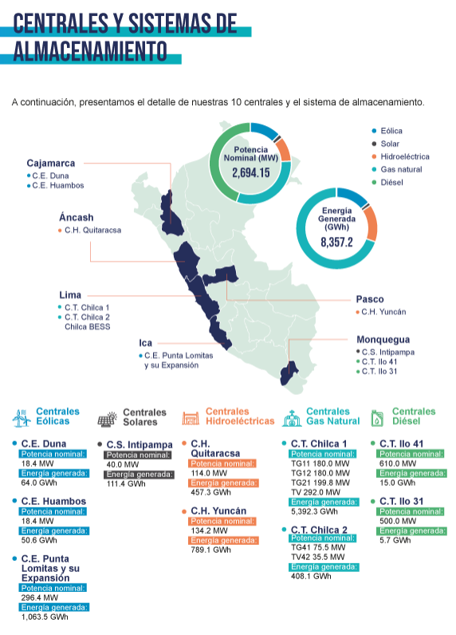

Central | Tipo | Departamento | Provincia | Distrito | Potencia MW | % Porcentaje
C.E. Duna | Eólica | Cajamarca | Chota | Huambos | 18.4 | 0.7%
C.E. Huambos | Eólica | Cajamarca | Chota | Huambos | 18.4 | 0.7%
C.E. Punta Lomitas y su Expansión | Eólica | Ica | Ica | Ocucaje | 296.4 | 11.0%
C.S. Intipampa | Solar | Moquegua | Mariscal Nieto | Moquegua | 40 | 1.5%
C.H. Quitaracsa | Hidroeléctrica | Ancash | Huaylas | Yuracmarca | 114 | 4.2%
C.H. Yuncán | Hidroeléctrica | Pasco | Pasco | Paucartambo | 134.2 | 5.0%
C.T. Chilca 1 | Gas Natural | Lima | Cañete | Chilca | 851.8 | 31.6%
C.T. Chilca 2 | Gas Natural | Lima | Cañete | Chilca | 111 | 4.1%
C.T. Ilo 41 | Diésel | Moquegua | Ilo | Ilo | 610 | 22.6%
C.T. Ilo 31 | Diésel | Moquegua | Ilo | Pacocha | 500 | 18.6%
 |  |  |  | Total | 2694.2 | 100.0%

Tomar en consideración que no habrá score a nivel de riesgo de sequías severo, para los distritos resaltados, esto ya que han sido excluídos de la metodología de CENEPRED al no considerar la costa peruana.
 |  | Distribución de activos por distrito
 |  | Departamento | Provincia | Distrito | % Porcentaje | Inundación | Movimientos de Masa | Sequía severa | Ubigeo
 |  | Cajamarca | Chota | Huambos | 1.4% | Muy bajo | Alto | Medio | 060409
 |  | Ica | Ica | Ocucaje | 11.0% | Alto | Alto | - | 110104
 |  | Moquegua | Mariscal Nieto | Moquegua | 1.5% | Alto | Alto | - | 180101
 |  | Ancash | Huaylas | Yuracmarca | 4.2% | Medio | Muy alto | Alto | 021210
 |  | Pasco | Pasco | Paucartambo | 5.0% | Bajo | Alto | Medio | 190107
 |  | Lima | Cañete | Chilca | 35.7% | Medio | Alto | - | 150505
 |  | Moquegua | Ilo | Ilo | 22.6% | Bajo | Alto | - | 180301
 |  | Moquegua | Ilo | Pacocha | 18.6% | Bajo | Alto | - | 180303

13. IFS
Distribución
Tomar en consideración que no habrá score a nivel de riesgo de sequías severo, para los distritos resaltados, esto ya que han sido excluídos de la metodología de CENEPRED al no considerar la costa peruana.
 |  |  |  |  |  |  |  |  |  |  |  |  | % de distritos distribuidos por riesgos
Departamento | Provincia | Distrito | Total Créditos | Total Oficinas | % Porcentaje Oficinas | % Porcentaje Créditos | Inundación | Movimientos de Masa | Sequía severa | Ubigeo |  |  | Inundación | Movimientos de Masa | Sequía severa
Ancash | Huaraz | Huaraz | 208,193 | 5 | 3.57% | 0.42% | Alto | Bajo | - | 150101 |  | Muy alto | 18% | 10% | 0%
Ancash | Santa | Chimbote | 255,105 | 6 | 4.29% | 0.52% | Alto | Muy bajo | - | 150131 |  | Alto | 39% | 30% | 8%
Apurimac | Abancay | Abancay | 74,960 | 2 | 1.43% | 0.15% | Medio | Muy bajo | - | 150115 |  | Medio | 29% | 23% | 14%
Apurimac | Cotabambas | Challhuahuacho | 12,791 | 4 | 2.86% | 0.03% | Muy alto | Muy bajo | - | 130101 |  | Bajo | 16% | 18% | 13%
Arequipa | Arequipa | Arequipa | 637,519 | 8 | 5.71% | 1.29% | Medio | Muy bajo | - | 150140 |  | Muy Bajo | 3% | 24% | 0%
Arequipa | Arequipa | Cayma | 162,142 | 1 | 0.71% | 0.33% | Muy alto | Bajo | - | 040101
Arequipa | Arequipa | Jose Luis Bustamante y Rivero | 33,200 | 3 | 2.14% | 0.07% | Alto | Muy bajo | - | 140101
Arequipa | Arequipa | Paucarpata | 83,450 | 3 | 2.14% | 0.17% | Muy alto | Muy bajo | - | 200101
Arequipa | Arequipa | Yanahuara | 149,474 | 5 | 3.57% | 0.30% | Alto | Bajo | - | 150122
Arequipa | Camana | Camana | 24,045 | 2 | 1.43% | 0.05% | Bajo | Alto | Medio | 120101
Ayacucho | Huamanga | Ayacucho | 219,389 | 3 | 2.14% | 0.44% | Muy alto | Muy bajo | - | 110101
Cajamarca | Cajamarca | Cajamarca | 268,308 | 5 | 3.57% | 0.54% | Bajo | Muy bajo | - | 150130
Cajamarca | Jaen | Jaen | 287,256 | 2 | 1.43% | 0.58% | Bajo | Alto | Medio | 080101 |  |  |  |  |  |  |  |  |  |  |  |  |  |  |  |  |  |  | -
Callao | Prov. Const. del Callao | Bellavista | 159,692 | 1 | 0.71% | 0.32% | Medio | Alto | Bajo | 060801 |  |  | Inundación |  |  |  |  |  |  |  | Movimientos de Masa |  |  |  |  |  |  |  | Sequía Severa
Callao | Prov. Const. del Callao | Callao | 112,980 | 1 | 0.71% | 0.23% | Alto | Alto | Bajo | 220901 |  |  | Muy alto | Alto | Medio | Bajo | Muy Bajo | % Activos |  |  | Muy alto | Alto | Medio | Bajo | Muy Bajo | % Activos |  |  | Sin Metodología | Muy alto | Alto | Medio | Bajo | Muy Bajo | % Activos
Callao | Prov. Const. del Callao | Ventanilla | 13,997 | 1 | 0.71% | 0.03% | Alto | Alto | Medio | 060101 | 1 | Lima | 47.56% | 17.81% | 1.23% | 15.29% |  | 81.9% | 1 | Lima | 1.58% | 30.23% | 2.48% | 46.11% | 1.48% | 81.9% | 1 | Lima | 20.32% |  | 1.10% | 15.00% | 45.47% |  | 81.9%
Cusco | Cusco | Cusco | 327,466 | 2 | 1.43% | 0.66% | Alto | Medio | Bajo | 160101 | 2 | La Libertad |  |  | 3.33% |  |  | 3.3% | 2 | La Libertad |  | 3.33% |  |  |  | 3.3% | 2 | La Libertad |  |  | 3.33% |  |  |  | 3.3%
Cusco | Cusco | San Sebastian | 25,654 | 2 | 1.43% | 0.05% | Alto | Muy bajo | - | 150136 | 3 | Arequipa | 0.50% | 0.37% | 1.29% | 0.05% |  | 2.2% | 3 | Arequipa |  | 0.05% |  | 0.63% | 1.52% | 2.2% | 3 | Arequipa | 2.15% |  |  | 0.05% |  |  | 2.2%
Huanuco | Huanuco | Huanuco | 188,284 | 1 | 0.71% | 0.38% | Alto | Alto | - | 110201 | 4 | Ica |  | 0.99% | 0.53% |  | 0.12% | 1.6% | 4 | Ica | 0.96% | 0.45% | 0.20% | 0.03% |  | 1.6% | 4 | Ica | 0.11% |  | 0.57% | 0.96% |  |  | 1.6%
Ica | Chincha | Chincha Alta | 222,378 | 1 | 0.71% | 0.45% | Medio | Alto | Alto | 050101 | 5 | Piura |  | 1.11% | 0.12% | 0.17% |  | 1.4% | 5 | Piura |  | 0.17% |  | 1.23% |  | 1.4% | 5 | Piura | 1.23% |  |  | 0.17% |  |  | 1.4%
Ica | Ica | Ica | 477,276 | 1 | 0.71% | 0.96% | Alto | Muy alto | Medio | 021801 | 6 | Lambayeque |  | 1.17% |  |  |  | 1.2% | 6 | Lambayeque |  |  |  |  | 1.17% | 1.2% | 6 | Lambayeque | 1.17% |  |  |  |  |  | 1.2%
Ica | Nazca | Nazca | 38,411 | 1 | 0.71% | 0.08% | Medio | Medio | - | 230101 | 7 | Junin |  | 0.70% | 0.09% | 0.35% |  | 1.1% | 7 | Junin | 0.35% | 0.09% |  |  | 0.70% | 1.1% | 7 | Junin | 1.05% |  | 0.09% |  |  |  | 1.1%
Ica | Nazca | Marcona | 14,726 | 1 | 0.71% | 0.03% | Alto | Bajo | - | 150137 | 8 | Cajamarca |  |  |  | 1.12% |  | 1.1% | 8 | Cajamarca |  | 0.58% |  |  | 0.54% | 1.1% | 8 | Cajamarca | 0.54% |  |  | 0.58% |  |  | 1.1%
Ica | Pisco | Pisco | 59,364 | 2 | 1.43% | 0.12% | Muy bajo | Medio | Alto | 211101 | 9 | Ancash |  | 0.94% |  |  |  | 0.9% | 9 | Ancash |  |  |  | 0.42% | 0.52% | 0.9% | 9 | Ancash | 0.94% |  |  |  |  |  | 0.9%
Junin | Chanchamayo | Chanchamayo | 43,979 | 1 | 0.71% | 0.09% | Medio | Alto | Alto | 020101 | 10 | Cusco |  | 0.71% |  |  |  | 0.7% | 10 | Cusco |  |  | 0.66% |  | 0.05% | 0.7% | 10 | Cusco | 0.05% |  |  |  | 0.66% |  | 0.7%
Junin | Huancayo | El Tambo | 175,486 | 3 | 2.14% | 0.35% | Bajo | Muy alto | - | 150132 | 11 | Puno |  | 0.20% | 0.40% |  |  | 0.6% | 11 | Puno |  | 0.20% | 0.40% |  |  | 0.6% | 11 | Puno | 0.59% |  |  |  |  |  | 0.6%
Junin | Huancayo | Huancayo | 344,334 | 3 | 2.14% | 0.70% | Alto | Muy bajo | - | 150117 | 12 | San Martin |  | 0.48% | 0.06% |  |  | 0.5% | 12 | San Martin | 0.06% |  | 0.48% |  |  | 0.5% | 12 | San Martin | 0.55% |  |  |  |  |  | 0.5%
La Libertad | Trujillo | Trujillo | 1,647,816 | 1 | 0.71% | 3.33% | Medio | Alto | Alto | 100101 | 13 | Loreto |  | 0.54% |  |  |  | 0.5% | 13 | Loreto |  | 0.54% |  |  |  | 0.5% | 13 | Loreto |  |  |  |  | 0.54% |  | 0.5%
La Libertad | Pataz | Parcoy | 1,021 | 1 | 0.71% | 0.00% | Medio | Alto | Alto | 040103 | 14 | Callao |  | 0.26% | 0.32% |  |  | 0.6% | 14 | Callao |  | 0.58% |  |  |  | 0.6% | 14 | Callao |  |  |  | 0.03% | 0.55% |  | 0.6%
Lambayeque | Chiclayo | Chiclayo | 577,317 | 3 | 2.14% | 1.17% | Alto | Muy bajo | - | 150113 | 15 | Ayacucho | 0.44% |  |  |  |  | 0.4% | 15 | Ayacucho |  |  |  |  | 0.44% | 0.4% | 15 | Ayacucho | 0.44% |  |  |  |  |  | 0.4%
Lima | Barranca | Barranca | 33,292 | 1 | 0.71% | 0.07% | Alto | Alto | Bajo | 250101 | 16 | Tacna |  |  | 0.43% |  |  | 0.4% | 16 | Tacna |  |  | 0.43% |  |  | 0.4% | 16 | Tacna | 0.43% |  |  |  |  |  | 0.4%
Lima | Cañete | San Vicente de Cañete | 51,284 | 1 | 0.71% | 0.10% | Muy alto | Bajo | - | 040126 | 17 | Huanuco |  | 0.38% |  |  |  | 0.4% | 17 | Huanuco |  | 0.38% |  |  |  | 0.4% | 17 | Huanuco | 0.38% |  |  |  |  |  | 0.4%
Lima | Huaral | Huaral | 38,292 | 1 | 0.71% | 0.08% | Alto | Muy bajo | - | 070102 | 18 | Ucayali |  | 0.28% | 0.00% |  |  | 0.3% | 18 | Ucayali | 0.28% |  | 0.00% |  |  | 0.3% | 18 | Ucayali | 0.28% |  |  | 0.00% |  |  | 0.3%
Lima | Huaral | Chancay | 10,167 | 3 | 2.14% | 0.02% | Bajo | Muy alto | - | 150112 | 19 | Moquegua |  | 0.12% | 0.07% |  |  | 0.2% | 19 | Moquegua |  |  | 0.18% |  |  | 0.2% | 19 | Moquegua | 0.18% |  |  |  |  |  | 0.2%
Lima | Huaura | Huacho | 99,445 | 4 | 2.86% | 0.20% | Muy alto | Muy bajo | - | 070101 | 20 | Apurimac | 0.03% |  | 0.15% |  |  | 0.2% | 20 | Apurimac |  |  |  |  | 0.18% | 0.2% | 20 | Apurimac | 0.18% |  |  |  |  |  | 0.2%
Lima | Lima | Ate | 60,788 | 2 | 1.43% | 0.12% | Alto | Bajo | - | 150108 | 21 | Madre de Dios | 0.14% |  |  |  |  | 0.1% | 21 | Madre de Dios |  |  |  | 0.14% |  | 0.1% | 21 | Madre de Dios | 0.14% |  |  |  |  |  | 0.1%
Lima | Lima | Carabayllo | 16,004 | 2 | 1.43% | 0.03% | Medio | Alto | - | 150114 | 22 | Tumbes |  | 0.13% |  |  |  | 0.1% | 22 | Tumbes |  |  | 0.13% |  |  | 0.1% | 22 | Tumbes | 0.13% |  |  |  |  |  | 0.1%
Lima | Lima | Comas | 33,884 | 1 | 0.71% | 0.07% | Medio | Alto | Medio | 210101 | 23 | Pasco |  |  |  | 0.06% |  | 0.1% | 23 | Pasco |  | 0.06% |  |  |  | 0.1% | 23 | Pasco |  |  |  | 0.06% |  |  | 0.1%
Lima | Lima | Jesus Maria | 171,721 | 1 | 0.71% | 0.35% | Medio | Medio | - | 150801 | 24 | Amazonas |  |  |  |  |  | 0.0% | 24 | Amazonas |  |  |  |  |  | 0.0% | 24 | Amazonas |  |  |  |  |  |  | 0.0%
Lima | Lima | La Molina | 104,154 | 2 | 1.43% | 0.21% | Medio | Bajo | - | 150133 | 25 | Huancavelica |  |  |  |  |  | 0.0% | 25 | Huancavelica |  |  |  |  |  | 0.0% | 25 | Huancavelica |  |  |  |  |  |  | 0.0%
Lima | Lima | La Victoria | 6,681,546 | 1 | 0.71% | 13.49% | Bajo | Alto | Medio | 120114
Lima | Lima | Lima | 22,385,472 | 1 | 0.71% | 45.19% | Muy alto | Bajo | Bajo | 200601 |  | Perú | 48.67% | 26.16% | 8.02% | 17.03% | 0.12% | 100.00% |  | Perú | 3.24% | 36.64% | 4.96% | 48.56% | 6.60% | 100.00% |  | Perú | 30.86% | 0.00% | 5.08% | 16.84% | 47.22% | 0.00% | 100.00%
Lima | Lima | Lince | 68,729 | 1 | 0.71% | 0.14% | Alto | Muy alto | Bajo | 040112
Lima | Lima | Los Olivos | 185,987 | 3 | 2.14% | 0.38% | Muy alto | Bajo | - | 150135
Lima | Lima | Lurigancho | 6,874 | 1 | 0.71% | 0.01% | Bajo | Alto | Medio | 030101 |  |  | Inundación |  |  |  |  |  |  |  | Movimientos de Masa |  |  |  |  |  |  |  | Sequía Severa
Lima | Lima | Lurin | 20,266 | 2 | 1.43% | 0.04% | Medio | Muy bajo | - | 150105 |  |  | Muy alto | Alto | Medio | Bajo | Muy Bajo | % Oficinas |  |  | Muy alto | Alto | Medio | Bajo | Muy Bajo | % Oficinas |  |  | Sin Metodología | Muy alto | Alto | Medio | Bajo | Muy Bajo | % Oficinas
Lima | Lima | Magdalena del Mar | 33,830 | 1 | 0.71% | 0.07% | Bajo | Medio | Bajo | 170101 |  | Lima | 9.29% | 9.29% | 10.00% | 5.71% |  | 34.3% | 1 | Lima | 3.57% | 8.57% | 6.43% | 7.14% | 8.57% | 34.3% | 1 | Lima | 27.86% |  | 0.71% | 2.86% | 2.86% |  | 34.3%
Lima | Lima | Miraflores | 543,905 | 1 | 0.71% | 1.10% | Muy alto | Medio | Alto | 240101 |  | La Libertad |  |  | 1.43% |  |  | 1.4% | 2 | La Libertad |  | 1.43% |  |  |  | 1.4% | 2 | La Libertad |  |  | 1.43% |  |  |  | 1.4%
Lima | Lima | Puente Piedra | 23,237 | 2 | 1.43% | 0.05% | Alto | Muy bajo | - | 150116 |  | Arequipa | 2.86% | 5.71% | 5.71% | 1.43% |  | 15.7% | 3 | Arequipa |  | 1.43% |  | 4.29% | 10.00% | 15.7% | 3 | Arequipa | 14.29% |  |  | 1.43% |  |  | 15.7%
Lima | Lima | San Borja | 341,077 | 1 | 0.71% | 0.69% | Alto | Muy bajo | - | 150121 |  | Ica |  | 1.43% | 1.43% |  | 1.43% | 4.3% | 4 | Ica | 0.71% | 0.71% | 2.14% | 0.71% |  | 4.3% | 4 | Ica | 1.43% |  | 2.14% | 0.71% |  |  | 4.3%
Lima | Lima | San Isidro | 7,856,949 | 1 | 0.71% | 15.86% | Alto | Alto | - | 180101 |  | Piura |  | 0.71% | 1.43% | 0.71% |  | 2.9% | 5 | Piura |  | 0.71% |  | 2.14% |  | 2.9% | 5 | Piura | 2.14% |  |  | 0.71% |  |  | 2.9%
Lima | Lima | San Juan de Lurigancho | 152,996 | 1 | 0.71% | 0.31% | Muy alto | Medio | - | 110501 |  | Lambayeque |  | 2.14% |  |  |  | 2.1% | 6 | Lambayeque |  |  |  |  | 2.14% | 2.1% | 6 | Lambayeque | 2.14% |  |  |  |  |  | 2.1%
Lima | Lima | San Juan de Miraflores | 137,386 | 3 | 2.14% | 0.28% | Medio | Alto | - | 150103 |  | Junin |  | 2.14% | 0.71% | 2.14% |  | 5.0% | 7 | Junin | 2.14% | 0.71% |  |  | 2.14% | 5.0% | 7 | Junin | 4.29% |  | 0.71% |  |  |  | 5.0%
Lima | Lima | San Martin de Porres | 94,629 | 1 | 0.71% | 0.19% | Muy alto | Medio | - | 150501 |  | Cajamarca |  |  |  | 5.00% |  | 5.0% | 8 | Cajamarca |  | 1.43% |  |  | 3.57% | 5.0% | 8 | Cajamarca | 3.57% |  |  | 1.43% |  |  | 5.0%
Lima | Lima | Santa Anita | 211,991 | 1 | 0.71% | 0.43% | Alto | Muy bajo | - | 150104 |  | Ancash |  | 7.86% |  |  |  | 7.9% | 9 | Ancash |  |  |  | 3.57% | 4.29% | 7.9% | 9 | Ancash | 7.86% |  |  |  |  |  | 7.9%
Lima | Lima | Santiago de Surco | 705,928 | 1 | 0.71% | 1.43% | Bajo | Muy alto | Medio | 120301 |  | Cusco |  | 2.86% |  |  |  | 2.9% | 10 | Cusco |  |  | 1.43% |  | 1.43% | 2.9% | 10 | Cusco | 1.43% |  |  |  | 1.43% |  | 2.9%
Lima | Lima | Villa El Salvador | 43,028 | 1 | 0.71% | 0.09% | Muy alto | Medio | - | 110301 |  | Puno |  | 0.71% | 0.71% |  |  | 1.4% | 11 | Puno |  | 0.71% | 0.71% |  |  | 1.4% | 11 | Puno | 1.43% |  |  |  |  |  | 1.4%
Lima | Lima | Villa Maria del Triunfo | 340 | 1 | 0.71% | 0.00% | Medio | Muy bajo | - | 150142 |  | San Martin |  | 0.71% | 0.71% |  |  | 1.4% | 12 | San Martin | 0.71% |  | 0.71% |  |  | 1.4% | 12 | San Martin | 1.43% |  |  |  |  |  | 1.4%
Lima | Lima | Independencia | 127,337 | 2 | 1.43% | 0.26% | Medio | Medio | - | 150110 |  | Loreto |  | 0.71% |  |  |  | 0.7% | 13 | Loreto |  | 0.71% |  |  |  | 0.7% | 13 | Loreto |  |  |  |  | 0.71% |  | 0.7%
Lima | Lima | Breña | 74,836 | 1 | 0.71% | 0.15% | Alto | Alto | - | 150601 |  | Callao |  | 1.43% | 0.71% |  |  | 2.1% | 14 | Callao |  | 2.14% |  |  |  | 2.1% | 14 | Callao |  |  |  | 0.71% | 1.43% |  | 2.1%
Lima | Lima | Pueblo Libre (Magdalena Vieja) | 61,416 | 1 | 0.71% | 0.12% | Alto | Medio | - | 200701 |  | Ayacucho | 2.14% |  |  |  |  | 2.1% | 15 | Ayacucho |  |  |  |  | 2.14% | 2.1% | 15 | Ayacucho | 2.14% |  |  |  |  |  | 2.1%
Lima | Lima | Chorrillos | 132,620 | 1 | 0.71% | 0.27% | Bajo | Alto | - | 180301 |  | Tacna |  |  | 0.71% |  |  | 0.7% | 16 | Tacna |  |  | 0.71% |  |  | 0.7% | 16 | Tacna | 0.71% |  |  |  |  |  | 0.7%
Lima | Lima | Barranco | 49,776 | 1 | 0.71% | 0.10% | Alto | Bajo | - | 150120 |  | Huanuco |  | 0.71% |  |  |  | 0.7% | 17 | Huanuco |  | 0.71% |  |  |  | 0.7% | 17 | Huanuco | 0.71% |  |  |  |  |  | 0.7%
Loreto | Maynas | Iquitos | 265,418 | 1 | 0.71% | 0.54% | Alto | Alto | Bajo | 220101 |  | Ucayali |  | 0.71% | 0.71% |  |  | 1.4% | 18 | Ucayali | 0.71% |  | 0.71% |  |  | 1.4% | 18 | Ucayali | 0.71% |  |  | 0.71% |  |  | 1.4%
Madre de Dios | Tambopata | Tambopata | 71,075 | 1 | 0.71% | 0.14% | Muy alto | Bajo | - | 040129 |  | Moquegua |  | 0.71% | 0.71% |  |  | 1.4% | 19 | Moquegua |  |  | 1.43% |  |  | 1.4% | 19 | Moquegua | 1.43% |  |  |  |  |  | 1.4%
Moquegua | Ilo | Ilo | 33,094 | 1 | 0.71% | 0.07% | Medio | Medio | - | 150128 |  | Apurimac | 2.86% |  | 1.43% |  |  | 4.3% | 20 | Apurimac |  |  |  |  | 4.29% | 4.3% | 20 | Apurimac | 4.29% |  |  |  |  |  | 4.3%
Moquegua | Mariscal Nieto | Moquegua | 57,048 | 1 | 0.71% | 0.12% | Alto | Medio | - | 150201 |  | Madre de Dios | 0.71% |  |  |  |  | 0.7% | 21 | Madre de Dios |  |  |  | 0.71% |  | 0.7% | 21 | Madre de Dios | 0.71% |  |  |  |  |  | 0.7%
Pasco | Pasco | Yanacancha | 27,866 | 1 | 0.71% | 0.06% | Bajo | Alto | Medio | 190113 |  | Tumbes |  | 0.71% |  |  |  | 0.7% | 22 | Tumbes |  |  | 0.71% |  |  | 0.7% | 22 | Tumbes | 0.71% |  |  |  |  |  | 0.7%
Piura | Paita | Paita | 23,831 | 1 | 0.71% | 0.05% | Medio | Bajo | - | 021809 |  | Pasco |  |  |  | 0.71% |  | 0.7% | 23 | Pasco |  | 0.71% |  |  |  | 0.7% | 23 | Pasco |  |  |  | 0.71% |  |  | 0.7%
Piura | Piura | Piura | 549,052 | 1 | 0.71% | 1.11% | Alto | Bajo | - | 200501 |  | Amazonas |  |  |  |  |  | 0.0% | 24 | Amazonas |  |  |  |  |  | 0.0% | 24 | Amazonas |  |  |  |  |  |  | 0.0%
Piura | Sullana | Sullana | 82,754 | 1 | 0.71% | 0.17% | Bajo | Alto | Medio | 080105 |  | Huancavelica |  |  |  |  |  | 0.0% | 25 | Huancavelica |  |  |  |  |  | 0.0% | 25 | Huancavelica |  |  |  |  |  |  | 0.0%
Piura | Talara | Pariñas | 35,572 | 1 | 0.71% | 0.07% | Medio | Bajo | - | 150125
Puno | Puno | Puno | 96,745 | 1 | 0.71% | 0.20% | Alto | Alto | - | 040201 |  | Perú | 17.86% | 38.57% | 26.43% | 15.71% | 1.43% | 100.00% |  | Perú | 7.86% | 20.00% | 15.00% | 18.57% | 38.57% | 100.00% |  | Perú | 79.29% | 0.00% | 5.00% | 9.29% | 6.43% | 0.00% | 100.00%
Puno | San Roman | Juliaca | 196,283 | 1 | 0.71% | 0.40% | Medio | Medio | - | 150119
San Martin | Moyobamba | Moyobamba | 30,406 | 1 | 0.71% | 0.06% | Medio | Muy alto | - | 150106
San Martin | San Martin | Tarapoto | 239,591 | 1 | 0.71% | 0.48% | Alto | Medio | - | 110304
Tacna | Tacna | Tacna | 213,415 | 1 | 0.71% | 0.43% | Medio | Medio | - | 070106
Tumbes | Tumbes | Tumbes | 63,380 | 1 | 0.71% | 0.13% | Alto | Medio | - | 150605
Ucayali | Coronel Portillo | Yarinacocha | 981 | 1 | 0.71% | 0.00% | Medio | Medio | Medio | 030506
Ucayali | Coronel Portillo | Callería | 139,233 | 1 | 0.71% | 0.28% | Alto | Muy alto | - | 150118
 |  |  |  |  |  |  | Muy alto | Muy bajo | Bajo | 250105
 |  |  |  |  |  |  | Bajo | Muy alto | Bajo | 130808
 |  |  |  |  |  |  | Muy bajo | Alto | - | 150143

15. Nexa Resources Perú
Earnings Release | Results Center - Nexa Resources IR

ADJUNTAR CUADRO
 |  |  | Mina | Tipo | País | Departamento/Estado | Provincia | Distrito/Ciudad | KT Mineral Tratado | % Porcentaje
 |  | p.24 | Cerro Lindo | Subterránea | Perú | Ica | Chincha | Chavin | 6213 | 61%
 |  | p.25 | El Porvenir | Subterránea | Perú | Pasco | Pasco | San Francisco de Asis de Yarusyacan | 2158 | 21%
 |  | p.26 | Atacocha | Subterránea y Tajo abierto | Perú | Pasco | Pasco | San Francisco de Asis de Yarusyacan | 1453 | 14%
 |  | p.35 | Cajamarquilla | Fundición de zinc | Perú | Lima | Lima | Lurigancho | 345.3 | 3%
 |  |  | Total |  |  |  |  |  | 10169.3 | 100%

 |  |  |  | Departamento | Provincia | Distrito | % Porcentaje | Inundación | Movimientos de Masa | Sequía severa | Ubigeo
 |  |  |  | Ica | Chincha | Chavin | 61.1% | Muy bajo | Alto | Alto | 110203
 |  |  |  | Pasco | Pasco | San Francisco de Asis de Yarusyacan | 35.5% | Bajo | Alto | Medio | 190108
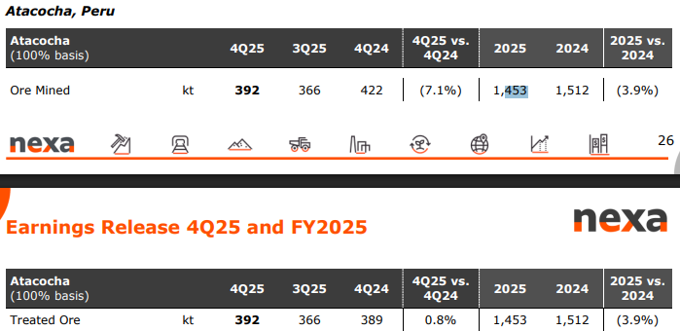
 |  |  |  | Lima | Lima | Lurigancho | 3.4% | Alto | Muy alto | - | 150118

16. Orygen
Tomar en consideración que no habrá score a nivel de riesgo de sequías severo, para los distritos resaltados, esto ya que han sido excluídos de la metodología de CENEPRED al no considerar la costa peruana.
 |  |  |  |  |  |  |  |  |  | Distribución de activos por distrito
Apoyo Rating Noviembre 2024 | Central | Tipo | Departamento | Provincia | Distrito | Fuente (enlace) | Potencia MW | % Porcentaje |  | Departamento | Provincia | Distrito | % Porcentaje | Inundación | Movimientos de Masa | Sequía severa | Ubigeo
 | C.H. Huinco | Hidroeléctrica | Lima | Huarochiri | San Pedro de Casta | https://mapcarta.com/es/29642368; https://globalenergyobservatory.org/geoid/45865 | 277.9 | 12.3% | Detalle de Ficha Técnica | Lima | Huarochiri | San Pedro de Casta | 12.3% | Muy bajo | Alto | Medio | 150724
 | C.H. Matucana | Hidroeléctrica | Lima | Huarochiri | Surco | https://mapcarta.com/es/W235956988; https://www.gem.wiki/Matucana_hydroelectric_plant | 137 | 6.1% | Detalle de Ficha Técnica | Lima | Huarochiri | Surco | 6.1% | Muy bajo | Alto | Alto | 150732
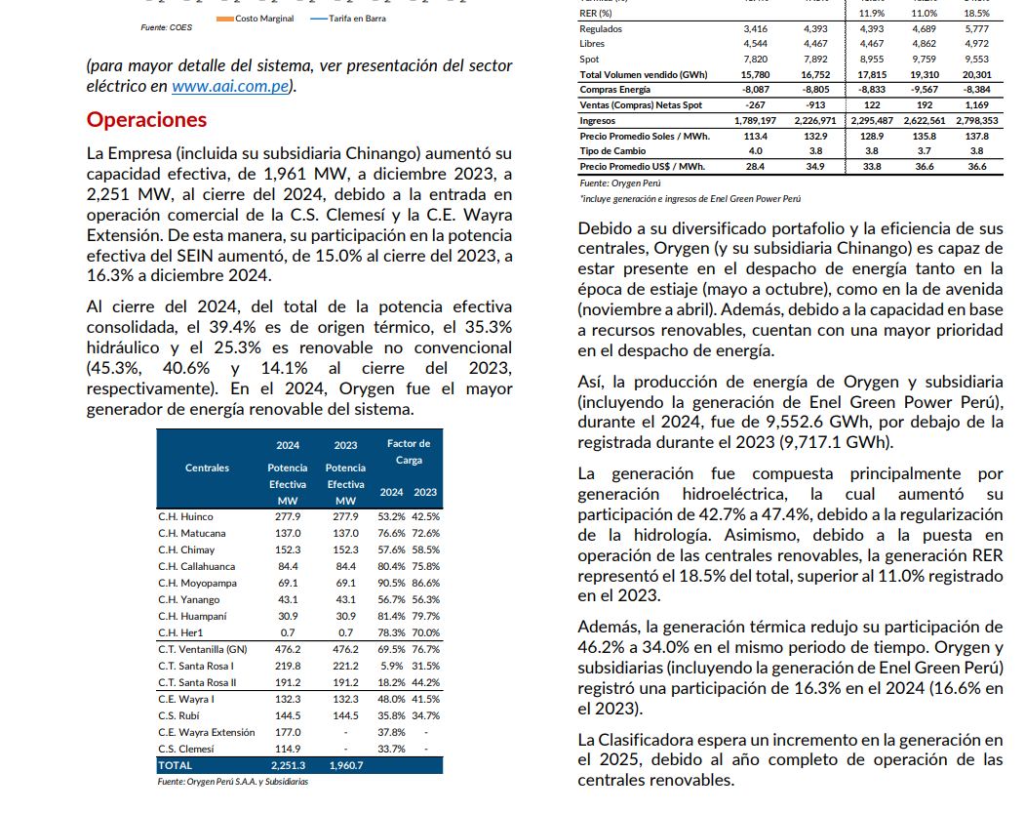
 | C.H. Callahuanca | Hidroeléctrica | Lima | Huarochiri | Callahuanca | https://www.gob.pe/institucion/minem/noticias/69382-central-hidroelectrica-de-callahuanca-reinicia-operaciones-y-contribuye-a-fortalecer-el-sistema-electrico-del-pais; https://mapcarta.com/es/W235747425 | 84.3 | 3.7% | Detalle de Ficha Técnica | Lima | Huarochiri | Callahuanca | 3.7% | Muy bajo | Alto | Alto | 150703
Basado en la información disponible sobre la ubicación y capacidad de las plantas de Enel Generación Perú, aquí está una inferencia aproximada de la distribución porcentual de la producción de electricidad por departamento:
Lima: Con varias plantas de generación eléctrica, incluyendo la Central Hidroeléctrica Huampaní y la Central Termoeléctrica Santa Rosa, se estima que aproximadamente el 50% de la producción total proviene de Lima.
Junín: Con la Central Hidroeléctrica Chimay y la Central Hidroeléctrica Yanango, se estima que alrededor del 20% de la producción total proviene de Junín.
Huánuco: Con la Central Hidroeléctrica Matucana, se estima que aproximadamente el 10% de la producción total proviene de Huánuco.
Pasco: Con la Central Hidroeléctrica Yuncán, se estima que alrededor del 10% de la producción total proviene de Pasco.
Áncash: Con la Central Hidroeléctrica Quitaracsa, se estima que aproximadamente el 10% de la producción total proviene de Áncash.
Estos porcentajes son aproximados y se basan en la capacidad de producción y la ubicación de las plantas de Enel Generación Perú.
 | C.H. Moyopampa | Hidroeléctrica | Lima | Lima | Lurigancho | https://mapcarta.com/es/29641866; https://www.rumbominero.com/peru/noticias/noticias-energia/hidroelectrica-moyopampa-ya-esta-operando-despues-de-los-huaicos/ | 69.1 | 3.1% | Detalle de Ficha Técnica | Lima | Lima | Lurigancho | 4.5% | Alto | Muy alto | - | 150118
 | C.H. Huampaní | Hidroeléctrica | Lima | Lima | Lurigancho | https://mapcarta.com/es/30858728; https://www.enel.com/es/medios/explora/busqueda-fotos/photo/2019/06/peru-central-hidroelectrica-huampani | 30.8 | 1.4% | Detalle de Ficha Técnica | Junin | Chanchamayo | San Ramon | 1.9% | Bajo | Muy alto | Medio | 120305
 | C.H. Yanango | Hidroeléctrica | Junin | Chanchamayo | San Ramon | https://issuu.com/osinergmin/docs/compendio-proyectos-gte-operacion/112; https://mapcarta.com/es/W706864502 | 43.1 | 1.9% |  | Junin | Jauja | Monobamba | 6.7% | Bajo | Alto | Medio | 120419
 | C.H. Chimay | Hidroeléctrica | Junin | Jauja | Monobamba | https://issuu.com/osinergmin/docs/compendio-proyectos-gte-operacion/113; https://globalenergyobservatory.org/geoid/45869 | 152.3 | 6.7% |  | Callao | Callao | Ventanilla | 21.2% | Medio | Medio | - | 070106
 | C.H. Her1 | Hidroeléctrica | Lima | Lima | Lurigancho | https://www.enelgreenpower.com/es/historias/articles/2021/12/peru-energia-hidroelectrica-ultima-generacion; https://mapcarta.com/es/30858728 | 0.6 | 0.0% | Detalle de Ficha Técnica | Lima | Lima | Rimac | 18.4% | Medio | Medio | - | 150128
 | C.T. Ventanilla (GN) | Térmica | Callao | Callao | Ventanilla | https://www.gem.wiki/Ventanilla_power_station; https://www.gob.pe/institucion/minem/informes-publicaciones/4962941-plan-ambiental-detallado-pad-de-la-central-termica-ventanilla-enel-generacion-peru-s-a-a | 477.8 | 21.2% |  | Ica | Nazca | Marcona | 13.7% | Alto | Medio | - | 110304
 | C.T. Santa Rosa I | Térmica | Lima | Lima | Rimac | https://mapcarta.com/es/34352576; https://www.gob.pe/institucion/minem/informes-publicaciones/4960690-central-termoelectrica-santa-rosa-enel-generacion-peru-s-a-a | 224.3 | 9.9% |  | Moquegua | Mariscal Nieto | Moquegua | 11.5% | Alto | Alto | - | 180101
 | C.T. Santa Rosa II | Térmica | Lima | Lima | Rimac | https://mapcarta.com/es/34352576; https://www.gem.wiki/Santa_Rosa_power_station | 191.2 | 8.5% |  |  |  | Total | 100%
 | C.E. Wayra I | Eólica | Ica | Nazca | Marcona | https://www.orygen.com/proyecto-wayra/ | 132.3 | 5.9% | Detalle de Ficha Técnica
 | C.E. Wayra Extensión | Eólica | Ica | Nazca | Marcona | https://www.energiaestrategica.com/wayra-extension-el-parque-eolico-mas-grande-del-peru-inicio-operacion-comercial/ | 177 | 7.8% | Detalle de Ficha Técnica
 | C.S. Rubí | Solar fotovoltaica | Moquegua | Mariscal Nieto | Moquegua | https://www.gob.pe/qu/institucion/minem/noticias/5999-mem-inauguro-la-central-solar-fotovoltaica-rubi-en-moquegua-la-mas-grande-del-pais; https://www.orygen.com/proyecto-rubi/ | 144.5 | 6.4%
 | C.S. Clemesí | Solar fotovoltaica | Moquegua | Mariscal Nieto | Moquegua | https://www.gob.pe/institucion/minem/noticias/350243-otorgan-concesion-definitiva-para-la-construccion-de-importante-central-solar-clemesi-en-moquegua; https://www.orygen.com/proyecto-clemesi/ | 114.9 | 5.1%
 |  |  |  |  |  | Total | 2257.1 | 1

 |  | Lima | Junín

 |  |  | Potencia MW | % | Departamento
 | Hidro | C.H. Huinco | 277.9 | 12.34% | Lima
 | Hidro | C.H. Matucana | 137 | 6.09% | Lima
 | Hidro | C.H. Chimay | 152.3 | 6.76% | Junín
 | Hidro | C.H. Callahuanca | 84.3 | 3.75% | Lima
 | Hidro | C.H. Moyopampa | 69.1 | 3.07% | Lima
 | Hidro | C.H. Yanango | 43.1 | 1.91% | Junín
 | Hidro | C.H. Huampaní | 30.8 | 1.37% | Lima
 | Hidro | C.H. Her1 | 0.6 | 0.03% | Lima
 | Térmica | C.T. Ventanilla (GN) | 477.8 | 21.15% | Lima |  | Solar
 | Térmica | C.T. Santa Rosa I | 224.3 | 9.76% | Lima
 | Térmica | C.T. Santa Rosa II | 191.2 | 8.49% | Lima |  | Potencia | % Respecto Total
 | Eólica | C.E. Wayra I | 132.3 | 5.88% | Ica |  | 259.4 | 0.115222316
 | Solar | C.S. Rubí | 144.5 | 6.42% | Moquegua
 | Éolica | C.E. Wayra Extensión | 177 | 7.86% | Ica |  | Eólica
 | Solar | C.S. Clemesí | 114.9 | 5.10% | Moquegua
 |  |  | 2251.3 | 1 |  |  | Potencia | % Respecto Total
 |  |  |  |  |  |  | 309.3 | 0.13738728735

 | Total Orygen

 | Potencia | Departamento
 | 66.06% | Lima
 | 8.68% | Junín
 | 13.74% | Ica
 | 11.52% | Moquegua
 | 1

17. Pluz Energia
Tomar en consideración que no habrá score a nivel de riesgo de sequías severo, para los distritos resaltados, esto ya que han sido excluídos de la metodología de CENEPRED al no considerar la costa peruana.
Para este emisor, se utiliza como proxy de activos la infraestructura de Subestaciones de Distribución (SED), definida como el punto intermedio entre la red de transmisión (alta tensión) y la red que llega a los clientes (media/baja tensión). Su función principal es reducir el voltaje desde niveles elevados a niveles seguros para su distribución. Esto permite canalizar la energía hacia alimentadores que abastecen barrios, industrias y el alumbrado público.
Con este objetivo, se recopilaron datos desde la plataforma de datos abiertos del Organismo Supervisor de la Inversión en Energía y Minería (OSINERGMIN), específicamente del registro de Subestaciones de Distribución de Energía Eléctrica. Esta fuente proporciona información sobre las empresas distribuidoras propietarias de cada SED, así como detalles geoespaciales (longitud y latitud) que permiten ubicar con precisión cada subestación.
Para determinar el distrito en el que se encuentra cada SED, se utilizó la base de Capas Geográficas a nivel distrital provista por el Instituto Nacional de Estadística e Informática (INEI), la cual permite visualizar los límites distritales mediante coordenadas geográficas. A través del paquete geopandas en Python, se realizó la asignación de cada SED a su distrito correspondiente.
Posteriormente, se filtró la información para identificar únicamente las subestaciones pertenecientes a la empresa distribuidora de interés (Pluz Energía / Enel Distribución). Finalmente, se utilizó como métrica la capacidad instalada en kVA (es decir, cuánta energía puede entregar cada SED), la cual fue totalizada por distrito. Con ello, se obtuvo la distribución de capacidad instalada por distrito.
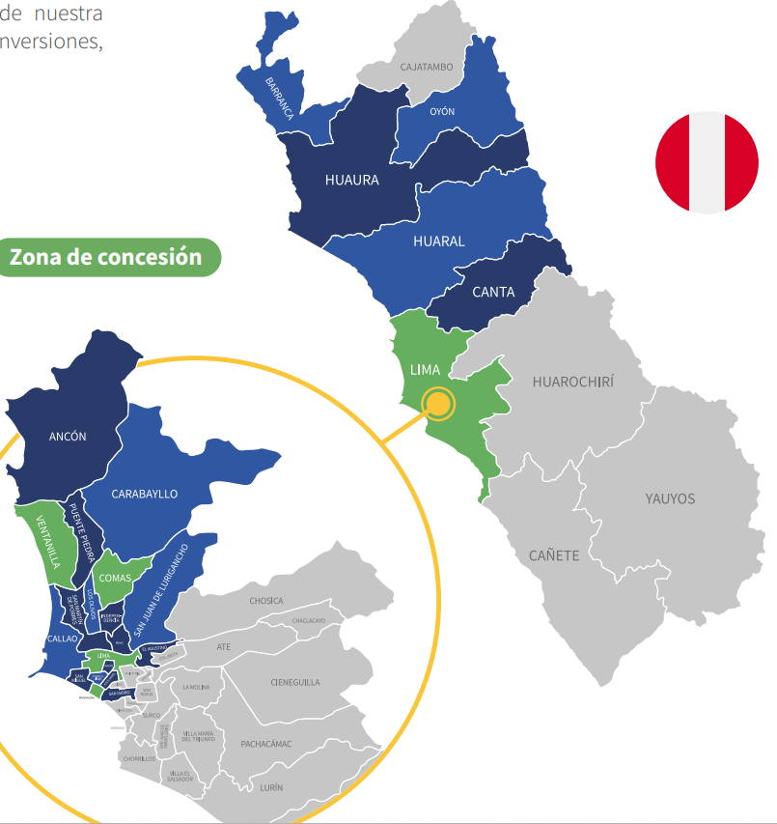
Links de datos
Subestaciones de Distribución de Energía Eléctrica - [Organismo Supervisor de la Inversión en Energía y Minería - OSINERGMIN] | Plataforma Nacional de Datos Abiertos
INEI

Departamento | Provincia | Distrito | Ubigeo | Potencia Instalada | % Porcentaje | Inundación | Movimientos de Masa | Sequía severa | Ubigeo
Callao | Callao | Callao | 070101 | 175,467 | 7.60% | Muy alto | Muy bajo | - | 070101
Callao | Callao | Bellavista | 070102 | 28,010 | 1.21% | Alto | Muy bajo | - | 070102
Callao | Callao | Carmen De La Legua Reynoso | 070103 | 10,310 | 0.45% | Alto | Muy bajo | - | 070103
Callao | Callao | La Perla | 070104 | 19,595 | 0.85% | Alto | Muy bajo | - | 070104
Callao | Callao | La Punta | 070105 | 2,585 | 0.11% | Alto | Muy bajo | - | 070105
Callao | Callao | Ventanilla | 070106 | 78,774 | 3.41% | Medio | Medio | - | 070106
Callao | Callao | Mi Peru | 070107 | 6,985 | 0.30% | Muy bajo | Medio | - | 070107
Lima | Barranca | Barranca | 150201 | 22,636 | 0.98% | Alto | Medio | - | 150201
Lima | Barranca | Paramonga | 150202 |  |  | Alto | Muy alto | -
Lima | Barranca | Pativilca | 150203 | 3,195 | 0.14% | Medio | Alto | - | 150203
Lima | Barranca | Supe | 150204 | 5,801 | 0.25% | Alto | Alto | - | 150204
Lima | Barranca | Supe Puerto | 150205 | 4,090 | 0.18% | Alto | Medio | - | 150205
Lima | Huaral | Huaral | 150601 | 35,334 | 1.53% | Alto | Alto | - | 150601
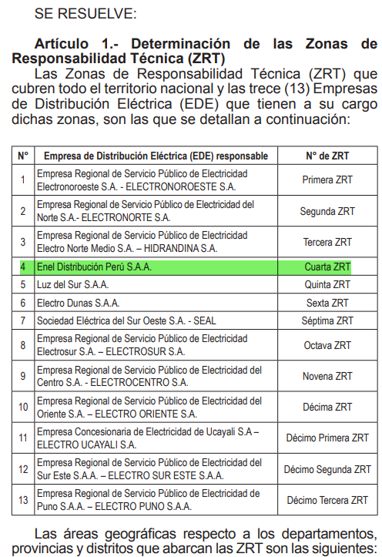
Lima | Huaral | Atavillos Alto | 150602 | 150 | 0.01% | Muy bajo | Alto | Bajo | 150602
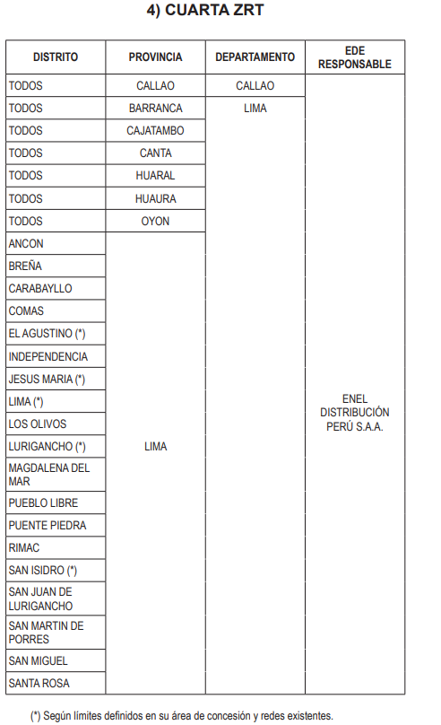
Lima | Huaral | Atavillos Bajo | 150603 | 400 | 0.02% | Bajo | Muy alto | Alto | 150603
Lima | Huaral | Aucallama | 150604 | 10,435 | 0.45% | Medio | Alto | - | 150604
Lima | Huaral | Chancay | 150605 | 21,363 | 0.92% | Alto | Medio | - | 150605
Lima | Huaral | Ihuari | 150606 |  |  | Bajo | Muy alto | Alto
Lima | Huaral | Lampian | 150607 | 202 | 0.01% | Muy bajo | Alto | Muy alto | 150607
Lima | Huaral | Pacaraos | 150608 | 410 | 0.02% | Bajo | Alto | Bajo | 150608
Lima | Huaral | San Miguel De Acos | 150609 | 155 | 0.01% | Bajo | Alto | Alto | 150609
Lima | Huaral | Santa Cruz De Andamarca | 150610 | 65 | 0.00% | Bajo | Alto | Bajo | 150610
Lima | Huaral | Sumbilca | 150611 | 50 | 0.00% | Bajo | Muy alto | Muy alto | 150611
Lima | Huaral | Veintisiete De Noviembre | 150612 | 143 | 0.01% | Muy bajo | Alto | Alto | 150612
Lima | Huaura | Huacho | 150801 | 25,120 | 1.09% | Medio | Medio | - | 150801
Lima | Huaura | Ambar | 150802 |  |  | Bajo | Muy alto | Alto
Lima | Huaura | Caleta De Carquin | 150803 | 1,355 | 0.06% | Muy alto | Muy bajo | - | 150803
Lima | Huaura | Checras | 150804 |  |  | Muy bajo | Muy alto | Alto
Lima | Huaura | Hualmay | 150805 | 7,349 | 0.32% | Muy alto | Muy bajo | - | 150805
Lima | Huaura | Huaura | 150806 | 4,915 | 0.21% | Alto | Alto | - | 150806
Lima | Huaura | Leoncio Prado | 150807 |  |  | Bajo | Muy alto | Alto
Lima | Huaura | Paccho | 150808 |  |  | Bajo | Muy alto | Alto
Lima | Huaura | Santa Leonor | 150809 |  |  | Bajo | Alto | Medio
Lima | Huaura | Santa Maria | 150810 | 10,626 | 0.46% | Medio | Medio | - | 150810
Lima | Huaura | Sayan | 150811 | 10,505 | 0.45% | Alto | Muy alto | - | 150811
Lima | Huaura | Vegueta | 150812 | 13,320 | 0.58% | Alto | Medio | - | 150812
Lima | Oyon | Oyon | 150901 | 517 | 0.02% | Medio | Muy alto | Medio | 150901
Lima | Oyon | Andajes | 150902 | 167 | 0.01% | Bajo | Alto | Alto | 150902
Lima | Oyon | Caujul | 150903 |  |  | Muy bajo | Alto | Alto
Lima | Oyon | Cochamarca | 150904 |  |  | Muy bajo | Muy alto | Alto
Lima | Oyon | Navan | 150905 | 1 | 0.00% | Muy bajo | Muy alto | Medio
Lima | Oyon | Pachangara | 150906 | 1,415 | 0.06% | Bajo | Muy alto | Alto | 150906
Lima | Canta | Canta | 150401 | 1,060 | 0.05% | Muy bajo | Alto | Medio | 150401
Lima | Canta | Arahuay | 150402 |  |  | Bajo | Muy alto | Alto
Lima | Canta | Huamantanga | 150403 | 217 | 0.01% | Bajo | Muy alto | Alto | 150403
Lima | Canta | Huaros | 150404 | 230 | 0.01% | Muy bajo | Alto | Bajo | 150404
Lima | Canta | Lachaqui | 150405 | 165 | 0.01% | Muy bajo | Alto | Alto | 150405
Lima | Canta | San Buenaventura | 150406 | 390 | 0.02% | Muy bajo | Muy alto | Alto | 150406
Lima | Canta | Santa Rosa De Quives | 150407 | 5,376 | 0.23% | Bajo | Muy alto | Alto | 150407
Lima | Lima | Lima | 150101 | 219,305 | 9.49% | Alto | Bajo | - | 150101
Lima | Lima | Ancon | 150102 | 27,659 | 1.20% | Bajo | Alto | - | 150102
Lima | Lima | Breña | 150105 | 56,130 | 2.43% | Medio | Muy bajo | - | 150105
Lima | Lima | Carabayllo | 150106 | 126,955 | 5.50% | Medio | Muy alto | - | 150106
Lima | Lima | Comas | 150110 | 173,966 | 7.53% | Medio | Medio | - | 150110
Lima | Lima | El Agustino | 150111 | 35,242 | 1.53% | Alto | Bajo | - | 150111
Lima | Lima | Independencia | 150112 | 60,052 | 2.60% | Bajo | Muy alto | - | 150112
Lima | Lima | Jesus Maria | 150113 | 67,525 | 2.92% | Alto | Muy bajo | - | 150113
Lima | Lima | Los Olivos | 150117 | 104,410 | 4.52% | Alto | Muy bajo | - | 150117
Lima | Lima | Magdalena Del Mar | 150120 | 71,015 | 3.07% | Alto | Bajo | - | 150120
Lima | Lima | Pueblo Libre | 150121 | 75,365 | 3.26% | Alto | Muy bajo | - | 150121
Lima | Lima | Puente Piedra | 150125 | 130,873 | 5.67% | Medio | Bajo | - | 150125
Lima | Lima | Rimac | 150128 | 55,473 | 2.40% | Medio | Medio | - | 150128
Lima | Lima | San Isidro | 150131 | 34,815 | 1.51% | Alto | Muy bajo | - | 150131
Lima | Lima | San Juan De Lurigancho | 150132 | 273,167 | 11.83% | Bajo | Muy alto | - | 150132
Lima | Lima | San Martin De Porres | 150135 | 154,810 | 6.70% | Muy alto | Bajo | - | 150135
Lima | Lima | San Miguel | 150136 | 110,942 | 4.80% | Alto | Muy bajo | - | 150136
Lima | Lima | Lurigancho | 150118 | 9,605 | 0.42% | Alto | Muy alto | - | 150118
Lima | Lima | Santa Rosa | 150139 | 13,640 | 0.59% | Bajo | Medio | - | 150139
...

19. UNACEM
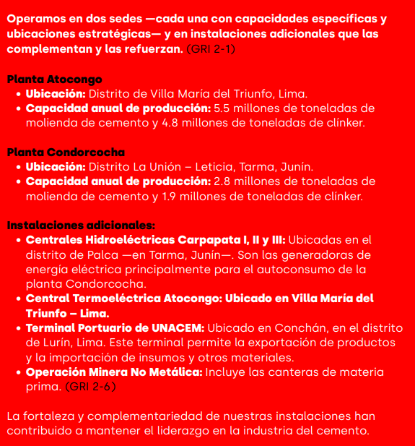
 |  |  |  | Capacidad de Producción MM
Planta | Departamento | Provincia | Distrito | Cemento | Clínker | % Cemento | % Clínker | % Porcentaje
Planta Atocongo | Lima | Lima | Villa Maria del Triunfo | 5.5 | 4.8 | 66.3% | 71.6% | 69.0%
Planta Condorcocha | Junin | Tarma | La Union | 2.8 | 1.9 | 33.7% | 28.4% | 31.0%
 |  |  |  |  |  |  | Total | 100.0%
Tomar en consideración que no habrá score a nivel de riesgo de sequías severo, para los distritos resaltados, esto ya que han sido excluídos de la metodología de CENEPRED al no considerar la costa peruana.
Distribución de activos por distrito
Departamento | Provincia | Distrito | % Porcentaje | Inundación | Movimientos de Masa | Sequía severa | Ubigeo
Lima | Lima | Villa Maria del Triunfo | 69.0% | Muy bajo | Alto | - | 150143
Junin | Tarma | La Union | 31.0% | Medio | Alto | Alto | 120705

 |  |  |  | 1 | 4 | 0 | 2.50
 |  |  |  | 3 | 4 | 3 | 3.33

20. Volcan
Memoria Anual 2024 (https://www.volcan.com.pe/wp-content/uploads/2025/08/Memoria-Volcan-2024.pdf)
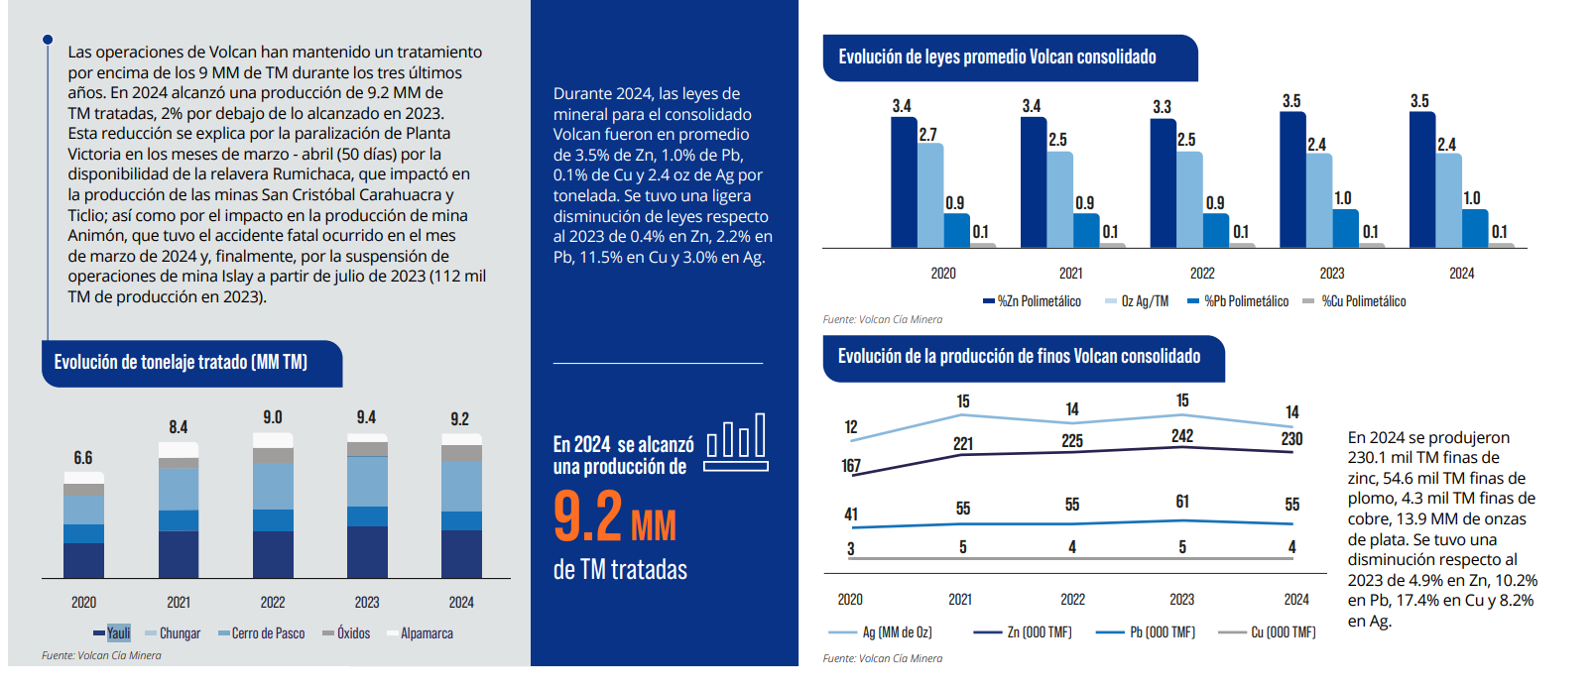

 | Mina | Tipo | País | Departamento/Estado | Provincia
 | San Cristóbal-Carahuacra (Yauli) | Subterránea | Perú | Junin | Yauli
 | Andaychagua (Yauli) | Subterránea | Perú | Junin | Yauli
 | Ticlio (Yauli) | Subterránea | Perú | Junin | Yauli
 | Animón (Chungar) | Subterránea | Perú | Pasco | Pasco
 | Islay (Chungar) | Subterránea | Perú | Pasco | Pasco
 | Cerro de Pasco - Sulfuros | Planta concentradora | Perú | Pasco | Pasco
 | Cerro de Pasco - Óxidos | Planta de óxidos | Perú | Pasco | Pasco
 | Alpamarca | Planta concentradora | Perú | Junin | Yauli
 | Total

 |  | Departamento | Provincia | Distrito | % Porcentaje
 |  | Junin | Yauli | Yauli | 32.1%
 |  | Pasco | Pasco | Huayllay | 11.2%
 |  | Pasco | Pasco | Chaupimarca | 45.7%
 |  | Junin | Yauli | Santa Barbara de Carhuacayan | 10.9%

27. Inca Rail
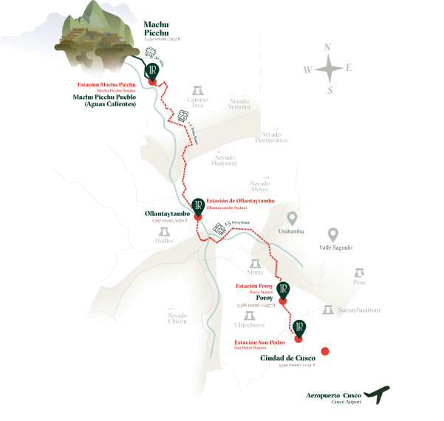
Distrito | % Porcentaje | Ubigeo | Inundación | Movimientos de Masa | Sequía severa
Santiago | 25% | 080106 | Bajo | Alto | Medio
Poroy | 25% | 080103 | Medio | Alto | Medio
Ollantaytambo | 25% | 081306 | Medio | Alto | Medio
MachuPicchu | 25% | 081304 | Bajo | Alto | Medio
Total | 100%
...

30. Jockey Plaza
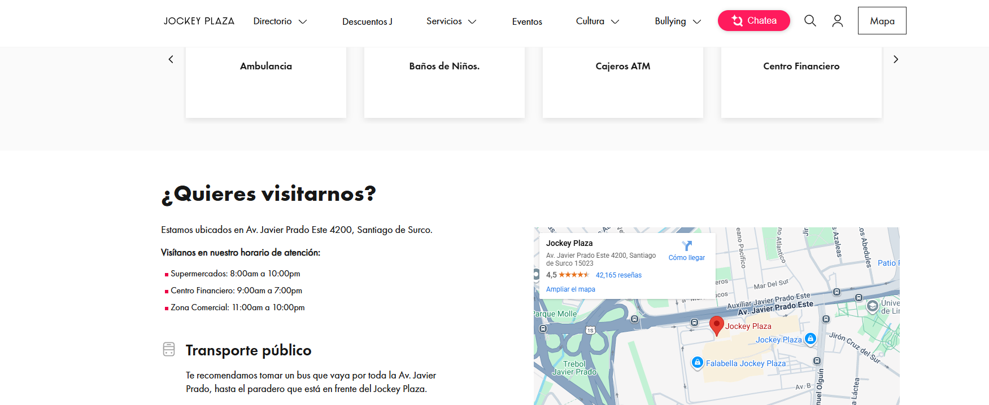
% Porcentaje | Inundación | Movimientos de Masa | Sequía severa
50.0% | Medio | Muy bajo | -
50.0% | Medio | Muy bajo | -

32. Orazen
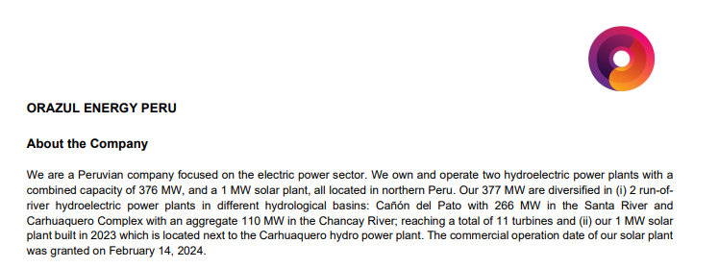
...
Central | Tipo | Departamento | Provincia | Distrito | Fuente (enlace) | Potencia MW | % Porcentaje | Ubigeo | Departamento
 |  |  |  |  | Total | 358.7 | 100%

Información extraída de este reporte | https://links.sgx.com/FileOpen/Orazul_External%20MDA%20Q2_2025.ashx?App=Announcement&FileID=857166
Central hidroeléctrica Cañón del Pato | Detalle de Ficha Técnica
Central hidroeléctrica Carhuaquero IV | Detalle de Ficha Técnica
Central hidroeléctrica Caña Brava | Detalle de Ficha Técnica
Planta solar Carhuaquero | Detalle de Ficha Técnica

FUENTE COES | Ficha Técnica

35. Tecsup
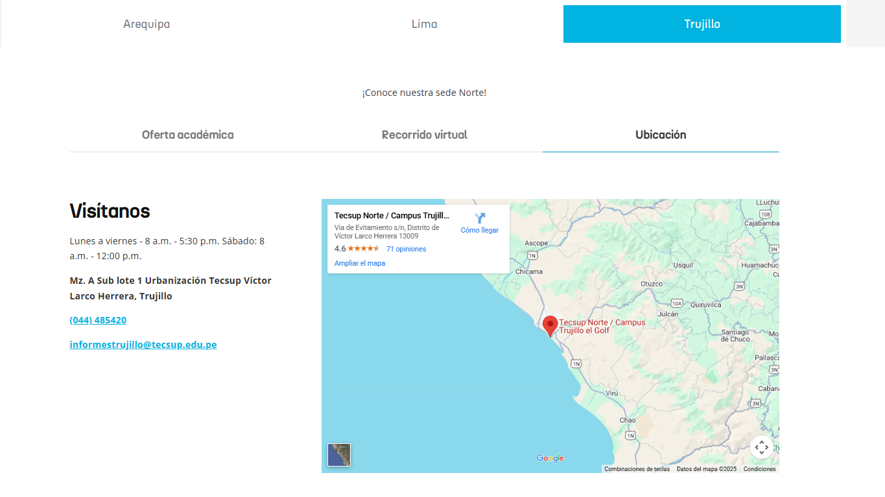
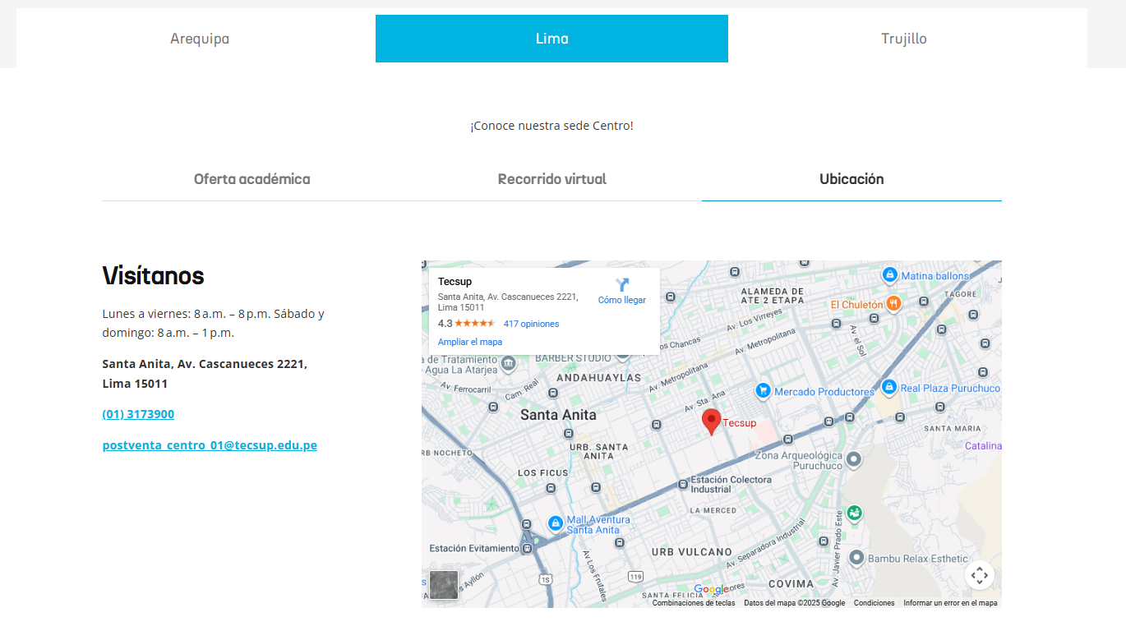
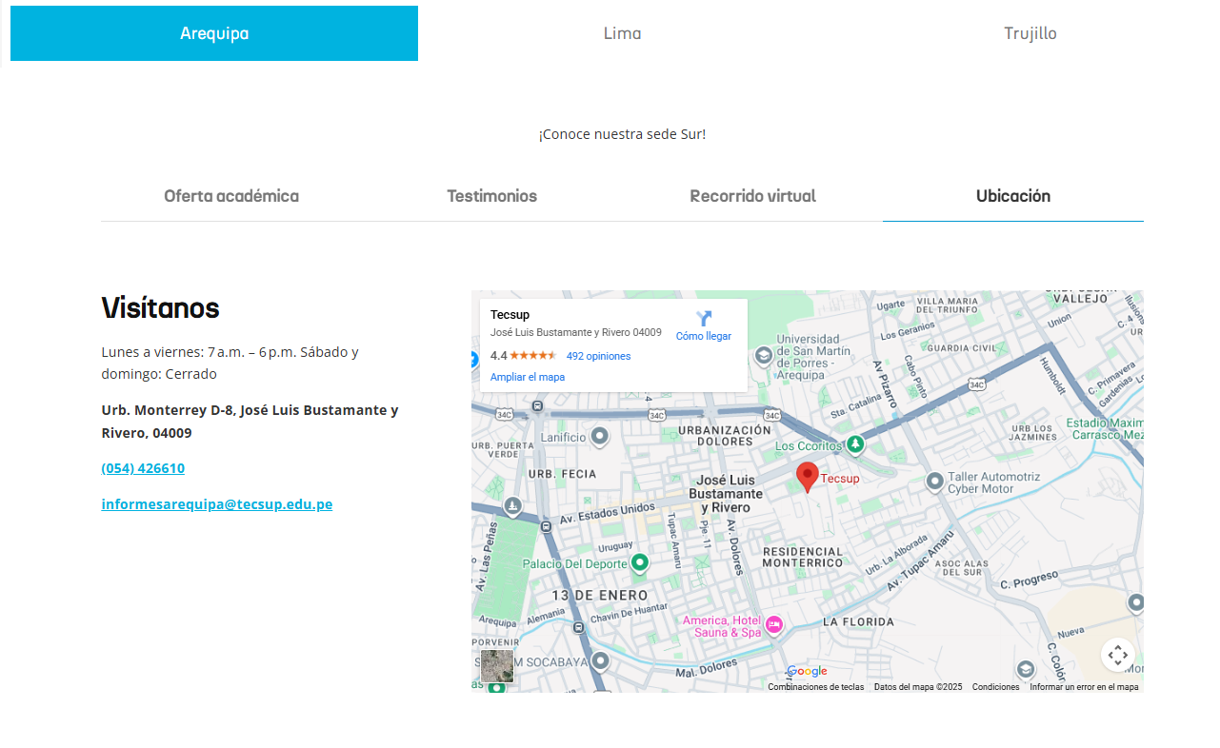
Distrito | % Porcentaje | Ubigeo | Inundación | Movimientos de Masa | Sequía severa
Santa Anita | 33% | 150137 | Alto | Bajo | -
Victor Larco Herrera | 33% | 130111 | Alto | Muy bajo | -
Jose Luis Bustamante Y Rivero | 33% | 040129 | Muy alto | Bajo | -
Total | 100%

38. Integratel
Metodología para la distribución distrital
Para determinar la distribución distrital de los activos físicos de Telefónica, se utilizaron dos fuentes oficiales:
Cobertura móvil por empresa operadora, que detalla por centro poblado la presencia de tecnologías móviles (2G, 3G, 4G, 5G) y el número de estacionesbase (EB) por tecnología.
Cantidad de conexiones en servicio de Internet fijo, que reporta por distrito las conexiones activas por tecnología (xDSL, Cablemódem y Fibra Óptica) y rango de velocidad.
Construcción de la distribución distrital Se consolidó la información a nivel distrital utilizando el código UBIGEO como clave geográfica. Para la red móvil, se sumaron las estaciones base por distrito. Para la red fija, se totalizaron las conexiones de todas las tecnologías (xDSL, HFC y FTTH), dado que todas representan infraestructura física. Esta agregación permite reflejar la presencia real de activos en cada distrito y diferenciar zonas con mayor densidad de infraestructura.
Integración en un índice ponderado Para combinar ambas distribuciones en un único índice, se definieron pesos basados en la relevancia económica de cada negocio sobre los ingresos totales de Telefónica Perú (Memoria Anual 2024): el negocio móvil representa aproximadamente el 55% del total, mientras que el negocio fijo alcanza el 45%. Sin embargo, la base disponible para fijo cubre únicamente Internet, por lo que se estimó su representatividad dentro del negocio fijo aplicando supuestos de ARPU (Average Revenue Per User), métrica que refleja el ingreso promedio por cliente. En el mercado peruano, los planes de Internet fijo presentan tarifas significativamente superiores a las de voz y TV, por lo que se asignaron factores relativos (Internet = 1.8× voz, TV = 1.3× voz), consistentes con rangos observados en OSIPTEL y benchmarks regionales. Con estos ajustes, Internet representa entre 16.2% y 23.7% del total de ingresos, lo que renormalizado frente al negocio móvil (54.3%) da com un escenario intermedio: Intener represnta 19.95% del total de ingresos y negocio móvil el 54.3%, lo rebalanceado se convierte en 26.87% y en un 73.13% respectivamente.
Representatividad y limitaciones Este enfoque refleja el despliegue físico de infraestructura móvil y fija en cada distrito, ponderado por su importancia económica. No incluye otros componentes del negocio fijo (voz, TV, mayorista), por lo que los pesos se ajustaron para representar únicamente lo que cubren las bases. Además, las conexiones fijas se usan como proxy del despliegue, lo que es válido en un contexto donde la cobertura y la adopción están estrechamente correlacionadas.
% Porcentaje | Activo | Inundación | Movimientos de Masa | Sequía severa
3.24% | Sede - Santiago De Surco | Medio | Muy bajo | -
2.17% | Sede - San Martin De Porres | Muy alto | Bajo | -
2.45% | Sede - San Juan De Lurigancho | Bajo | Muy alto | -
1.93% | Sede - Lima | Alto | Bajo | -
2.01% | Sede - Ate | Medio | Alto | -
1.70% | Sede - Callao | Muy alto | Muy bajo | -
1.54% | Sede - Miraflores | Alto | Bajo | -
1.44% | Sede - Chorrillos | Alto | Bajo | -
1.20% | Sede - San Juan De Miraflores | Medio | Bajo | -
1.33% | Sede - Villa El Salvador | Medio | Muy bajo | -
1.47% | Sede - Comas | Medio | Medio | -
1.78% | Sede - Trujillo | Muy alto | Muy bajo | -
1.16% | Sede - San Borja | Bajo | Muy bajo | -
1.39% | Sede - Los Olivos | Alto | Muy bajo | -
1.14% | Sede - La Victoria | Medio | Muy bajo | -
1.42% | Sede - La Molina | Medio | Alto | -
1.03% | Sede - Villa Maria Del Triunfo | Muy bajo | Alto | -
1.08% | Sede - San Miguel | Alto | Muy bajo | -
1.25% | Sede - San Isidro | Alto | Muy bajo | -
0.80% | Sede - Surquillo | Alto | Muy bajo | -
0.78% | Sede - Jesus Maria | Alto | Muy bajo | -
0.58% | Sede - Rimac | Medio | Medio | -
1.36% | Sede - Piura | Muy alto | Muy bajo | -
0.55% | Sede - Pueblo Libre | Alto | Muy bajo | -
0.69% | Sede - Santa Anita | Alto | Bajo | -
0.97% | Sede - Puente Piedra | Medio | Bajo | -
0.51% | Sede - Magdalena Del Mar | Alto | Bajo | -
0.48% | Sede - Lince | Alto | Muy bajo | -
0.68% | Sede - Chimbote | Alto | Muy alto | Medio
0.50% | Sede - Cusco | Bajo | Alto | Medio
1.26% | Sede - Chiclayo | Alto | Muy bajo | -
0.69% | Sede - El Tambo | Bajo | Alto | Medio
0.44% | Sede - El Agustino | Alto | Bajo | -
0.86% | Sede - Ventanilla | Medio | Medio | -
...

